B.1
Rate of growth of card spending has moderated
Figure 1: Change in card spending and cash withdrawals compared to the daily average in the same month the previous year

 | Daily 7-day moving average
Spending in €000s | Total Spending (PoS, Credit Card & ATM) | Debit Card PoS & Credit Cards Spending | ATM Withdrawals | % Share of Online Spending (rhs) | % Share of In-Store Spending (rhs)

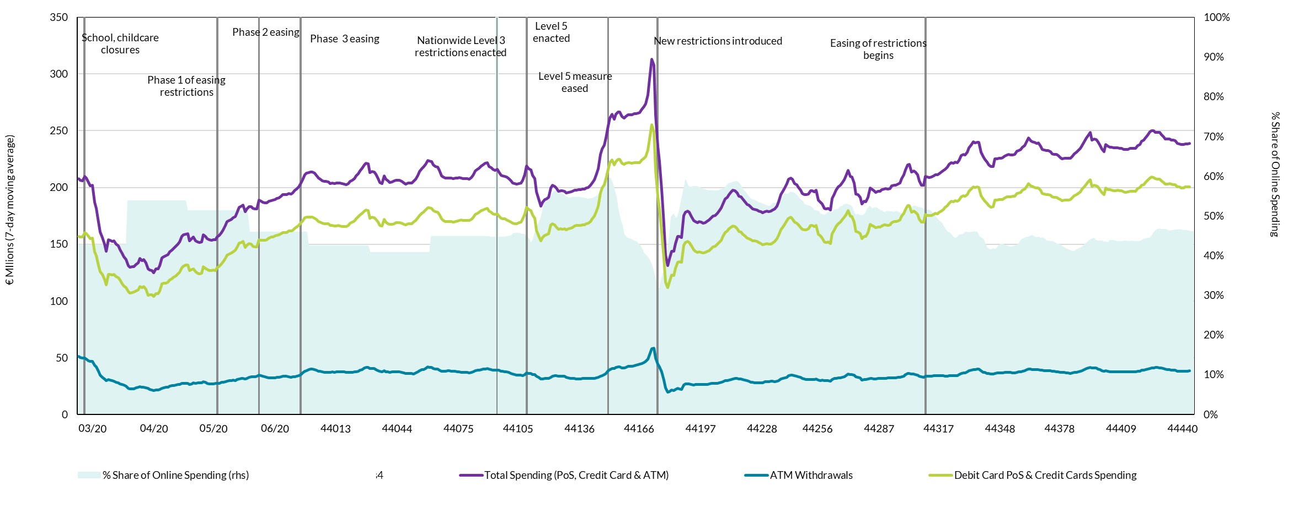
2020-03-07 | 212491.94114 | 159891.3066 | 52600.634533 | 0.42657920402 | 0.57342079598
2020-03-08 | 209925.31755 | 157986.93816 | 51938.379393 | 0.42657920402 | 0.57342079598
2020-03-09 | 207907.06368 | 156864.79622 | 51042.267454 | 0.42657920402 | 0.57342079598
2020-03-10 | 206436.36975 | 156231.58136 | 50204.788393 | 0.42657920402 | 0.57342079598
2020-03-11 | 205902.64129 | 156262.80279 | 49639.838497 | 0.42657920402 | 0.57342079598
2020-03-12 | 209943.05271 | 160186.76215 | 49756.290569 | 0.42657920402 | 0.57342079598
2020-03-13 | 208071.93451 | 159275.29752 | 48796.636984 | 0.42657920402 | 0.57342079598
2020-03-14 | 204181.85203 | 156816.28562 | 47365.566413 | 0.42657920402 | 0.57342079598
2020-03-15 | 201691.47261 | 154996.63006 | 46694.842547 | 0.42657920402 | 0.57342079598
2020-03-16 | 201873.15852 | 155168.22305 | 46704.935476 | 0.42657920402 | 0.57342079598
2020-03-17 | 186736.94736 | 143452.76291 | 43284.184446 | 0.42657920402 | 0.57342079598
2020-03-18 | 181495.57985 | 139680.04476 | 41815.535096 | 0.42657920402 | 0.57342079598
2020-03-19 | 169361.36814 | 131189.86275 | 38171.505399 | 0.42657920402 | 0.57342079598
2020-03-20 | 160566.41842 | 125999.24927 | 34567.169146 | 0.42657920402 | 0.57342079598
2020-03-21 | 155818.36811 | 123188.68041 | 32629.687697 | 0.42657920402 | 0.57342079598
2020-03-22 | 150207.82609 | 118901.01882 | 31306.807273 | 0.42657920402 | 0.57342079598
2020-03-23 | 143870.15029 | 114155.60201 | 29714.548289 | 0.42657920402 | 0.57342079598
2020-03-24 | 154150.96348 | 123214.61891 | 30936.344571 | 0.42657920402 | 0.57342079598
2020-03-25 | 153386.19515 | 123231.54788 | 30154.647267 | 0.42657920402 | 0.57342079598
2020-03-26 | 152398.63257 | 122797.35638 | 29601.276187 | 0.42657920402 | 0.57342079598
2020-03-27 | 152900.28867 | 123510.0068 | 29390.281874 | 0.42657920402 | 0.57342079598
2020-03-28 | 150034.37798 | 121553.95469 | 28480.423296 | 0.42657920402 | 0.57342079598
2020-03-29 | 148441.519 | 120584.36229 | 27857.156706 | 0.42657920402 | 0.57342079598
2020-03-30 | 145334.01719 | 118390.94772 | 26943.069469 | 0.42657920402 | 0.57342079598
2020-03-31 | 141809.35467 | 115350.47891 | 26458.875766 | 0.42657920402 | 0.57342079598
2020-04-01 | 139057.84557 | 113347.66209 | 25710.183481 | 0.53720472385 | 0.46279527615
2020-04-02 | 136589.70662 | 111824.46579 | 24765.240836 | 0.53720472385 | 0.46279527615
2020-04-03 | 131344.47623 | 108415.28729 | 22929.188941 | 0.53720472385 | 0.46279527615
2020-04-04 | 129508.88545 | 106965.36333 | 22543.522118 | 0.53720472385 | 0.46279527615
2020-04-05 | 129983.6053 | 107483.92505 | 22499.680252 | 0.53720472385 | 0.46279527615
2020-04-06 | 130121.33685 | 107643.57942 | 22477.757431 | 0.53720472385 | 0.46279527615
2020-04-07 | 131924.07037 | 108589.09098 | 23334.979389 | 0.53720472385 | 0.46279527615 | Source: CSO and Central Bank of Ireland
2020-04-08 | 133744.63308 | 109920.33658 | 23824.296496 | 0.53720472385 | 0.46279527615
2020-04-09 | 137256.12483 | 112793.06341 | 24463.061421 | 0.53720472385 | 0.46279527615
2020-04-10 | 135467.63845 | 111597.60416 | 23870.034291 | 0.53720472385 | 0.46279527615
2020-04-11 | 136439.45282 | 112501.30024 | 23938.152585 | 0.53720472385 | 0.46279527615
2020-04-12 | 133779.18407 | 110158.08462 | 23621.09945 | 0.53720472385 | 0.46279527615
2020-04-13 | 128013.27219 | 105117.39634 | 22895.875857 | 0.53720472385 | 0.46279527615
2020-04-14 | 127109.75997 | 105297.6672 | 21812.092767 | 0.53720472385 | 0.46279527615
2020-04-15 | 126775.37126 | 105173.26932 | 21602.101934 | 0.53720472385 | 0.46279527615
2020-04-16 | 124985.00936 | 103919.28674 | 21065.722616 | 0.53720472385 | 0.46279527615
2020-04-17 | 128029.99354 | 106409.49595 | 21620.497589 | 0.53720472385 | 0.46279527615
2020-04-18 | 128042.15128 | 106409.34933 | 21632.801953 | 0.53720472385 | 0.46279527615
2020-04-19 | 130942.032 | 108925.69852 | 22016.333472 | 0.53720472385 | 0.46279527615
2020-04-20 | 137793.34092 | 115029.69457 | 22763.64635 | 0.53720472385 | 0.46279527615
2020-04-21 | 139076.28056 | 115545.64397 | 23530.636596 | 0.53720472385 | 0.46279527615
2020-04-22 | 139618.05552 | 115706.31861 | 23911.736917 | 0.53720472385 | 0.46279527615
2020-04-23 | 140621.65247 | 116469.918 | 24151.734469 | 0.53720472385 | 0.46279527615
2020-04-24 | 143328.38287 | 118398.23984 | 24930.143029 | 0.53720472385 | 0.46279527615
2020-04-25 | 144732.5147 | 119480.18124 | 25252.333457 | 0.53720472385 | 0.46279527615
2020-04-26 | 146204.97578 | 120699.93288 | 25505.042899 | 0.53720472385 | 0.46279527615
2020-04-27 | 147944.05824 | 122021.70275 | 25922.35549 | 0.53720472385 | 0.46279527615
2020-04-28 | 150057.37941 | 123645.69531 | 26411.684097 | 0.53720472385 | 0.46279527615
2020-04-29 | 151767.291 | 125438.5 | 26328.791001 | 0.53720472385 | 0.46279527615
2020-04-30 | 156726.4111 | 129296.71846 | 27429.69264 | 0.53720472385 | 0.46279527615
2020-05-01 | 158053.45202 | 130743.69249 | 27309.759526 | 0.51296133606 | 0.48703866394
2020-05-02 | 158925.64237 | 131518.3948 | 27407.247569 | 0.51296133606 | 0.48703866394
2020-05-03 | 159162.80195 | 131805.34542 | 27357.456532 | 0.51296133606 | 0.48703866394
2020-05-04 | 153087.49544 | 126545.8308 | 26541.664635 | 0.51296133606 | 0.48703866394
2020-05-05 | 154712.15469 | 127693.02971 | 27019.124976 | 0.51296133606 | 0.48703866394
2020-05-06 | 156167.33855 | 128283.28277 | 27884.055774 | 0.51296133606 | 0.48703866394
2020-05-07 | 152954.60562 | 125703.70891 | 27250.896707 | 0.51296133606 | 0.48703866394
2020-05-08 | 152010.63282 | 124402.19233 | 27608.440493 | 0.51296133606 | 0.48703866394
2020-05-09 | 151465.22776 | 123884.64049 | 27580.587277 | 0.51296133606 | 0.48703866394
2020-05-10 | 152060.79473 | 124301.50482 | 27759.289908 | 0.51296133606 | 0.48703866394
2020-05-11 | 158526.79656 | 129922.55746 | 28604.239101 | 0.51296133606 | 0.48703866394
2020-05-12 | 156713.39649 | 128624.36149 | 28089.035 | 0.51296133606 | 0.48703866394
2020-05-13 | 154721.5359 | 127499.08146 | 27222.454433 | 0.51296133606 | 0.48703866394
2020-05-14 | 153855.54969 | 126795.82263 | 27059.727063 | 0.51296133606 | 0.48703866394
2020-05-15 | 153632.88477 | 126832.7072 | 26800.177567 | 0.51296133606 | 0.48703866394
2020-05-16 | 154070.21911 | 127106.81648 | 26963.402637 | 0.51296133606 | 0.48703866394
2020-05-17 | 154090.61931 | 127000.12826 | 27090.491058 | 0.51296133606 | 0.48703866394
2020-05-18 | 156297.65576 | 129073.80229 | 27223.853473 | 0.51296133606 | 0.48703866394
2020-05-19 | 157931.14525 | 130520.68797 | 27410.457284 | 0.51296133606 | 0.48703866394
2020-05-20 | 160423.57792 | 132376.82382 | 28046.754101 | 0.51296133606 | 0.48703866394
2020-05-21 | 162862.05475 | 134551.22912 | 28310.825629 | 0.51296133606 | 0.48703866394
2020-05-22 | 166312.55461 | 137376.20932 | 28936.345284 | 0.51296133606 | 0.48703866394
2020-05-23 | 169982.99951 | 140534.2194 | 29448.780112 | 0.51296133606 | 0.48703866394
2020-05-24 | 170961.70812 | 141368.13077 | 29593.577355 | 0.51296133606 | 0.48703866394
2020-05-25 | 171891.21431 | 142048.74682 | 29842.46749 | 0.51296133606 | 0.48703866394
2020-05-26 | 173209.39161 | 143158.74395 | 30050.647661 | 0.51296133606 | 0.48703866394
2020-05-27 | 174425.37282 | 144518.68311 | 29906.689706 | 0.51296133606 | 0.48703866394
2020-05-28 | 177897.64648 | 147356.45197 | 30541.194509 | 0.51296133606 | 0.48703866394
2020-05-29 | 182317.55672 | 150906.63101 | 31410.925704 | 0.51296133606 | 0.48703866394
2020-05-30 | 183360.35801 | 151729.31107 | 31631.046933 | 0.51296133606 | 0.48703866394
2020-05-31 | 184422.95547 | 152657.77589 | 31765.179582 | 0.51296133606 | 0.48703866394
2020-06-01 | 178497.21658 | 147350.88465 | 31146.331931 | 0.45828624754 | 0.54171375246
2020-06-02 | 180863.01021 | 149225.34887 | 31637.661334 | 0.45828624754 | 0.54171375246
2020-06-03 | 183116.30665 | 150406.40321 | 32709.903443 | 0.45828624754 | 0.54171375246
2020-06-04 | 183212.16795 | 150141.67019 | 33070.49776 | 0.45828624754 | 0.54171375246
2020-06-05 | 181342.59011 | 148162.71576 | 33179.87435 | 0.45828624754 | 0.54171375246
2020-06-06 | 181148.94337 | 147777.13636 | 33371.807011 | 0.45828624754 | 0.54171375246
2020-06-07 | 181238.61208 | 147667.59211 | 33571.019974 | 0.45828624754 | 0.54171375246
2020-06-08 | 188658.72253 | 154078.5079 | 34580.214634 | 0.45828624754 | 0.54171375246
2020-06-09 | 187661.3288 | 153351.96893 | 34309.35987 | 0.45828624754 | 0.54171375246
2020-06-10 | 186761.89648 | 153370.13149 | 33391.764997 | 0.45828624754 | 0.54171375246
2020-06-11 | 186417.35981 | 153486.61759 | 32930.742214 | 0.45828624754 | 0.54171375246
2020-06-12 | 186349.59297 | 153937.55883 | 32412.034144 | 0.45828624754 | 0.54171375246
2020-06-13 | 187697.43083 | 155295.59637 | 32401.834455 | 0.45828624754 | 0.54171375246
2020-06-14 | 188502.30762 | 156196.89215 | 32305.415469 | 0.45828624754 | 0.54171375246
2020-06-15 | 188735.72248 | 156576.8879 | 32158.83458 | 0.45828624754 | 0.54171375246
2020-06-16 | 189415.50478 | 157247.24703 | 32168.257749 | 0.45828624754 | 0.54171375246
2020-06-17 | 190461.71622 | 157812.07061 | 32649.645616 | 0.45828624754 | 0.54171375246
2020-06-18 | 190993.10245 | 158249.5276 | 32743.574854 | 0.45828624754 | 0.54171375246
2020-06-19 | 192342.55129 | 159087.78952 | 33254.761773 | 0.45828624754 | 0.54171375246
2020-06-20 | 193798.13518 | 160406.12787 | 33392.007307 | 0.45828624754 | 0.54171375246
2020-06-21 | 193929.63202 | 160405.62199 | 33524.010029 | 0.45828624754 | 0.54171375246
2020-06-22 | 193722.14859 | 160330.90439 | 33391.244197 | 0.45828624754 | 0.54171375246
2020-06-23 | 194871.5905 | 161649.08017 | 33222.510327 | 0.45828624754 | 0.54171375246
2020-06-24 | 194327.83513 | 161519.4313 | 32808.403826 | 0.45828624754 | 0.54171375246
2020-06-25 | 195130.44976 | 162068.27984 | 33062.169921 | 0.45828624754 | 0.54171375246
2020-06-26 | 197358.1483 | 164014.63048 | 33343.517816 | 0.45828624754 | 0.54171375246
2020-06-27 | 198499.04804 | 164870.93242 | 33628.11562 | 0.45828624754 | 0.54171375246
2020-06-28 | 200356.54596 | 166488.23888 | 33868.30708 | 0.45828624754 | 0.54171375246
2020-06-29 | 203823.65907 | 168816.6005 | 35007.058571 | 0.45828624754 | 0.54171375246
2020-06-30 | 206590.05674 | 170242.91292 | 36347.14382 | 0.45828624754 | 0.54171375246
2020-07-01 | 211083.66956 | 173276.34761 | 37807.321951 | 0.423151353 | 0.576848647
2020-07-02 | 212577.808 | 173914.84984 | 38662.958157 | 0.423151353 | 0.576848647
2020-07-03 | 213031.92312 | 173729.59185 | 39302.331276 | 0.423151353 | 0.576848647
2020-07-04 | 213424.4559 | 173611.14902 | 39813.306879 | 0.423151353 | 0.576848647
2020-07-05 | 213617.67608 | 173638.37429 | 39979.301789 | 0.423151353 | 0.576848647
2020-07-06 | 212377.92726 | 172797.96846 | 39579.9588 | 0.423151353 | 0.576848647
2020-07-07 | 210711.96648 | 171724.37805 | 38987.588427 | 0.423151353 | 0.576848647
2020-07-08 | 208027.39027 | 169998.64003 | 38028.750241 | 0.423151353 | 0.576848647
2020-07-09 | 207419.73949 | 169580.14739 | 37839.592106 | 0.423151353 | 0.576848647
2020-07-10 | 205799.38913 | 168423.15959 | 37376.229546 | 0.423151353 | 0.576848647
2020-07-11 | 205262.76989 | 168011.72346 | 37251.046429 | 0.423151353 | 0.576848647
2020-07-12 | 205123.68657 | 167878.63225 | 37245.054325 | 0.423151353 | 0.576848647
2020-07-13 | 205023.66038 | 167778.62081 | 37245.03957 | 0.423151353 | 0.576848647
2020-07-14 | 203547.16975 | 166732.16809 | 36815.001654 | 0.423151353 | 0.576848647
2020-07-15 | 203711.98187 | 166385.10024 | 37326.88163 | 0.423151353 | 0.576848647
2020-07-16 | 203206.63802 | 165990.68985 | 37215.948174 | 0.423151353 | 0.576848647
2020-07-17 | 203773.47101 | 166191.58812 | 37581.882889 | 0.423151353 | 0.576848647
2020-07-18 | 204014.81881 | 166378.5294 | 37636.289419 | 0.423151353 | 0.576848647
2020-07-19 | 203713.36636 | 166102.62029 | 37610.746061 | 0.423151353 | 0.576848647
2020-07-20 | 203285.06695 | 165753.08501 | 37531.98194 | 0.423151353 | 0.576848647
2020-07-21 | 202936.54542 | 165409.20412 | 37527.341303 | 0.423151353 | 0.576848647
2020-07-22 | 202337.59172 | 165370.99364 | 36966.598084 | 0.423151353 | 0.576848647
2020-07-23 | 203457.47173 | 166390.56345 | 37066.908289 | 0.423151353 | 0.576848647
2020-07-24 | 205180.84714 | 168265.44719 | 36915.399944 | 0.423151353 | 0.576848647
2020-07-25 | 206478.15623 | 169382.01498 | 37096.141253 | 0.423151353 | 0.576848647
2020-07-26 | 207913.31499 | 170635.94101 | 37277.37398 | 0.423151353 | 0.576848647
2020-07-27 | 210046.07458 | 172513.06819 | 37533.006383 | 0.423151353 | 0.576848647
2020-07-28 | 212161.82004 | 174237.83017 | 37923.989867 | 0.423151353 | 0.576848647
2020-07-29 | 214361.0156 | 175605.3245 | 38755.691103 | 0.423151353 | 0.576848647
2020-07-30 | 216956.65301 | 177449.90368 | 39506.749326 | 0.423151353 | 0.576848647
2020-07-31 | 219926.84002 | 179119.92243 | 40806.91759 | 0.423151353 | 0.576848647
2020-08-01 | 221171.24163 | 179994.01498 | 41177.226645 | 0.40700317794 | 0.59299682206
2020-08-02 | 221105.099 | 179812.69813 | 41292.400868 | 0.40700317794 | 0.59299682206
2020-08-03 | 213099.78945 | 172771.45453 | 40328.334923 | 0.40700317794 | 0.59299682206
2020-08-04 | 214129.36636 | 173632.04757 | 40497.318786 | 0.40700317794 | 0.59299682206
2020-08-05 | 213681.98443 | 173406.27359 | 40275.710836 | 0.40700317794 | 0.59299682206
2020-08-06 | 211695.29501 | 172015.177 | 39680.11801 | 0.40700317794 | 0.59299682206
2020-08-07 | 207671.88286 | 169205.68486 | 38466.197993 | 0.40700317794 | 0.59299682206
2020-08-08 | 204365.22048 | 166543.05119 | 37822.169287 | 0.40700317794 | 0.59299682206
2020-08-09 | 203422.56541 | 165835.66508 | 37586.900328 | 0.40700317794 | 0.59299682206
2020-08-10 | 210224.94 | 171834.17099 | 38390.76901 | 0.40700317794 | 0.59299682206
2020-08-11 | 207179.25985 | 169470.87361 | 37708.386247 | 0.40700317794 | 0.59299682206
2020-08-12 | 205597.31538 | 168198.34582 | 37398.969564 | 0.40700317794 | 0.59299682206
2020-08-13 | 204543.39341 | 167408.80222 | 37134.591189 | 0.40700317794 | 0.59299682206
2020-08-14 | 204937.44495 | 167490.82599 | 37446.61896 | 0.40700317794 | 0.59299682206
2020-08-15 | 205776.39155 | 168150.18733 | 37626.204219 | 0.40700317794 | 0.59299682206
2020-08-16 | 206409.88019 | 168758.08698 | 37651.793208 | 0.40700317794 | 0.59299682206
2020-08-17 | 206350.95987 | 168948.09225 | 37402.86762 | 0.40700317794 | 0.59299682206
2020-08-18 | 206247.37917 | 168779.40835 | 37467.97082 | 0.40700317794 | 0.59299682206
2020-08-19 | 205185.83561 | 168332.05384 | 36853.781769 | 0.40700317794 | 0.59299682206
2020-08-20 | 203914.86272 | 167533.8506 | 36381.012116 | 0.40700317794 | 0.59299682206
2020-08-21 | 203041.49233 | 167129.60209 | 35911.890249 | 0.40700317794 | 0.59299682206
2020-08-22 | 203827.19287 | 167950.0658 | 35877.127071 | 0.40700317794 | 0.59299682206
2020-08-23 | 203935.81289 | 168086.54838 | 35849.264507 | 0.40700317794 | 0.59299682206
2020-08-24 | 204012.26981 | 168024.51871 | 35987.751101 | 0.40700317794 | 0.59299682206
2020-08-25 | 205150.35207 | 169501.41175 | 35648.940321 | 0.40700317794 | 0.59299682206
2020-08-26 | 207475.37476 | 170841.29415 | 36634.080614 | 0.40700317794 | 0.59299682206
2020-08-27 | 210515.42318 | 173109.05388 | 37406.369299 | 0.40700317794 | 0.59299682206
2020-08-28 | 214023.23219 | 175428.58395 | 38594.648237 | 0.40700317794 | 0.59299682206
2020-08-29 | 216362.58547 | 177123.20389 | 39239.381575 | 0.40700317794 | 0.59299682206
2020-08-30 | 217825.5145 | 178160.73458 | 39664.779919 | 0.40700317794 | 0.59299682206
2020-08-31 | 220488.96215 | 180069.94158 | 40419.020571 | 0.40700317794 | 0.59299682206
2020-09-01 | 223714.6445 | 181929.34275 | 41785.301743 | 0.4474411717 | 0.5525588283
2020-09-02 | 223364.34942 | 182069.12144 | 41295.227983 | 0.4474411717 | 0.5525588283
2020-09-03 | 222669.72741 | 181418.06589 | 41251.661516 | 0.4474411717 | 0.5525588283
2020-09-04 | 220123.06772 | 179690.47772 | 40432.59 | 0.4474411717 | 0.5525588283
2020-09-05 | 218617.54347 | 178542.11697 | 40075.426498 | 0.4474411717 | 0.5525588283
2020-09-06 | 217780.18795 | 177967.21151 | 39812.976445 | 0.4474411717 | 0.5525588283
2020-09-07 | 215269.64491 | 176153.63321 | 39116.011694 | 0.4474411717 | 0.5525588283
2020-09-08 | 210354.84223 | 172414.41291 | 37940.429327 | 0.4474411717 | 0.5525588283
2020-09-09 | 209051.12123 | 170962.65126 | 38088.469973 | 0.4474411717 | 0.5525588283
2020-09-10 | 208014.70484 | 170024.54045 | 37990.164397 | 0.4474411717 | 0.5525588283
2020-09-11 | 208066.18273 | 169798.59831 | 38267.584419 | 0.4474411717 | 0.5525588283
2020-09-12 | 208061.36476 | 169781.75224 | 38279.612519 | 0.4474411717 | 0.5525588283
2020-09-13 | 208045.90928 | 169851.65171 | 38194.257564 | 0.4474411717 | 0.5525588283
2020-09-14 | 207532.05489 | 169471.87971 | 38060.175179 | 0.4474411717 | 0.5525588283
2020-09-15 | 208195.71329 | 170128.84201 | 38066.871279 | 0.4474411717 | 0.5525588283
2020-09-16 | 208101.3503 | 170511.82421 | 37589.526086 | 0.4474411717 | 0.5525588283
2020-09-17 | 208522.91776 | 171078.45766 | 37444.460093 | 0.4474411717 | 0.5525588283
2020-09-18 | 208335.43735 | 171229.65451 | 37105.782837 | 0.4474411717 | 0.5525588283
2020-09-19 | 207768.10286 | 170825.2696 | 36942.833261 | 0.4474411717 | 0.5525588283
2020-09-20 | 207679.20741 | 170817.54027 | 36861.66714 | 0.4474411717 | 0.5525588283
2020-09-21 | 207951.48555 | 171079.14708 | 36872.338464 | 0.4474411717 | 0.5525588283
2020-09-22 | 207450.06878 | 170822.48257 | 36627.58621 | 0.4474411717 | 0.5525588283
2020-09-23 | 208956.70571 | 171804.85897 | 37151.846744 | 0.4474411717 | 0.5525588283
2020-09-24 | 210482.10716 | 173152.84269 | 37329.26447 | 0.4474411717 | 0.5525588283
2020-09-25 | 214346.92266 | 176048.99317 | 38297.929491 | 0.4474411717 | 0.5525588283
2020-09-26 | 216066.06764 | 177348.24219 | 38717.825449 | 0.4474411717 | 0.5525588283
2020-09-27 | 217072.27487 | 178106.91452 | 38965.360351 | 0.4474411717 | 0.5525588283
2020-09-28 | 218766.72992 | 179417.4497 | 39349.280227 | 0.4474411717 | 0.5525588283
2020-09-29 | 219954.59933 | 180093.0317 | 39861.567631 | 0.4474411717 | 0.5525588283
2020-09-30 | 221182.93894 | 181233.60554 | 39949.333399 | 0.4474411717 | 0.5525588283
2020-10-01 | 222014.20861 | 181625.24122 | 40388.967384 | 0.44628183966 | 0.55371816034
2020-10-02 | 218641.08256 | 178920.31975 | 39720.762809 | 0.44628183966 | 0.55371816034
2020-10-03 | 217435.83904 | 177959.82773 | 39476.011315 | 0.44628183966 | 0.55371816034
2020-10-04 | 215967.17964 | 176921.93775 | 39045.241889 | 0.44628183966 | 0.55371816034
2020-10-05 | 215226.2281 | 176297.67175 | 38928.556344 | 0.44628183966 | 0.55371816034
2020-10-06 | 216004.64246 | 176867.59731 | 39137.045154 | 0.44628183966 | 0.55371816034
2020-10-07 | 213493.00907 | 174703.38014 | 38789.628929 | 0.44628183966 | 0.55371816034
2020-10-08 | 210805.38716 | 172656.89804 | 38148.489116 | 0.44656709125 | 0.55343290875
2020-10-09 | 210220.81478 | 172299.08092 | 37921.733869 | 0.44742998289 | 0.55257001711
2020-10-10 | 209666.10256 | 172157.9108 | 37508.191753 | 0.44922917297 | 0.55077082703
2020-10-11 | 209161.76 | 171622.36178 | 37539.398222 | 0.44889460551 | 0.55110539449
2020-10-12 | 207727.80437 | 170651.71205 | 37076.092324 | 0.45444569544 | 0.54555430456
2020-10-13 | 205739.52323 | 169546.94298 | 36192.580253 | 0.45589383041 | 0.54410616959
2020-10-14 | 204102.75652 | 168535.14109 | 35567.615433 | 0.45561633365 | 0.54438366635
2020-10-15 | 203458.94123 | 168193.38504 | 35265.556183 | 0.45554414927 | 0.54445585073
2020-10-16 | 202684.74722 | 168086.4755 | 34598.271717 | 0.45463176633 | 0.54536823367
2020-10-17 | 203427.73789 | 168977.30704 | 34450.43085 | 0.45295289562 | 0.54704710438
2020-10-18 | 204027.87845 | 169644.40851 | 34383.469943 | 0.45236309651 | 0.54763690349
2020-10-19 | 206491.27036 | 172190.61159 | 34300.658769 | 0.44796954983 | 0.55203045017
2020-10-20 | 211639.75792 | 176569.71719 | 35070.040736 | 0.44112365024 | 0.55887634976
2020-10-21 | 218979.01896 | 182372.70025 | 36606.318709 | 0.43095406238 | 0.56904593762
2020-10-22 | 216730.71539 | 180713.81246 | 36016.90293 | 0.43815462259 | 0.56184537741
2020-10-23 | 215474.62863 | 179559.3058 | 35915.322829 | 0.4529955697 | 0.5470044303
2020-10-24 | 210798.81495 | 175515.13834 | 35283.676617 | 0.47138435545 | 0.52861564455
2020-10-25 | 207709.53443 | 172851.35748 | 34858.176952 | 0.48262382419 | 0.51737617581
2020-10-26 | 195995.76196 | 162204.41137 | 33791.350595 | 0.49222734721 | 0.50777265279
2020-10-27 | 189996.97527 | 157485.72918 | 32511.246081 | 0.51202710477 | 0.48797289523
2020-10-28 | 183755.56201 | 152801.62641 | 30953.935597 | 0.54173068093 | 0.45826931907
2020-10-29 | 186680.23208 | 155663.46028 | 31016.771803 | 0.54880435363 | 0.45119564637
2020-10-30 | 189474.88557 | 158000.80387 | 31474.081699 | 0.55138743244 | 0.44861256756
2020-10-31 | 189622.18584 | 158077.44927 | 31544.73657 | 0.55195938809 | 0.44804061191
2020-11-01 | 191067.47497 | 159353.74923 | 31713.725747 | 0.5569895992 | 0.4430104008
2020-11-02 | 199758.96539 | 166936.86882 | 32822.096568 | 0.56144976082 | 0.43855023918
2020-11-03 | 201967.01007 | 168140.34898 | 33826.661089 | 0.5644998293 | 0.4355001707
2020-11-04 | 200884.40474 | 166849.49822 | 34034.90652 | 0.56078585641 | 0.43921414359
2020-11-05 | 199369.49645 | 165142.52166 | 34226.97479 | 0.55871419196 | 0.44128580804
2020-11-06 | 196782.68751 | 163052.23074 | 33730.456766 | 0.55456303459 | 0.44543696541
2020-11-07 | 197320.07175 | 163589.71398 | 33730.35777 | 0.55091310434 | 0.44908689566
2020-11-08 | 197057.51286 | 163359.69008 | 33697.822782 | 0.54625144041 | 0.45374855959
2020-11-09 | 196839.56107 | 163446.21147 | 33393.3496 | 0.54529305587 | 0.45470694413
2020-11-10 | 195291.57499 | 162632.3317 | 32659.243289 | 0.543918987 | 0.456081013
2020-11-11 | 195545.93719 | 163580.46796 | 31965.469227 | 0.54662729819 | 0.45337270181
2020-11-12 | 195893.93124 | 164054.03522 | 31839.896019 | 0.5457853013 | 0.4542146987
2020-11-13 | 196454.81291 | 164750.20723 | 31704.605677 | 0.54545631727 | 0.45454368273
2020-11-14 | 197365.13618 | 165863.93181 | 31501.204371 | 0.54654524745 | 0.45345475255
2020-11-15 | 197784.74438 | 166359.12615 | 31425.618235 | 0.54618631376 | 0.45381368624
2020-11-16 | 197875.95754 | 166582.63166 | 31293.325883 | 0.54492424872 | 0.45507575128
2020-11-17 | 198016.11106 | 166667.99456 | 31348.116507 | 0.5444624272 | 0.4555375728
2020-11-18 | 198607.62206 | 166945.21857 | 31662.403496 | 0.54264798814 | 0.45735201186
2020-11-19 | 198699.22962 | 167115.80439 | 31583.425226 | 0.54227654571 | 0.45772345429
2020-11-20 | 199522.31261 | 167996.28157 | 31526.031043 | 0.54321606482 | 0.45678393518
2020-11-21 | 200217.10142 | 168549.87265 | 31667.228777 | 0.54334704588 | 0.45665295412
2020-11-22 | 201866.54799 | 170131.77611 | 31734.771883 | 0.54537598405 | 0.45462401595
2020-11-23 | 204083.42923 | 172203.69905 | 31879.730181 | 0.54843376971 | 0.45156623029
2020-11-24 | 206595.08329 | 174811.30169 | 31783.781601 | 0.55212942464 | 0.44787057536
2020-11-25 | 210494.00245 | 178185.70778 | 32308.29467 | 0.55649029365 | 0.44350970635
2020-11-26 | 216544.65886 | 183693.61798 | 32851.040879 | 0.56397454312 | 0.43602545688
2020-11-27 | 229056.15055 | 195337.29087 | 33718.859677 | 0.58043924154 | 0.41956075846
2020-11-28 | 233949.03617 | 199622.94911 | 34326.087066 | 0.58628153646 | 0.41371846354
2020-11-29 | 237454.99143 | 202613.32003 | 34841.671398 | 0.58997510994 | 0.41002489006
2020-11-30 | 243635.41517 | 207773.93128 | 35861.483891 | 0.59515498208 | 0.40484501792
2020-12-01 | 254414.47354 | 216169.73402 | 38244.739517 | 0.58285492373 | 0.41714507627
2020-12-02 | 261170.83908 | 221720.17866 | 39450.660414 | 0.56803388901 | 0.43196611099
2020-12-03 | 264510.00962 | 224270.31987 | 40239.689746 | 0.54913599286 | 0.45086400714
2020-12-04 | 260314.25489 | 219866.69022 | 40447.564674 | 0.51834265497 | 0.48165734503
2020-12-05 | 264406.18131 | 223023.81781 | 41382.363502 | 0.49302934631 | 0.50697065369
2020-12-06 | 266639.22364 | 224978.91979 | 41660.303859 | 0.47453462516 | 0.52546537484
2020-12-07 | 266367.46199 | 224686.6303 | 41680.831689 | 0.45255248588 | 0.54744751412
2020-12-08 | 262527.55588 | 221568.04805 | 40959.507826 | 0.44562757682 | 0.55437242318
2020-12-09 | 260926.64163 | 220224.37168 | 40702.269949 | 0.44345159501 | 0.55654840499
2020-12-10 | 262484.75411 | 221334.15284 | 41150.601267 | 0.44247127341 | 0.55752872659
2020-12-11 | 264029.34669 | 221865.55471 | 42163.791983 | 0.43882323414 | 0.56117676586
2020-12-12 | 264236.52568 | 221823.67988 | 42412.845801 | 0.43592093363 | 0.56407906637
2020-12-13 | 264126.26719 | 221582.57637 | 42543.690818 | 0.43432543064 | 0.56567456936
2020-12-14 | 264861.49109 | 221817.76116 | 43043.729931 | 0.43081361723 | 0.56918638277
2020-12-15 | 265238.09723 | 221959.1661 | 43278.931129 | 0.42511871618 | 0.57488128382
2020-12-16 | 265726.89199 | 222039.96295 | 43686.929041 | 0.41563991675 | 0.58436008325
2020-12-17 | 265844.25888 | 221788.63255 | 44055.62633 | 0.4051409742 | 0.5948590258
2020-12-18 | 269039.33984 | 224091.45481 | 44947.885034 | 0.40021487526 | 0.59978512474
2020-12-19 | 271234.94759 | 225504.20772 | 45730.739871 | 0.39578605375 | 0.60421394625
2020-12-20 | 273722.03212 | 227002.50158 | 46719.530545 | 0.38689828282 | 0.61310171718
2020-12-21 | 281578.8804 | 232883.12732 | 48695.753073 | 0.37349081492 | 0.62650918508
2020-12-22 | 295478.6428 | 242754.25752 | 52724.385281 | 0.35675046231 | 0.64324953769
2020-12-23 | 312859.9583 | 255112.34256 | 57747.615744 | 0.33624777629 | 0.66375222371
2020-12-24 | 307724.9565 | 249154.39709 | 58570.559411 | 0.31904499182 | 0.68095500818
2020-12-25 | 263939.7075 | 214447.01609 | 49492.691405 | 0.31605420681 | 0.68394579319
2020-12-26 | 236368.86449 | 192078.93946 | 44289.925027 | 0.33912739621 | 0.66087260379
2020-12-27 | 222979.35817 | 181206.67131 | 41772.686861 | 0.35816247917 | 0.64183752083
2020-12-28 | 197901.16715 | 160576.68641 | 37324.480736 | 0.37425546517 | 0.62574453483
2020-12-29 | 167869.49953 | 137516.02087 | 30353.478656 | 0.40005628962 | 0.59994371038
2020-12-30 | 140112.15681 | 116554.2461 | 23557.910709 | 0.45167439794 | 0.54832560206
2020-12-31 | 131319.98783 | 111658.17964 | 19661.80819 | 0.49682470631 | 0.50317529369
2021-01-01 | 136976.19271 | 116782.72903 | 20193.463685 | 0.50433434071 | 0.49566565929
2021-01-02 | 143955.21544 | 122652.86551 | 21302.349929 | 0.49274809484 | 0.50725190516
2021-01-03 | 143628.23118 | 122386.67714 | 21241.554049 | 0.49586507349 | 0.50413492651
2021-01-04 | 150515.53606 | 128755.20222 | 21760.333843 | 0.5134229621 | 0.4865770379
2021-01-05 | 156805.34806 | 134038.61294 | 22766.735114 | 0.53557674152 | 0.46442325848
2021-01-06 | 156618.78147 | 134318.69266 | 22300.088809 | 0.56111705299 | 0.43888294701
2021-01-07 | 155814.71322 | 133862.40006 | 21952.313156 | 0.59079700297 | 0.40920299703
2021-01-08 | 175132.32618 | 149049.76326 | 26082.562918 | 0.57764228349 | 0.42235771651
2021-01-09 | 178244.4148 | 151614.88607 | 26629.528733 | 0.57262891673 | 0.42737108327
2021-01-10 | 179364.68316 | 152533.99585 | 26830.687302 | 0.57145166321 | 0.42854833679
2021-01-11 | 178043.50292 | 151400.12341 | 26643.379514 | 0.5730688098 | 0.4269311902
2021-01-12 | 174513.85076 | 148369.0039 | 26144.846857 | 0.57329148455 | 0.42670851545
2021-01-13 | 171140.84721 | 145271.15272 | 25869.694491 | 0.57384516153 | 0.42615483847
2021-01-14 | 170046.89278 | 143873.95616 | 26172.936614 | 0.57044641585 | 0.42955358415
2021-01-15 | 169164.68028 | 142936.57623 | 26228.104049 | 0.5692001613 | 0.4307998387
2021-01-16 | 169856.72544 | 143407.8721 | 26448.85334 | 0.56610213711 | 0.43389786289
2021-01-17 | 169291.23585 | 142899.92321 | 26391.312642 | 0.56527015883 | 0.43472984117
2021-01-18 | 168668.83505 | 142302.98913 | 26365.845927 | 0.56321047351 | 0.43678952649
2021-01-19 | 169100.34777 | 142735.26025 | 26365.087526 | 0.56285283194 | 0.43714716806
2021-01-20 | 170177.78441 | 143641.63515 | 26536.14926 | 0.56350333159 | 0.43649666841
2021-01-21 | 171150.07874 | 144397.13015 | 26752.948593 | 0.56270694336 | 0.43729305664
2021-01-22 | 173113.28741 | 146036.60671 | 27076.6807 | 0.56204505828 | 0.43795494172
2021-01-23 | 174727.63037 | 147507.53618 | 27220.094191 | 0.56205973431 | 0.43794026569
2021-01-24 | 175489.53867 | 148312.93257 | 27176.6061 | 0.56394420469 | 0.43605579531
2021-01-25 | 177253.8359 | 149872.4702 | 27381.365694 | 0.56636410426 | 0.43363589574
2021-01-26 | 179367.77395 | 151458.63723 | 27909.136711 | 0.56779412962 | 0.43220587038
2021-01-27 | 181819.98147 | 153570.40033 | 28249.581141 | 0.57081637431 | 0.42918362569
2021-01-28 | 185508.56392 | 156806.65841 | 28701.905506 | 0.57643448325 | 0.42356551675
2021-01-29 | 189773.04652 | 160253.35331 | 29519.693213 | 0.58126375428 | 0.41873624572
2021-01-30 | 191484.80422 | 161727.84291 | 29756.961307 | 0.58232663215 | 0.41767336785
2021-01-31 | 193922.94568 | 163721.63405 | 30201.311631 | 0.58476297227 | 0.41523702773
2021-02-01 | 196037.22151 | 165309.97756 | 30727.243951 | 0.58634006704 | 0.41365993296
2021-02-02 | 197571.87353 | 166291.22073 | 31280.652793 | 0.58615632108 | 0.41384367892
2021-02-03 | 197063.62431 | 165497.80819 | 31565.816129 | 0.58224716425 | 0.41775283575
2021-02-04 | 194969.99107 | 163447.15156 | 31522.839511 | 0.57527509428 | 0.42472490572
2021-02-05 | 192325.46239 | 161184.68977 | 31140.772619 | 0.56588561478 | 0.43411438522
2021-02-06 | 191601.81318 | 160506.29314 | 31095.520037 | 0.56019290551 | 0.43980709449
2021-02-07 | 189842.95099 | 158989.71659 | 30853.2344 | 0.55416588851 | 0.44583411149
2021-02-08 | 187566.68041 | 157176.08094 | 30390.599467 | 0.54657048631 | 0.45342951369
2021-02-09 | 185186.94011 | 155512.30294 | 29674.63717 | 0.5417810212 | 0.4582189788
2021-02-10 | 184360.38734 | 155097.83388 | 29262.553454 | 0.54004265839 | 0.45995734161
2021-02-11 | 182552.24256 | 154064.10003 | 28488.142534 | 0.53859740952 | 0.46140259048
2021-02-12 | 180999.43558 | 152951.46495 | 28047.970634 | 0.5355449251 | 0.4644550749
2021-02-13 | 180828.74249 | 153032.47462 | 27796.26787 | 0.53236875701 | 0.46763124299
2021-02-14 | 180146.45991 | 152443.30572 | 27703.154191 | 0.53136781816 | 0.46863218184
2021-02-15 | 179164.38102 | 151413.14287 | 27751.238149 | 0.52938949853 | 0.47061050147
2021-02-16 | 178619.74429 | 150675.31445 | 27944.429837 | 0.52727823902 | 0.47272176098
2021-02-17 | 177758.76576 | 149721.21667 | 28037.549099 | 0.52564123324 | 0.47435876676
2021-02-18 | 178861.11984 | 150167.65942 | 28693.460411 | 0.52365476363 | 0.47634523637
2021-02-19 | 179265.25566 | 150503.71414 | 28761.541517 | 0.52552966933 | 0.47447033067
2021-02-20 | 178882.89396 | 150011.03416 | 28871.859796 | 0.53049004066 | 0.46950995934
2021-02-21 | 179343.04971 | 150267.67824 | 29075.371479 | 0.53101807566 | 0.46898192434
2021-02-22 | 180293.79832 | 151133.44358 | 29160.354743 | 0.53333887615 | 0.46666112385
2021-02-23 | 181316.76443 | 152568.25439 | 28748.510036 | 0.53930920176 | 0.46069079824
2021-02-24 | 183710.12249 | 154656.65692 | 29053.465563 | 0.541862626 | 0.458137374
2021-02-25 | 187354.42775 | 157746.92242 | 29607.505339 | 0.54756106138 | 0.45243893862
2021-02-26 | 193633.39873 | 162678.03066 | 30955.368063 | 0.55504763102 | 0.44495236898
2021-02-27 | 196228.84444 | 164582.06888 | 31646.775552 | 0.55387409223 | 0.44612590777
2021-02-28 | 199641.09144 | 167502.09455 | 32138.996887 | 0.55605950802 | 0.44394049198
2021-03-01 | 203632.66626 | 170764.9336 | 32867.732669 | 0.55956616609 | 0.44043383391
2021-03-02 | 207355.42244 | 173082.70367 | 34272.718766 | 0.55767902348 | 0.44232097652
2021-03-03 | 208380.06234 | 173824.99656 | 34555.065774 | 0.55682879528 | 0.44317120472
2021-03-04 | 207062.04593 | 172581.97228 | 34480.073643 | 0.5526590994 | 0.4473409006
2021-03-05 | 203280.00119 | 169404.76196 | 33875.239221 | 0.54452597025 | 0.45547402975
2021-03-06 | 202214.1673 | 168632.65411 | 33581.51319 | 0.54084435849 | 0.45915564151
2021-03-07 | 200167.08175 | 166916.17448 | 33250.90727 | 0.53670797527 | 0.46329202473
2021-03-08 | 197387.40033 | 164732.04988 | 32655.35045 | 0.52975029696 | 0.47024970304
2021-03-09 | 194797.28198 | 163085.48686 | 31711.795111 | 0.52664534162 | 0.47335465838
2021-03-10 | 193622.61527 | 162520.10356 | 31102.511704 | 0.52521165401 | 0.47478834599
2021-03-11 | 193550.44956 | 162803.37313 | 30747.076427 | 0.52323530653 | 0.47676469347
2021-03-12 | 194107.69757 | 163597.12286 | 30510.574711 | 0.51905155898 | 0.48094844102
2021-03-13 | 197011.41005 | 166459.97279 | 30551.437269 | 0.51281813397 | 0.48718186603
2021-03-14 | 196997.10027 | 166462.12331 | 30534.976963 | 0.51245995466 | 0.48754004534
2021-03-15 | 196073.98854 | 165455.7593 | 30618.229243 | 0.51173456902 | 0.48826543098
2021-03-16 | 197787.36554 | 166570.854 | 31216.511547 | 0.5045160239 | 0.4954839761
2021-03-17 | 188755.95173 | 158565.65369 | 30190.298048 | 0.50215072597 | 0.49784927403
2021-03-18 | 187062.27131 | 157147.55667 | 29914.714643 | 0.50161421024 | 0.49838578976
2021-03-19 | 185598.05814 | 155542.06384 | 30055.994299 | 0.50401138338 | 0.49598861662
2021-03-20 | 181654.48573 | 151766.07287 | 29888.412862 | 0.50913962341 | 0.49086037659
2021-03-21 | 181198.95312 | 151340.13198 | 29858.821139 | 0.50834075248 | 0.49165924752
2021-03-22 | 181811.52829 | 152005.13005 | 29806.398247 | 0.5080211871 | 0.4919788129
2021-03-23 | 180087.36584 | 150664.59074 | 29422.775099 | 0.5136301541 | 0.4863698459
2021-03-24 | 190175.89349 | 159389.14148 | 30786.752009 | 0.51505533791 | 0.48494466209
2021-03-25 | 194017.72435 | 162477.07687 | 31540.647481 | 0.51709860156 | 0.48290139844
2021-03-26 | 197504.48887 | 165702.37153 | 31802.117341 | 0.52179338073 | 0.47820661927
2021-03-27 | 200317.87492 | 168174.32818 | 32143.546737 | 0.5236479701 | 0.4763520299
2021-03-28 | 201817.64775 | 169617.9903 | 32199.657446 | 0.52738028173 | 0.47261971827
2021-03-29 | 203961.75246 | 171381.9386 | 32579.813866 | 0.52850172331 | 0.47149827669
2021-03-30 | 206635.87014 | 173612.70344 | 33023.166704 | 0.52809320748 | 0.47190679252
2021-03-31 | 210067.0016 | 175854.82357 | 34212.178029 | 0.52670181164 | 0.47329818836
2021-04-01 | 215148.99079 | 179484.88402 | 35664.106761 | 0.52087887926 | 0.47912112074
2021-04-02 | 209880.27863 | 174983.36625 | 34896.912383 | 0.50729869949 | 0.49270130051
2021-04-03 | 209000.54174 | 174085.45816 | 34915.08358 | 0.50190339251 | 0.49809660749
2021-04-04 | 203869.35183 | 169320.85955 | 34548.49228 | 0.50383092007 | 0.49616907993
2021-04-05 | 194426.5361 | 161091.59486 | 33334.941238 | 0.50004777926 | 0.49995222074
2021-04-06 | 193477.97588 | 160642.37359 | 32835.60229 | 0.50056232006 | 0.49943767994
2021-04-07 | 191051.80939 | 159020.31719 | 32031.492196 | 0.50212192813 | 0.49787807187
2021-04-08 | 185305.41875 | 154926.16842 | 30379.250334 | 0.50779585107 | 0.49220414893
2021-04-09 | 187775.46472 | 156890.17789 | 30885.286825 | 0.5174837724 | 0.4825162276
2021-04-10 | 187310.53091 | 156648.06975 | 30662.461162 | 0.52387123473 | 0.47612876527
2021-04-11 | 191499.84069 | 160470.25066 | 31029.590034 | 0.51634907718 | 0.48365092282
2021-04-12 | 199385.30154 | 167508.34981 | 31876.951728 | 0.51899839034 | 0.48100160966
2021-04-13 | 198409.84144 | 166590.89984 | 31818.941609 | 0.52048688948 | 0.47951311052
2021-04-14 | 196912.39691 | 165540.35778 | 31372.039131 | 0.51759463614 | 0.48240536386
2021-04-15 | 195849.24892 | 164446.40499 | 31402.843926 | 0.5142443411 | 0.4857556589
2021-04-16 | 196562.39065 | 164994.21199 | 31568.17866 | 0.51285307669 | 0.48714692331
2021-04-17 | 196648.09485 | 165065.71401 | 31582.380841 | 0.50779132528 | 0.49220867472
2021-04-18 | 197849.25696 | 166243.71047 | 31605.546493 | 0.5098454561 | 0.4901545439
2021-04-19 | 198502.56885 | 166872.98717 | 31629.581677 | 0.5105142794 | 0.4894857206
2021-04-20 | 198934.68742 | 167058.97769 | 31875.709723 | 0.50994369434 | 0.49005630566
2021-04-21 | 198752.51262 | 166764.71337 | 31987.799244 | 0.50919404477 | 0.49080595523
2021-04-22 | 198964.5065 | 166991.35243 | 31973.154071 | 0.50845670638 | 0.49154329362
2021-04-23 | 201268.47826 | 169081.46263 | 32187.015624 | 0.51152550029 | 0.48847449971
2021-04-24 | 202177.31623 | 169880.40317 | 32296.913059 | 0.51024690208 | 0.48975309792
2021-04-25 | 202175.47053 | 169791.67309 | 32383.797442 | 0.50708682495 | 0.49291317505
2021-04-26 | 203067.37772 | 170515.18446 | 32552.193261 | 0.50538308514 | 0.49461691486
2021-04-27 | 203910.4141 | 171386.69938 | 32523.714721 | 0.50664677517 | 0.49335322483
2021-04-28 | 207550.99762 | 174548.78488 | 33002.21274 | 0.5113076782 | 0.4886923218
2021-04-29 | 210973.69672 | 177146.92196 | 33826.774754 | 0.51502911233 | 0.48497088767
2021-04-30 | 215398.59764 | 180461.14309 | 34937.454549 | 0.51657291159 | 0.48342708841
2021-05-01 | 219686.57224 | 183761.99245 | 35924.579796 | 0.52168038523 | 0.47831961477
2021-05-02 | 220255.85023 | 184100.8423 | 36155.007923 | 0.52357920923 | 0.47642079077
2021-05-03 | 213745.1169 | 178353.20275 | 35391.91415 | 0.52324433859 | 0.47675566141
2021-05-04 | 214640.42877 | 179237.31922 | 35403.109554 | 0.52160483806 | 0.47839516194
2021-05-05 | 213365.43329 | 178048.61678 | 35316.816514 | 0.52100657499 | 0.47899342501
2021-05-06 | 211263.05831 | 176453.63218 | 34809.426133 | 0.5194570764 | 0.4805429236
2021-05-07 | 205839.94792 | 172058.44047 | 33781.507443 | 0.51625910186 | 0.48374089814
2021-05-08 | 202183.28573 | 169256.69279 | 32926.592942 | 0.51335167214 | 0.48664832786
2021-05-09 | 202135.36254 | 169331.27477 | 32804.087765 | 0.51348326699 | 0.48651673301
2021-05-10 | 209819.56761 | 176065.63414 | 33753.933467 | 0.51389704971 | 0.48610295029
2021-05-11 | 209116.32635 | 175280.13468 | 33836.191669 | 0.50996598846 | 0.49003401154
2021-05-12 | 208860.83378 | 175200.38083 | 33660.452954 | 0.50345123957 | 0.49654876043
2021-05-13 | 209164.06469 | 175396.61096 | 33767.453729 | 0.49778542521 | 0.50221457479
2021-05-14 | 210094.53405 | 176140.78445 | 33953.749603 | 0.4913003674 | 0.5086996326
2021-05-15 | 211155.39965 | 177007.94838 | 34147.451263 | 0.48625030805 | 0.51374969195
2021-05-16 | 211119.19082 | 176949.06926 | 34170.121557 | 0.48187178532 | 0.51812821468
2021-05-17 | 212232.64567 | 178064.23531 | 34168.410354 | 0.47328277778 | 0.52671722222
2021-05-18 | 213360.17224 | 179149.40217 | 34210.770073 | 0.46548246327 | 0.53451753673
2021-05-19 | 215147.35293 | 180806.18609 | 34341.166843 | 0.4604251297 | 0.5395748703
2021-05-20 | 216122.86937 | 182311.5817 | 33811.287667 | 0.45712456219 | 0.54287543781
2021-05-21 | 217790.91068 | 184002.43814 | 33788.47254 | 0.45348545155 | 0.54651454845
2021-05-22 | 220147.02833 | 186166.11712 | 33980.911218 | 0.44598761892 | 0.55401238108
2021-05-23 | 222034.9443 | 188087.12299 | 33947.821309 | 0.44287928163 | 0.55712071837
2021-05-24 | 221498.2378 | 187529.89366 | 33968.34414 | 0.44507836474 | 0.55492163526
2021-05-25 | 222188.8157 | 188159.02569 | 34029.790009 | 0.45087774538 | 0.54912225462
2021-05-26 | 221938.35569 | 187733.43396 | 34204.921733 | 0.45207185123 | 0.54792814877
2021-05-27 | 223865.06116 | 188780.8585 | 35084.202657 | 0.45246991099 | 0.54753008901
2021-05-28 | 228021.73982 | 192003.23145 | 36018.508371 | 0.45801952595 | 0.54198047405
2021-05-29 | 229168.81703 | 192833.74655 | 36335.070474 | 0.4590294305 | 0.5409705695
2021-05-30 | 228639.24607 | 192011.85634 | 36627.389732 | 0.45756037581 | 0.54243962419
2021-05-31 | 231181.91044 | 193886.07046 | 37295.839981 | 0.45806867319 | 0.54193132681
2021-06-01 | 234827.18936 | 196493.38953 | 38333.799831 | 0.45902495941 | 0.54097504059
2021-06-02 | 237453.82741 | 198650.91959 | 38802.907826 | 0.46024052536 | 0.53975947464
2021-06-03 | 240281.25072 | 200696.72622 | 39584.524504 | 0.45803944951 | 0.54196055049
2021-06-04 | 239520.76165 | 199944.8033 | 39575.958347 | 0.44710830172 | 0.55289169828
2021-06-05 | 239990.10015 | 200259.01146 | 39731.08869 | 0.44463253909 | 0.55536746091
2021-06-06 | 239816.5674 | 200116.9505 | 39699.6169 | 0.44140780106 | 0.55859219894
2021-06-07 | 231006.10524 | 192515.68219 | 38490.423049 | 0.428862169 | 0.571137831
2021-06-08 | 227015.93171 | 189777.15296 | 37238.778753 | 0.41975835932 | 0.58024164068
2021-06-09 | 224960.98785 | 188008.04029 | 36952.947563 | 0.41523229269 | 0.58476770731
2021-06-10 | 222275.91454 | 186054.66878 | 36221.245757 | 0.41476628325 | 0.58523371675
2021-06-11 | 219858.57419 | 184048.70747 | 35809.866727 | 0.41674476656 | 0.58325523344
2021-06-12 | 218269.81193 | 182733.21221 | 35536.599721 | 0.41607651141 | 0.58392348859
2021-06-13 | 218459.67917 | 183003.24302 | 35456.436154 | 0.41671938121 | 0.58328061879
2021-06-14 | 225102.09242 | 188934.14466 | 36167.947767 | 0.42552328955 | 0.57447671045
2021-06-15 | 225355.24785 | 188862.1527 | 36493.095149 | 0.42828038875 | 0.57171961125
2021-06-16 | 225620.65575 | 189158.64234 | 36462.013409 | 0.4283856767 | 0.5716143233
2021-06-17 | 225801.57643 | 189250.74653 | 36550.8299 | 0.42559205106 | 0.57440794894
2021-06-18 | 226093.61271 | 189524.79625 | 36568.816459 | 0.42417196192 | 0.57582803808
2021-06-19 | 227429.15729 | 190619.27457 | 36809.88272 | 0.421866602 | 0.578133398
2021-06-20 | 228773.27947 | 191735.04037 | 37038.239108 | 0.42137676214 | 0.57862323786
2021-06-21 | 228942.08427 | 191918.6972 | 37023.387071 | 0.42264275201 | 0.57735724799
2021-06-22 | 228693.67002 | 191839.85332 | 36853.816696 | 0.42347572231 | 0.57652427769
2021-06-23 | 228787.38081 | 192094.58514 | 36692.795669 | 0.42584019894 | 0.57415980106
2021-06-24 | 228995.00943 | 192345.15879 | 36649.850637 | 0.42985286235 | 0.57014713765
2021-06-25 | 232081.99199 | 194886.29018 | 37195.701806 | 0.43688951353 | 0.56311048647
2021-06-26 | 232617.53827 | 195184.86889 | 37432.669386 | 0.44211582795 | 0.55788417205
2021-06-27 | 233271.57142 | 195699.22555 | 37572.345877 | 0.44389399436 | 0.55610600564
2021-06-28 | 235610.03198 | 197555.89697 | 38054.135009 | 0.44578623621 | 0.55421376379
2021-06-29 | 237082.24827 | 198587.21931 | 38495.028967 | 0.44567531875 | 0.55432468125
2021-06-30 | 240534.62593 | 201184.97969 | 39349.646241 | 0.44877947264 | 0.55122052736
2021-07-01 | 243473.83275 | 203514.01429 | 39959.818453 | 0.45008294483 | 0.54991705517
2021-07-02 | 241296.14269 | 201536.66816 | 39759.474524 | 0.445909603 | 0.554090397
2021-07-03 | 240395.91814 | 200778.41357 | 39617.504563 | 0.44529047882 | 0.55470952118
2021-07-04 | 239740.94738 | 200197.98323 | 39542.964144 | 0.44567992764 | 0.55432007236
2021-07-05 | 238812.66579 | 199297.93928 | 39514.726506 | 0.44386913953 | 0.55613086047
2021-07-06 | 239168.31352 | 199530.90805 | 39637.405467 | 0.44515621926 | 0.55484378074
2021-07-07 | 236539.08276 | 197353.27192 | 39185.810846 | 0.44008669136 | 0.55991330864
2021-07-08 | 233410.3909 | 194640.56968 | 38769.821214 | 0.43581083245 | 0.56418916755
2021-07-09 | 232789.77045 | 194236.10759 | 38553.662857 | 0.43573240283 | 0.56426759717
2021-07-10 | 232399.43385 | 193782.57326 | 38616.86059 | 0.43480668955 | 0.56519331045
2021-07-11 | 232450.11899 | 193895.01469 | 38555.104304 | 0.43429623335 | 0.56570376665
2021-07-12 | 231596.59139 | 193200.33924 | 38396.252154 | 0.43315249208 | 0.56684750792
2021-07-13 | 229800.17432 | 191745.29264 | 38054.881671 | 0.42904841244 | 0.57095158756
2021-07-14 | 229059.67446 | 191228.61482 | 37831.059641 | 0.42769219556 | 0.57230780444
2021-07-15 | 228958.81355 | 191258.18725 | 37700.626301 | 0.42664274335 | 0.57335725665
2021-07-16 | 227959.85775 | 190496.04763 | 37463.810121 | 0.42203135172 | 0.57796864828
2021-07-17 | 226212.19128 | 189218.15782 | 36994.033459 | 0.42013940518 | 0.57986059482
2021-07-18 | 225221.4782 | 188298.5624 | 36922.915796 | 0.4174948395 | 0.5825051605
2021-07-19 | 225483.55704 | 188694.30864 | 36789.248399 | 0.41477452225 | 0.58522547775
2021-07-20 | 225535.17228 | 188876.43855 | 36658.733729 | 0.41276549 | 0.58723451
2021-07-21 | 225575.22881 | 189034.43367 | 36540.795137 | 0.40989622743 | 0.59010377257
2021-07-22 | 225616.65036 | 189452.20746 | 36164.442906 | 0.40988185505 | 0.59011814495
2021-07-23 | 227384.44345 | 190867.71104 | 36516.732416 | 0.41450887271 | 0.58549112729
2021-07-24 | 229755.08229 | 192773.22149 | 36981.860807 | 0.41624971023 | 0.58375028977
2021-07-25 | 231014.98517 | 193814.22457 | 37200.760599 | 0.41839788301 | 0.58160211699
2021-07-26 | 232447.01074 | 194862.76752 | 37584.243216 | 0.42141932543 | 0.57858067457
2021-07-27 | 234246.01859 | 196294.13683 | 37951.881761 | 0.42528457399 | 0.57471542601
2021-07-28 | 236873.71645 | 198337.27461 | 38536.441844 | 0.43116354891 | 0.56883645109
2021-07-29 | 240073.56573 | 200504.04082 | 39569.524904 | 0.43522605451 | 0.56477394549
2021-07-30 | 243443.37675 | 203133.32947 | 40310.04728 | 0.43921369983 | 0.56078630017
2021-07-31 | 245764.75154 | 204755.4811 | 41009.270439 | 0.44160793667 | 0.55839206333
2021-08-01 | 248415.25273 | 206868.52356 | 41546.729173 | 0.44354964398 | 0.55645035602
2021-08-02 | 241760.76376 | 201015.04541 | 40745.718349 | 0.43818001502 | 0.56181998498
2021-08-03 | 242771.97314 | 201964.20497 | 40807.768169 | 0.43698516625 | 0.56301483375
2021-08-04 | 242232.78735 | 201444.10046 | 40788.68689 | 0.4363793541 | 0.5636206459
2021-08-05 | 240376.5033 | 200316.91332 | 40059.589981 | 0.43625764832 | 0.56374235168
2021-08-06 | 236856.79848 | 197599.94382 | 39256.854656 | 0.43347024606 | 0.56652975394
2021-08-07 | 233957.55259 | 195579.04284 | 38378.50975 | 0.43333117962 | 0.56666882038
2021-08-08 | 231578.71467 | 193712.10779 | 37866.606882 | 0.43191309451 | 0.56808690549
2021-08-09 | 238007.84513 | 199489.23088 | 38518.614244 | 0.43814010961 | 0.56185989039
2021-08-10 | 236221.9354 | 198013.58404 | 38208.351357 | 0.4381072853 | 0.5618927147
2021-08-11 | 235612.88408 | 197878.96861 | 37733.915474 | 0.43831775381 | 0.56168224619
2021-08-12 | 235209.33246 | 197480.65427 | 37728.67819 | 0.43657785888 | 0.56342214112
2021-08-13 | 234737.61033 | 197111.8486 | 37625.761737 | 0.43538125957 | 0.56461874043
2021-08-14 | 234913.81726 | 197279.5788 | 37634.23846 | 0.4353308633 | 0.5646691367
2021-08-15 | 235019.45554 | 197402.82971 | 37616.625829 | 0.43535463678 | 0.56464536322
2021-08-16 | 234583.42164 | 197120.92212 | 37462.499517 | 0.43586782521 | 0.56413217479
2021-08-17 | 234570.03098 | 197205.33104 | 37364.699939 | 0.43698286085 | 0.56301713915
2021-08-18 | 233435.41412 | 196017.90839 | 37417.505726 | 0.43496347618 | 0.56503652382
2021-08-19 | 233329.25415 | 195753.11642 | 37576.13773 | 0.43438743925 | 0.56561256075
2021-08-20 | 233650.76835 | 196242.38347 | 37408.384881 | 0.43590825764 | 0.56409174236
2021-08-21 | 234430.83867 | 196790.72872 | 37640.109946 | 0.43536235517 | 0.56463764483
2021-08-22 | 234247.33675 | 196586.88079 | 37660.455953 | 0.43545765084 | 0.56454234916
2021-08-23 | 234223.22752 | 196545.09637 | 37678.131157 | 0.43431623314 | 0.56568376686
2021-08-24 | 234583.1925 | 196852.56669 | 37730.62581 | 0.43428455187 | 0.56571544813
2021-08-25 | 236771.22015 | 198838.94293 | 37932.277217 | 0.43775835256 | 0.56224164744
2021-08-26 | 238038.19364 | 199976.81445 | 38061.379196 | 0.44014069169 | 0.55985930831
2021-08-27 | 240725.19654 | 201912.55386 | 38812.642671 | 0.44199502273 | 0.55800497727
2021-08-28 | 241620.622 | 202590.64661 | 39029.975395 | 0.44261359908 | 0.55738640092
2021-08-29 | 243619.21609 | 204348.12054 | 39271.095547 | 0.44380434614 | 0.55619565386
2021-08-30 | 245982.07628 | 206214.15774 | 39767.91854 | 0.4489983742 | 0.5510016258
2021-08-31 | 248819.5852 | 208371.49836 | 40448.08684 | 0.45621146447 | 0.54378853553
2021-09-01 | 249900.25922 | 209076.63321 | 40823.626016 | 0.46218686101 | 0.53781313899
2021-09-02 | 249879.37638 | 208771.51933 | 41107.857043 | 0.46571950461 | 0.53428049539
2021-09-03 | 248706.79125 | 207563.96109 | 41142.830157 | 0.46667453243 | 0.53332546757
2021-09-04 | 248640.89501 | 207461.19328 | 41179.70173 | 0.46552517299 | 0.53447482701
2021-09-05 | 248487.09971 | 207402.21948 | 41084.880227 | 0.46562941391 | 0.53437058609
2021-09-06 | 246336.00966 | 205654.07044 | 40681.93922 | 0.4654123085 | 0.5345876915
2021-09-07 | 244605.79949 | 204261.95473 | 40343.844756 | 0.46419284191 | 0.53580715809
2021-09-08 | 242612.40189 | 202751.39625 | 39861.005646 | 0.46145979563 | 0.53854020437
2021-09-09 | 242605.1005 | 203087.03551 | 39518.064997 | 0.46212641126 | 0.53787358874
2021-09-10 | 242693.4477 | 203409.60625 | 39283.841446 | 0.46304838646 | 0.53695161354
2021-09-11 | 241919.61365 | 202776.17059 | 39143.443059 | 0.46421378522 | 0.53578621478
2021-09-12 | 241621.27506 | 202613.69315 | 39007.58191 | 0.46468348851 | 0.53531651149
2021-09-13 | 241392.53356 | 202606.47473 | 38786.058829 | 0.46567543708 | 0.53432456292
2021-09-14 | 238675.05427 | 200524.32813 | 38150.726143 | 0.46355645402 | 0.53644354598
2021-09-15 | 238282.59283 | 200257.60946 | 38024.983369 | 0.46329603167 | 0.53670396833
2021-09-16 | 237691.25323 | 199643.17228 | 38048.080957 | 0.46228147029 | 0.53771852971
2021-09-17 | 237654.42772 | 199666.84721 | 37987.58051 | 0.46206966723 | 0.53793033277
2021-09-18 | 238488.27313 | 200424.94849 | 38063.324647 | 0.46137815421 | 0.53862184579
2021-09-19 | 238451.59046 | 200308.31295 | 38143.277514 | 0.4603018091 | 0.5396981909
2021-09-20 | 238586.12945 | 200321.099 | 38265.030456 | 0.46006966641 | 0.53993033359

B.2
Spending on transport and hospitality increased as restrictions were eased
Figure 2: Daily sectoral card spending by spending type

 | Index
 | Groceries/ Perishables | Other Retail | Transport | Accommodation | Restaurants/ Dining | Other | Total
2020-10-07 | 100 | 100 | 100 | 100 | 100 | 100 | 100
2020-10-08 | 100 | 100 | 101 | 94 | 97 | 97 | 99
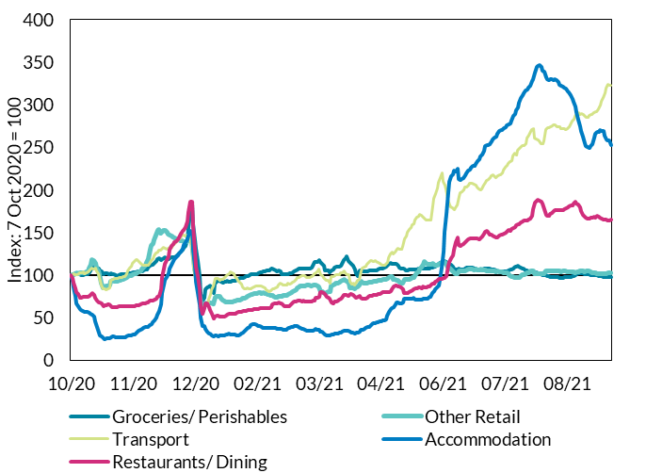
2020-10-09 | 101 | 101 | 101 | 85 | 92 | 97 | 98
2020-10-10 | 102 | 102 | 101 | 76 | 84 | 96 | 98
2020-10-11 | 103 | 102 | 101 | 67 | 81 | 96 | 98
2020-10-12 | 102 | 102 | 101 | 63 | 78 | 96 | 97
2020-10-13 | 101 | 102 | 103 | 60 | 74 | 94 | 96
2020-10-14 | 101 | 103 | 103 | 59 | 74 | 93 | 96
2020-10-15 | 100 | 103 | 104 | 58 | 74 | 92 | 95
2020-10-16 | 101 | 103 | 101 | 57 | 75 | 92 | 95
2020-10-17 | 101 | 104 | 102 | 57 | 75 | 92 | 95
2020-10-18 | 101 | 105 | 104 | 57 | 75 | 92 | 96
2020-10-19 | 103 | 108 | 105 | 56 | 75 | 92 | 97
2020-10-20 | 106 | 113 | 107 | 55 | 76 | 93 | 99
2020-10-21 | 109 | 119 | 108 | 54 | 79 | 95 | 103
2020-10-22 | 110 | 117 | 107 | 52 | 77 | 94 | 102
2020-10-23 | 110 | 114 | 109 | 46 | 74 | 95 | 101
2020-10-24 | 109 | 108 | 105 | 39 | 70 | 95 | 99
2020-10-25 | 108 | 105 | 102 | 32 | 68 | 95 | 97
2020-10-26 | 106 | 97 | 92 | 29 | 68 | 88 | 92 | Source: Central Bank of Ireland
2020-10-27 | 104 | 90 | 89 | 28 | 67 | 87 | 89
2020-10-28 | 102 | 85 | 84 | 26 | 64 | 88 | 86
2020-10-29 | 102 | 86 | 84 | 25 | 64 | 91 | 87
2020-10-30 | 102 | 88 | 83 | 26 | 65 | 93 | 89
2020-10-31 | 102 | 88 | 84 | 26 | 66 | 93 | 89
2020-11-01 | 102 | 88 | 86 | 26 | 65 | 94 | 89
2020-11-02 | 102 | 93 | 94 | 27 | 63 | 102 | 94
2020-11-03 | 102 | 94 | 95 | 28 | 62 | 103 | 95
2020-11-04 | 101 | 93 | 96 | 28 | 63 | 102 | 94
2020-11-05 | 100 | 93 | 96 | 27 | 62 | 100 | 93
2020-11-06 | 99 | 92 | 97 | 27 | 63 | 98 | 92
2020-11-07 | 100 | 94 | 97 | 27 | 63 | 97 | 92
2020-11-08 | 101 | 94 | 97 | 27 | 64 | 95 | 92
2020-11-09 | 101 | 95 | 97 | 27 | 64 | 95 | 92
2020-11-10 | 101 | 95 | 98 | 27 | 64 | 93 | 91
2020-11-11 | 101 | 96 | 99 | 28 | 63 | 94 | 92
2020-11-12 | 101 | 97 | 102 | 28 | 64 | 93 | 92
2020-11-13 | 102 | 98 | 105 | 29 | 64 | 93 | 92
2020-11-14 | 102 | 99 | 109 | 29 | 63 | 93 | 92
2020-11-15 | 103 | 100 | 111 | 29 | 63 | 93 | 93
2020-11-16 | 103 | 101 | 114 | 30 | 64 | 93 | 93
2020-11-17 | 103 | 101 | 116 | 31 | 64 | 92 | 93
2020-11-18 | 104 | 102 | 118 | 32 | 64 | 91 | 93
2020-11-19 | 104 | 102 | 118 | 33 | 65 | 91 | 93
2020-11-20 | 104 | 104 | 116 | 35 | 65 | 90 | 93
2020-11-21 | 105 | 105 | 114 | 36 | 66 | 90 | 94
2020-11-22 | 105 | 107 | 113 | 38 | 66 | 91 | 95
2020-11-23 | 106 | 109 | 111 | 39 | 67 | 92 | 96
2020-11-24 | 106 | 111 | 111 | 39 | 67 | 93 | 97
2020-11-25 | 107 | 114 | 112 | 40 | 67 | 95 | 99
2020-11-26 | 109 | 120 | 112 | 40 | 68 | 98 | 101
2020-11-27 | 111 | 131 | 115 | 41 | 70 | 104 | 107
2020-11-28 | 112 | 135 | 117 | 43 | 70 | 107 | 110
2020-11-29 | 113 | 138 | 120 | 44 | 70 | 108 | 111
2020-11-30 | 114 | 141 | 123 | 46 | 71 | 112 | 114
2020-12-01 | 117 | 147 | 126 | 50 | 73 | 118 | 119
2020-12-02 | 119 | 152 | 127 | 54 | 74 | 120 | 122
2020-12-03 | 120 | 154 | 129 | 58 | 75 | 122 | 124
2020-12-04 | 118 | 149 | 130 | 66 | 84 | 119 | 122
2020-12-05 | 119 | 152 | 132 | 79 | 98 | 118 | 124
2020-12-06 | 119 | 153 | 133 | 89 | 108 | 118 | 125
2020-12-07 | 121 | 153 | 131 | 94 | 113 | 116 | 125
2020-12-08 | 120 | 150 | 131 | 98 | 117 | 113 | 123
2020-12-09 | 119 | 148 | 131 | 102 | 123 | 112 | 122
2020-12-10 | 120 | 147 | 132 | 108 | 130 | 113 | 123
2020-12-11 | 121 | 146 | 133 | 112 | 134 | 113 | 124
2020-12-12 | 121 | 145 | 135 | 116 | 137 | 114 | 124
2020-12-13 | 121 | 144 | 138 | 119 | 139 | 113 | 124
2020-12-14 | 123 | 143 | 139 | 121 | 140 | 114 | 124
2020-12-15 | 124 | 143 | 140 | 123 | 142 | 113 | 124
2020-12-16 | 126 | 142 | 142 | 125 | 145 | 112 | 124
2020-12-17 | 128 | 140 | 144 | 127 | 148 | 111 | 125
2020-12-18 | 130 | 140 | 147 | 131 | 152 | 113 | 126
2020-12-19 | 132 | 139 | 147 | 135 | 153 | 114 | 127
2020-12-20 | 135 | 139 | 146 | 139 | 157 | 114 | 128
2020-12-21 | 142 | 140 | 147 | 142 | 163 | 117 | 132
2020-12-22 | 156 | 142 | 147 | 147 | 174 | 120 | 138
2020-12-23 | 176 | 145 | 145 | 153 | 187 | 122 | 147
2020-12-24 | 182 | 140 | 133 | 151 | 186 | 115 | 144
2020-12-25 | 160 | 120 | 111 | 129 | 158 | 97 | 124
2020-12-26 | 141 | 107 | 100 | 109 | 128 | 91 | 111
2020-12-27 | 131 | 101 | 95 | 93 | 110 | 89 | 104
2020-12-28 | 117 | 89 | 82 | 80 | 99 | 79 | 93
2020-12-29 | 99 | 77 | 71 | 66 | 83 | 68 | 79
2020-12-30 | 78 | 67 | 61 | 50 | 63 | 61 | 66
2020-12-31 | 70 | 64 | 60 | 40 | 55 | 63 | 62
2021-01-01 | 74 | 66 | 63 | 40 | 61 | 66 | 64
2021-01-02 | 83 | 67 | 65 | 37 | 67 | 67 | 67
2021-01-03 | 85 | 66 | 65 | 34 | 66 | 67 | 67
2021-01-04 | 87 | 67 | 71 | 32 | 63 | 75 | 71
2021-01-05 | 88 | 68 | 77 | 31 | 59 | 82 | 73
2021-01-06 | 85 | 67 | 83 | 30 | 55 | 86 | 73
2021-01-07 | 79 | 67 | 87 | 29 | 49 | 89 | 73
2021-01-08 | 90 | 74 | 96 | 29 | 51 | 99 | 82
2021-01-09 | 93 | 75 | 96 | 29 | 52 | 100 | 83
2021-01-10 | 94 | 76 | 96 | 28 | 52 | 100 | 84
2021-01-11 | 94 | 75 | 94 | 29 | 52 | 100 | 83
2021-01-12 | 92 | 73 | 95 | 29 | 51 | 98 | 82
2021-01-13 | 91 | 71 | 95 | 29 | 51 | 95 | 80
2021-01-14 | 92 | 69 | 97 | 29 | 51 | 94 | 80
2021-01-15 | 92 | 68 | 99 | 30 | 52 | 93 | 79
2021-01-16 | 93 | 69 | 101 | 31 | 54 | 93 | 80
2021-01-17 | 93 | 68 | 102 | 31 | 54 | 92 | 79
2021-01-18 | 93 | 68 | 104 | 30 | 55 | 91 | 79
2021-01-19 | 93 | 69 | 102 | 30 | 55 | 91 | 79
2021-01-20 | 93 | 69 | 102 | 30 | 55 | 92 | 80
2021-01-21 | 94 | 70 | 99 | 30 | 55 | 93 | 80
2021-01-22 | 95 | 70 | 96 | 30 | 56 | 94 | 81
2021-01-23 | 96 | 71 | 94 | 30 | 56 | 95 | 82
2021-01-24 | 96 | 71 | 92 | 30 | 57 | 96 | 82
2021-01-25 | 97 | 72 | 89 | 31 | 57 | 98 | 83
2021-01-26 | 97 | 72 | 87 | 33 | 58 | 99 | 84
2021-01-27 | 98 | 73 | 84 | 34 | 58 | 102 | 85
2021-01-28 | 99 | 74 | 84 | 36 | 58 | 105 | 87
2021-01-29 | 99 | 75 | 85 | 38 | 59 | 109 | 89
2021-01-30 | 100 | 76 | 84 | 40 | 59 | 110 | 90
2021-01-31 | 101 | 77 | 84 | 41 | 60 | 112 | 91
2021-02-01 | 101 | 78 | 85 | 42 | 60 | 114 | 92
2021-02-02 | 101 | 78 | 86 | 43 | 60 | 114 | 93
2021-02-03 | 101 | 79 | 87 | 43 | 60 | 113 | 92
2021-02-04 | 102 | 79 | 87 | 41 | 60 | 109 | 91
2021-02-05 | 102 | 79 | 87 | 40 | 60 | 105 | 90
2021-02-06 | 103 | 79 | 87 | 40 | 61 | 103 | 90
2021-02-07 | 104 | 79 | 87 | 39 | 61 | 100 | 89
2021-02-08 | 105 | 79 | 86 | 38 | 62 | 97 | 88
2021-02-09 | 105 | 79 | 85 | 38 | 62 | 94 | 87
2021-02-10 | 106 | 79 | 83 | 38 | 62 | 94 | 86
2021-02-11 | 106 | 78 | 82 | 38 | 62 | 93 | 86
2021-02-12 | 106 | 77 | 81 | 38 | 62 | 91 | 85
2021-02-13 | 108 | 76 | 82 | 38 | 62 | 91 | 85
2021-02-14 | 107 | 76 | 84 | 38 | 65 | 90 | 84
2021-02-15 | 107 | 75 | 84 | 38 | 67 | 90 | 84
2021-02-16 | 106 | 75 | 85 | 38 | 67 | 89 | 84
2021-02-17 | 105 | 74 | 87 | 37 | 67 | 89 | 83
2021-02-18 | 105 | 75 | 89 | 37 | 67 | 89 | 84
2021-02-19 | 104 | 75 | 91 | 37 | 67 | 89 | 84
2021-02-20 | 101 | 76 | 90 | 36 | 67 | 90 | 84
2021-02-21 | 101 | 76 | 88 | 36 | 65 | 91 | 84
2021-02-22 | 101 | 76 | 88 | 36 | 64 | 92 | 84
2021-02-23 | 101 | 77 | 88 | 36 | 63 | 94 | 85
2021-02-24 | 102 | 77 | 90 | 38 | 64 | 96 | 86
2021-02-25 | 102 | 78 | 90 | 39 | 64 | 100 | 88
2021-02-26 | 103 | 80 | 91 | 40 | 66 | 105 | 91
2021-02-27 | 104 | 81 | 92 | 40 | 68 | 106 | 92
2021-02-28 | 105 | 82 | 93 | 40 | 69 | 109 | 94
2021-03-01 | 106 | 83 | 95 | 41 | 69 | 112 | 95
2021-03-02 | 107 | 85 | 97 | 41 | 70 | 113 | 97
2021-03-03 | 107 | 86 | 98 | 39 | 70 | 113 | 98
2021-03-04 | 107 | 87 | 99 | 38 | 70 | 111 | 97
2021-03-05 | 107 | 87 | 99 | 37 | 70 | 106 | 95
2021-03-06 | 108 | 87 | 100 | 37 | 70 | 104 | 95
2021-03-07 | 108 | 88 | 100 | 36 | 69 | 101 | 94
2021-03-08 | 108 | 88 | 98 | 35 | 70 | 97 | 92
2021-03-09 | 108 | 88 | 97 | 34 | 69 | 95 | 91
2021-03-10 | 108 | 88 | 97 | 34 | 69 | 94 | 91
2021-03-11 | 109 | 88 | 98 | 35 | 69 | 94 | 91
2021-03-12 | 111 | 88 | 99 | 35 | 70 | 93 | 91
2021-03-13 | 116 | 89 | 102 | 36 | 70 | 94 | 92
2021-03-14 | 116 | 88 | 103 | 37 | 73 | 94 | 92
2021-03-15 | 115 | 87 | 105 | 36 | 73 | 94 | 92
2021-03-16 | 118 | 86 | 107 | 36 | 75 | 94 | 93
2021-03-17 | 115 | 81 | 100 | 34 | 80 | 88 | 88
2021-03-18 | 113 | 80 | 100 | 33 | 80 | 87 | 88
2021-03-19 | 111 | 79 | 98 | 32 | 79 | 88 | 87
2021-03-20 | 105 | 79 | 95 | 30 | 77 | 86 | 85
2021-03-21 | 105 | 79 | 94 | 29 | 74 | 86 | 85
2021-03-22 | 106 | 80 | 94 | 29 | 74 | 86 | 85
2021-03-23 | 103 | 81 | 91 | 29 | 72 | 85 | 84
2021-03-24 | 105 | 87 | 98 | 30 | 68 | 92 | 89
2021-03-25 | 107 | 88 | 99 | 30 | 67 | 95 | 91
2021-03-26 | 108 | 89 | 99 | 31 | 69 | 98 | 93
2021-03-27 | 110 | 90 | 100 | 31 | 70 | 100 | 94
2021-03-28 | 110 | 91 | 100 | 32 | 70 | 102 | 95
2021-03-29 | 110 | 92 | 101 | 32 | 71 | 103 | 96
2021-03-30 | 112 | 93 | 102 | 33 | 73 | 104 | 97
2021-03-31 | 114 | 94 | 103 | 34 | 74 | 105 | 98
2021-04-01 | 118 | 95 | 105 | 35 | 76 | 107 | 101
2021-04-02 | 120 | 94 | 102 | 35 | 77 | 100 | 98
2021-04-03 | 122 | 93 | 101 | 35 | 77 | 98 | 98
2021-04-04 | 116 | 90 | 100 | 34 | 75 | 97 | 95
2021-04-05 | 114 | 85 | 92 | 33 | 78 | 89 | 91
2021-04-06 | 114 | 85 | 90 | 33 | 78 | 89 | 91
2021-04-07 | 112 | 85 | 90 | 32 | 77 | 88 | 89
2021-04-08 | 106 | 85 | 89 | 31 | 75 | 86 | 87
2021-04-09 | 103 | 86 | 92 | 32 | 74 | 90 | 88
2021-04-10 | 99 | 86 | 94 | 33 | 74 | 91 | 88
2021-04-11 | 105 | 88 | 95 | 34 | 76 | 92 | 90
2021-04-12 | 106 | 93 | 105 | 35 | 73 | 98 | 93
2021-04-13 | 105 | 92 | 109 | 36 | 72 | 98 | 93
2021-04-14 | 104 | 91 | 109 | 37 | 72 | 97 | 92
2021-04-15 | 104 | 91 | 111 | 38 | 72 | 96 | 92
2021-04-16 | 105 | 91 | 113 | 39 | 74 | 96 | 92
2021-04-17 | 105 | 91 | 115 | 40 | 75 | 95 | 92
2021-04-18 | 105 | 92 | 118 | 41 | 76 | 96 | 93
2021-04-19 | 105 | 92 | 117 | 42 | 76 | 97 | 93
2021-04-20 | 106 | 93 | 116 | 43 | 76 | 96 | 93
2021-04-21 | 106 | 93 | 117 | 44 | 77 | 95 | 93
2021-04-22 | 106 | 93 | 116 | 45 | 77 | 95 | 93
2021-04-23 | 106 | 94 | 115 | 45 | 78 | 98 | 94
2021-04-24 | 107 | 94 | 114 | 46 | 78 | 98 | 95
2021-04-25 | 108 | 94 | 113 | 46 | 79 | 98 | 95
2021-04-26 | 108 | 95 | 111 | 46 | 80 | 98 | 95
2021-04-27 | 109 | 95 | 111 | 47 | 80 | 99 | 96
2021-04-28 | 110 | 96 | 113 | 48 | 80 | 102 | 97
2021-04-29 | 111 | 96 | 116 | 52 | 80 | 105 | 99
2021-04-30 | 113 | 98 | 121 | 57 | 80 | 107 | 101
2021-05-01 | 114 | 98 | 124 | 60 | 81 | 110 | 103
2021-05-02 | 113 | 98 | 127 | 62 | 83 | 111 | 103
2021-05-03 | 113 | 95 | 125 | 63 | 86 | 105 | 100
2021-05-04 | 114 | 95 | 128 | 66 | 88 | 105 | 101
2021-05-05 | 113 | 94 | 130 | 68 | 87 | 104 | 100
2021-05-06 | 111 | 94 | 132 | 68 | 87 | 103 | 99
2021-05-07 | 109 | 92 | 131 | 67 | 86 | 100 | 96
2021-05-08 | 107 | 91 | 131 | 67 | 86 | 97 | 95
2021-05-09 | 108 | 91 | 134 | 68 | 83 | 97 | 95
2021-05-10 | 108 | 95 | 143 | 72 | 79 | 104 | 98
2021-05-11 | 106 | 95 | 146 | 72 | 79 | 103 | 98
2021-05-12 | 106 | 95 | 150 | 73 | 79 | 103 | 98
2021-05-13 | 106 | 95 | 153 | 73 | 80 | 103 | 98
2021-05-14 | 107 | 96 | 156 | 72 | 81 | 103 | 98
2021-05-15 | 107 | 97 | 159 | 73 | 82 | 103 | 99
2021-05-16 | 106 | 97 | 161 | 73 | 83 | 102 | 99
2021-05-17 | 107 | 100 | 165 | 71 | 84 | 101 | 99
2021-05-18 | 107 | 102 | 168 | 71 | 85 | 101 | 100
2021-05-19 | 107 | 104 | 170 | 71 | 86 | 101 | 101
2021-05-20 | 107 | 107 | 171 | 71 | 86 | 101 | 101
2021-05-21 | 108 | 109 | 170 | 71 | 85 | 102 | 102
2021-05-22 | 107 | 113 | 168 | 72 | 86 | 102 | 103
2021-05-23 | 108 | 116 | 167 | 72 | 86 | 102 | 104
2021-05-24 | 108 | 114 | 165 | 72 | 86 | 103 | 104
2021-05-25 | 108 | 113 | 165 | 73 | 86 | 105 | 104
2021-05-26 | 108 | 113 | 165 | 74 | 87 | 105 | 104
2021-05-27 | 109 | 113 | 165 | 75 | 88 | 105 | 105
2021-05-28 | 109 | 113 | 182 | 79 | 90 | 108 | 107
2021-05-29 | 111 | 113 | 190 | 81 | 90 | 108 | 107
2021-05-30 | 111 | 111 | 196 | 83 | 93 | 108 | 107
2021-05-31 | 112 | 112 | 202 | 85 | 94 | 109 | 108
2021-06-01 | 113 | 113 | 210 | 88 | 95 | 110 | 110
2021-06-02 | 115 | 113 | 215 | 95 | 95 | 112 | 111
2021-06-03 | 116 | 114 | 220 | 109 | 96 | 112 | 113
2021-06-04 | 117 | 115 | 210 | 128 | 97 | 110 | 112
2021-06-05 | 116 | 115 | 205 | 151 | 97 | 109 | 112
2021-06-06 | 115 | 114 | 201 | 172 | 99 | 109 | 112
2021-06-07 | 114 | 109 | 190 | 197 | 111 | 100 | 108
2021-06-08 | 113 | 108 | 182 | 209 | 116 | 97 | 106
2021-06-09 | 112 | 107 | 181 | 216 | 120 | 94 | 105
2021-06-10 | 110 | 105 | 179 | 218 | 124 | 93 | 104
2021-06-11 | 108 | 103 | 177 | 223 | 130 | 93 | 103
2021-06-12 | 106 | 102 | 179 | 222 | 139 | 92 | 102
2021-06-13 | 106 | 101 | 182 | 225 | 144 | 92 | 102
2021-06-14 | 107 | 105 | 192 | 213 | 135 | 98 | 105
2021-06-15 | 107 | 105 | 197 | 212 | 135 | 99 | 106
2021-06-16 | 107 | 105 | 198 | 213 | 135 | 99 | 106
2021-06-17 | 107 | 105 | 200 | 214 | 137 | 98 | 106
2021-06-18 | 108 | 105 | 203 | 218 | 139 | 97 | 106
2021-06-19 | 109 | 106 | 203 | 220 | 140 | 97 | 107
2021-06-20 | 109 | 107 | 205 | 222 | 143 | 98 | 107
2021-06-21 | 109 | 107 | 208 | 224 | 143 | 98 | 107
2021-06-22 | 109 | 107 | 208 | 227 | 144 | 98 | 107
2021-06-23 | 108 | 107 | 208 | 228 | 144 | 98 | 107
2021-06-24 | 108 | 106 | 206 | 229 | 143 | 99 | 107
2021-06-25 | 108 | 107 | 205 | 231 | 143 | 103 | 109
2021-06-26 | 106 | 106 | 204 | 234 | 143 | 105 | 109
2021-06-27 | 106 | 107 | 202 | 236 | 142 | 106 | 109
2021-06-28 | 106 | 107 | 200 | 240 | 143 | 108 | 110
2021-06-29 | 107 | 107 | 202 | 242 | 145 | 109 | 111
2021-06-30 | 107 | 107 | 205 | 246 | 149 | 112 | 113
2021-07-01 | 108 | 107 | 209 | 252 | 151 | 115 | 114
2021-07-02 | 108 | 105 | 211 | 252 | 152 | 112 | 113
2021-07-03 | 108 | 105 | 212 | 253 | 150 | 112 | 113
2021-07-04 | 107 | 105 | 214 | 253 | 148 | 111 | 112
2021-07-05 | 107 | 105 | 217 | 257 | 148 | 110 | 112
2021-07-06 | 107 | 105 | 217 | 259 | 146 | 110 | 112
2021-07-07 | 106 | 105 | 216 | 261 | 145 | 107 | 111
2021-07-08 | 105 | 104 | 215 | 262 | 144 | 104 | 109
2021-07-09 | 105 | 105 | 217 | 266 | 144 | 103 | 109
2021-07-10 | 104 | 104 | 218 | 269 | 147 | 103 | 109
2021-07-11 | 105 | 104 | 218 | 270 | 147 | 103 | 109
2021-07-12 | 105 | 104 | 220 | 270 | 148 | 102 | 108
2021-07-13 | 104 | 103 | 223 | 272 | 149 | 100 | 108
2021-07-14 | 104 | 103 | 227 | 274 | 150 | 99 | 107
2021-07-15 | 105 | 103 | 229 | 276 | 151 | 98 | 107
2021-07-16 | 106 | 102 | 231 | 277 | 153 | 97 | 107
2021-07-17 | 107 | 100 | 233 | 278 | 152 | 96 | 106
2021-07-18 | 107 | 99 | 235 | 281 | 154 | 95 | 105
2021-07-19 | 108 | 98 | 240 | 287 | 155 | 95 | 106
2021-07-20 | 110 | 98 | 243 | 289 | 157 | 94 | 106
2021-07-21 | 110 | 98 | 242 | 294 | 158 | 93 | 106
2021-07-22 | 111 | 97 | 247 | 298 | 160 | 93 | 106
2021-07-23 | 110 | 98 | 249 | 303 | 160 | 95 | 107
2021-07-24 | 109 | 100 | 251 | 308 | 162 | 97 | 108
...

B.3
Annual rate of deposit growth has moderated, but remains high
Figure 3: Deposits from Households; net flows, and annual rate of change

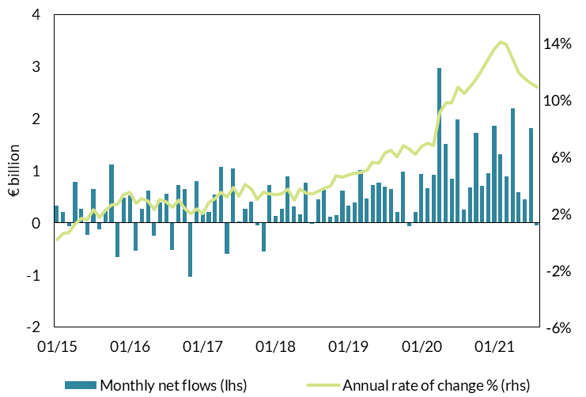
 | Monthly net flows (lhs) | Annual rate of change % (rhs)
2015-01 | 330,936,388 | 0.14
2015-02 | 204,487,544 | 0.59
2015-03 | -59,782,150 | 0.64
2015-04 | 781,653,127 | 1.28
2015-05 | 268,218,031 | 1.66
2015-06 | -225,708,994 | 1.53
2015-07 | 655,355,811 | 2.27
2015-08 | -128,969,473 | 1.70
2015-09 | 258,329,978 | 2.19
2015-10 | 1,115,290,339 | 2.58
2015-11 | -653,149,599 | 2.68
2015-12 | 484,759,277 | 3.31
2016-01 | 523,363,110 | 3.50
2016-02 | -540,748,998 | 2.69
2016-03 | 272,903,852 | 3.05
2016-04 | 624,756,798 | 2.85
2016-05 | -248,639,473 | 2.29
2016-06 | 395,068,884 | 2.96
2016-07 | 558,945,098 | 2.84 | Source: CSO and Central Bank of Ireland
2016-08 | -518,930,561 | 2.43
2016-09 | 730,668,476 | 2.92
2016-10 | 651,612,190 | 2.40
2016-11 | -1,041,514,549 | 2.01
2016-12 | 799,293,055 | 2.33
2017-01 | 203,919,154 | 1.98
2017-02 | 209,038,932 | 2.78
2017-03 | 540,456,233 | 3.05
2017-04 | 1,075,387,963 | 3.50
...

B.4
Household net worth has risen to a new high
Figure 4: Household Net Worth

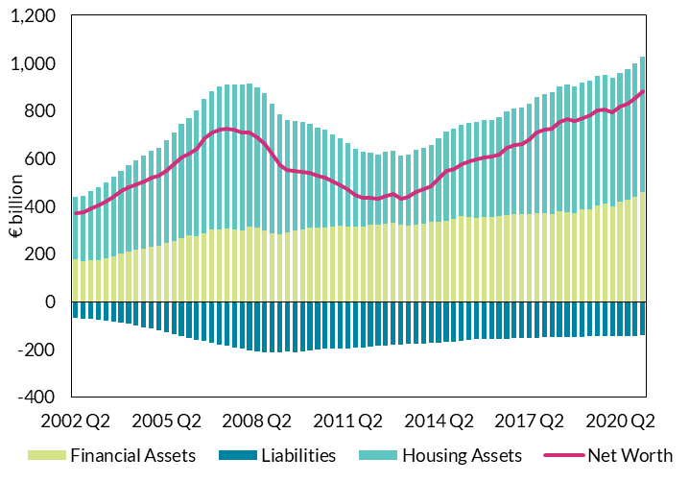
Household Net Worth (€ billion)
 | Financial Assets | Liabilities | Housing Assets | Net Worth
2002 Q2 | 175.5553275 | -67.288628912 | 264.21992734 | 372.48662593
2002 Q3 | 167.74491752 | -70.219886194 | 275.29155111 | 372.81658244
2002 Q4 | 173.2310601 | -72.52757899 | 290.94254701 | 391.64602811
2003 Q1 | 174.86032059 | -74.807455281 | 304.72088335 | 404.77374866
2003 Q2 | 180.7147894 | -78.561539946 | 318.92124843 | 421.07449788
2003 Q3 | 188.55585542 | -83.289678031 | 334.14997825 | 439.41615564
2003 Q4 | 200.65033581 | -87.916594443 | 348.65639456 | 461.39013592
2004 Q1 | 209.86707463 | -93.005239215 | 360.84982837 | 477.71166378
2004 Q2 | 215.99611589 | -99.170283085 | 375.63340231 | 492.45923511
2004 Q3 | 220.99214263 | -106.64149121 | 389.92438005 | 504.27503147
2004 Q4 | 228.87183255 | -112.44637915 | 401.56879683 | 517.99425023
2005 Q1 | 235.15453623 | -118.65860446 | 411.13376391 | 527.62969569
2005 Q2 | 245.51571169 | -126.65945465 | 431.01255994 | 549.86881699
2005 Q3 | 255.6942952 | -135.275566 | 454.95181006 | 575.37053926
2005 Q4 | 265.38725033 | -143.1534632 | 480.76849214 | 603.00227927
2006 Q1 | 276.41490355 | -151.92905872 | 494.187074 | 618.67291883
2006 Q2 | 275.39648234 | -161.66990851 | 527.67506944 | 641.40164327 | Source: Central Bank of Ireland
2006 Q3 | 286.03093483 | -166.08202159 | 563.61525402 | 683.56416726
2006 Q4 | 302.57998193 | -174.22745027 | 580.30866534 | 708.661197
2007 Q1 | 301.4535001 | -181.20040336 | 599.72775604 | 719.98085279
2007 Q2 | 305.14448718 | -186.49137828 | 604.73789526 | 723.39100416
2007 Q3 | 301.34580168 | -191.58906294 | 610.47129649 | 720.22803523
2007 Q4 | 296.95985187 | -197.50461621 | 611.37609007 | 710.83132573
2008 Q1 | 313.0483571 | -204.94076267 | 600.76406831 | 708.87166274
2008 Q2 | 311.23108672 | -207.98623697 | 587.09178106 | 690.3366308
2008 Q3 | 298.37896151 | -211.44317543 | 573.54479161 | 660.48057769
...

B.5
New lending is recovering from early-pandemic lows
Figure 5: New Lending to Households by Purpose

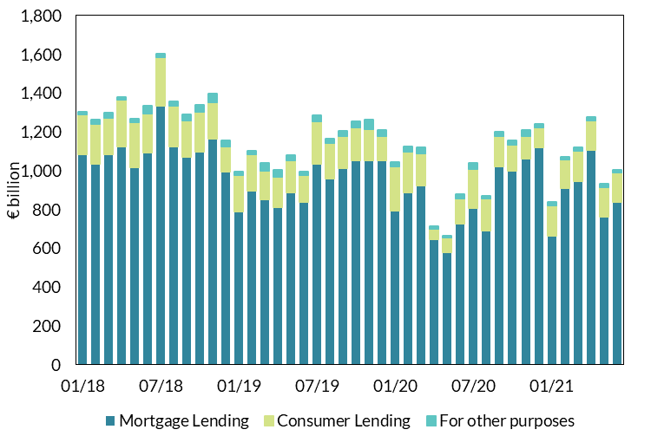
 | Total Household Lending | Mortgage Lending | Consumer Lending | For other purposes
2018-01-01 | 1,302 | 1,085 | 204 | 13
2018-02-01 | 1,262 | 1,036 | 205 | 21
2018-03-01 | 1,299 | 1,086 | 187 | 26
2018-04-01 | 1,380 | 1,125 | 241 | 14
2018-05-01 | 1,269 | 1,018 | 231 | 20
2018-06-01 | 1,337 | 1,094 | 202 | 41
2018-07-01 | 1,605 | 1,336 | 249 | 20
2018-08-01 | 1,358 | 1,126 | 210 | 22
2018-09-01 | 1,291 | 1,073 | 185 | 33
2018-10-01 | 1,338 | 1,100 | 204 | 34
2018-11-01 | 1,396 | 1,166 | 185 | 45
2018-12-01 | 1,155 | 995 | 129 | 31
2019-01-01 | 995 | 788 | 189 | 18
2019-02-01 | 1,102 | 896 | 190 | 16
2019-03-01 | 1,040 | 852 | 150 | 38
2019-04-01 | 1,003 | 811 | 156 | 36
2019-05-01 | 1,080 | 890 | 165 | 25
2019-06-01 | 996 | 839 | 140 | 17
2019-07-01 | 1,287 | 1,037 | 217 | 33 | Source: CSO and Central Bank of Ireland
2019-08-01 | 1,164 | 962 | 181 | 21
2019-09-01 | 1,205 | 1,012 | 169 | 24
2019-10-01 | 1,254 | 1,052 | 173 | 29
2019-11-01 | 1,262 | 1,052 | 163 | 47
2019-12-01 | 1,209 | 1,052 | 128 | 29
2020-01-01 | 1,045 | 795 | 228 | 22
2020-02-01 | 1,126 | 889 | 211 | 26
2020-03-01 | 1,119 | 922 | 167 | 30
2020-04-01 | 714 | 645 | 58 | 11
...

B.6
The net flow of credit to businesses has been subdued
Figure 6: Monthly net flows of NFC loans

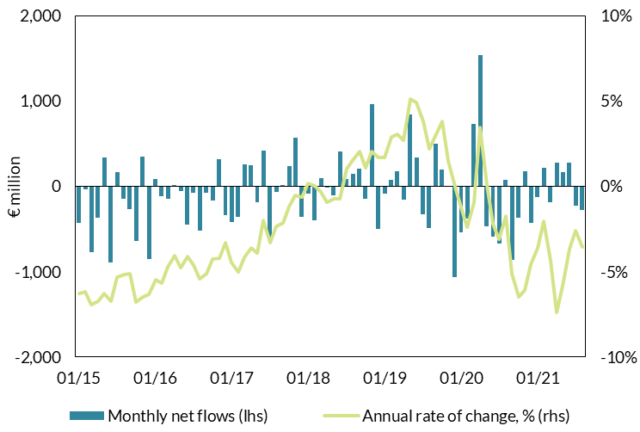
 | Monthly net flows (lhs) | Annual rate of change, % (rhs)
2015-01-01 | (426,547,016) | -6.3
2015-02-01 | (30,403,192) | -6.2
2015-03-01 | (770,455,582) | -6.9
2015-04-01 | (365,195,798) | -6.7
2015-05-01 | 341,558,778 | -6.3
2015-06-01 | (889,053,461) | -6.7
2015-07-01 | 171,490,488 | -5.3
2015-08-01 | (141,646,350) | -5.2
2015-09-01 | (271,059,814) | -5.1
2015-10-01 | (636,128,601) | -6.8
2015-11-01 | 349,880,785 | -6.5
2015-12-01 | (852,191,325) | -6.3
2016-01-01 | 85,772,322 | -5.5
2016-02-01 | (117,599,379) | -5.7
2016-03-01 | (144,831,292) | -4.7
2016-04-01 | 19,354,769 | -4.0
2016-05-01 | (58,157,330) | -4.8
2016-06-01 | (445,860,969) | -4.1 | Source: Central Bank of Ireland
2016-07-01 | (77,103,250) | -4.6
2016-08-01 | (516,329,944) | -5.4
2016-09-01 | (71,200,529) | -5.1
2016-10-01 | (169,493,721) | -4.3
2016-11-01 | 315,572,301 | -4.2
2016-12-01 | (332,621,043) | -3.3
2017-01-01 | (421,259,249) | -4.5
2017-02-01 | (359,231,601) | -5.0
2017-03-01 | 258,736,176 | -4.1
...

C.1
Widening Gap between GDP and Modified National Income of Irish Residents (GNI*)
Figure 1: GDP, GNP and GNI*, Current Prices

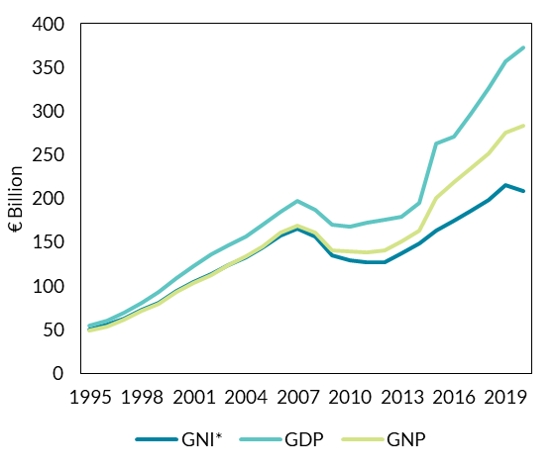
 | GNI* | GDP | GNP
1995 | 50.116 | 54.759 | 48.811
1996 | 55.327 | 60.148 | 53.612
1997 | 62.783 | 69.401 | 61.361
1998 | 72.255 | 80.431 | 70.88
1999 | 80.717 | 92.791 | 79.512
2000 | 94.223 | 108.495 | 93.168
2001 | 103.627 | 122.089 | 102.947
2002 | 112.825 | 135.998 | 112.266
2003 | 123.735 | 145.577 | 123.807
2004 | 132.562 | 156.26 | 133.269
2005 | 144.136 | 170.307 | 145.487
2006 | 157.818 | 184.916 | 160.64
2007 | 165.428 | 197.069 | 168.92
2008 | 156.42 | 187.283 | 160.566
2009 | 134.26 | 169.52 | 140.107
2010 | 128.59 | 167.363 | 138.906
2011 | 127.2 | 171.683 | 137.896 | Source: CSO
2012 | 126.886 | 175.513 | 140.168
2013 | 136.701 | 179.411 | 150.126
2014 | 148.844 | 194.934 | 163.526
2015 | 162.605 | 262.8 | 200.757
2016 | 174.776 | 270.058 | 218.976
2017 | 185.125 | 296.925 | 234.674
2018 | 197.82 | 326.043 | 251.388
2019 | 215.555 | 356.526 | 275.574
2020 | 208.178 | 372.869 | 282.633

C.2
Widening Gap between GDP and Modified National Income of Irish Residents (GNI*)
Figure 2: GDP and GNI* (Constant Price Growth)
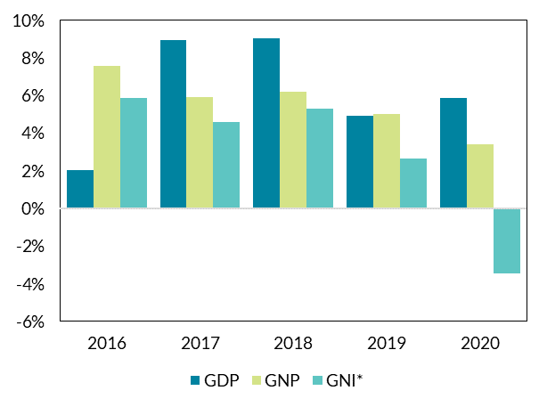
 | GDP | GNP | GNI*
2016 | 0.020423012448 | 0.075784627167 | 0.058588977497
2017 | 0.089400061518 | 0.059270282092 | 0.046102676557
2018 | 0.09029976931 | 0.062075163862 | 0.053203012948
2019 | 0.04917058299 | 0.050445986125 | 0.026379068162
2020 | 0.058671737826 | 0.034005385123 | -0.034594419058

 |  |  |  | Source: CSO

C.3
Value of Goods Exports Manufactured in Ireland Significantly Lower than Value of Exports Reported in the National Accounts
Figure 3: Goods Exports in the CSO National Accounts and Merchandise Trade Statistics

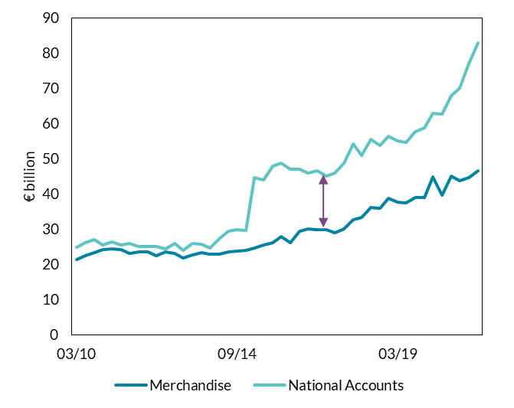
 | Merchandise | National Accounts
1995-03-31 | 8626.1924474 | 8503
1995-06-30 | 8739.3037726 | 8848
1995-09-30 | 9176.4465849 | 9198
1995-12-31 | 9870.8231191 | 9427
1996-03-31 | 9795.5291991 | 9477
1996-06-30 | 9727.8426486 | 9876
1996-09-30 | 9867.8751445 | 10282
1996-12-31 | 10240.223982 | 10494
1997-03-31 | 10789.657971 | 11080
1997-06-30 | 11246.17993 | 11569
1997-09-30 | 11362.270981 | 12074
1997-12-31 | 12110.005634 | 12241
1998-03-31 | 13285.084903 | 13050
1998-06-30 | 13994.55017 | 13389
1998-09-30 | 14478.551987 | 13622
1998-12-31 | 15070.608398 | 14336
1999-03-31 | 14748.314439 | 14469
1999-06-30 | 15763.099894 | 15082
1999-09-30 | 16870.939124 | 15861
1999-12-31 | 17552.22379 | 16503 | Source: CSO
2000-03-31 | 17089.101778 | 16731
2000-06-30 | 18520.498986 | 17750
2000-09-30 | 19570.761539 | 18617
2000-12-31 | 21448.91946 | 19545
2001-03-31 | 22013.193263 | 21285
2001-06-30 | 20774.59866 | 19861
2001-09-30 | 22202.711594 | 20056
2001-12-31 | 22278.581957 | 20081
2002-03-31 | 24132.053161 | 23459
...

D.1
Rebound in labour demand as restrictions ease across countries
Figure 1: International job posting trends

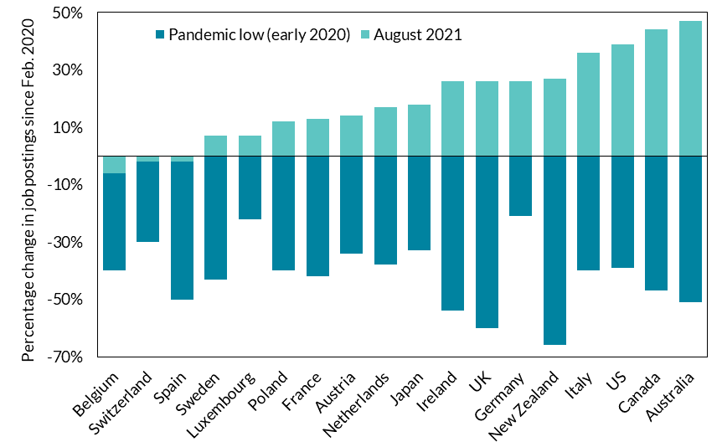
 | Pandemic low (early 2020) | August 2021
Belgium | -40% | -6%
Switzerland | -30% | -2%
Spain | -50% | -2%
Sweden | -43% | 7%
Luxembourg | -22% | 7%
Poland | -40% | 12%
France | -42% | 13%
Austria | -34% | 14%
Netherlands | -38% | 17%
Japan | -33% | 18%
Ireland | -54% | 26%
UK | -60% | 26%
Germany | -21% | 26%
New Zealand | -66% | 27%
Italy | -40% | 36%
US | -39% | 39%
Canada | -47% | 44%
Australia | -51% | 47%
 |  |  | Source: CSO and Central Bank of Ireland

D.2
Uneven recovery: resilient sectors, pandemic sectors and rebounding sectors
Figure 2: Irish job postings growth relative to 1 February 2020 in the 10 sectors with the fastest growth (Feb-August 2021)

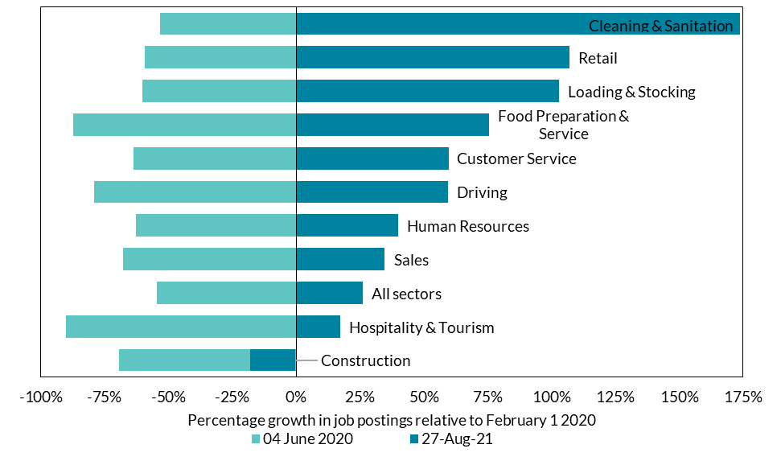
 | 27-Aug-21 | 04 June 2020
Construction | -18 | -69
Hospitality & Tourism | 17 | -90
All sectors | 26 | -54
Sales | 35 | -68
Human Resources | 40 | -63
Driving | 59 | -79
Customer Service | 60 | -64
Food Preparation & Service | 76 | -87
Loading & Stocking | 103 | -60
Retail | 107 | -59
Cleaning & Sanitation | 174 | -53

 |  |  | Source: CSO and Central Bank of Ireland

D.3
Emerging labour supply bottlenecks in some sectors are putting upward pressure on posted wages
Figure 3: Growth in posted wages in job ads

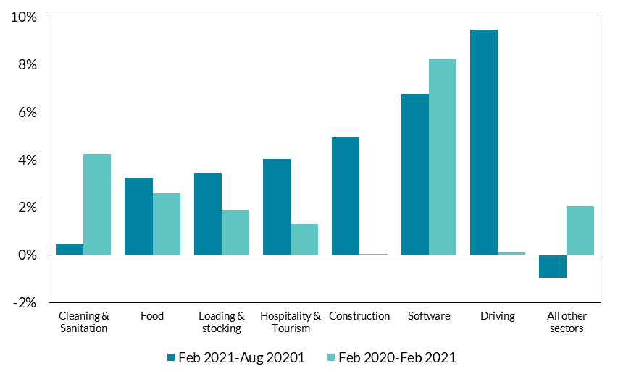
 | Feb 2021-Aug 20201 | Feb 2020-Feb 2021
Cleaning & Sanitation | 0.4% | 4.2%
Food | 3.2% | 2.6%
Loading & stocking | 3.4% | 1.9%
Hospitality & Tourism | 4.0% | 1.3%
Construction | 4.9% | 0.0%
Software | 6.8% | 8.2%
Driving | 9.5% | 0.1%
All other sectors | -1.0% | 2.0%

 |  |  | Source: Indeed.
 |  |  | Note: Composition of jobs within sector controlled for using granular job titles (see Marinescu & Wolthoff (2020)). Adrjan & Lydon (2021) lists the job titles. The ‘All other sectors’ group accounts for 75 per cent of job ads on Indeed Ireland in July 2021.

E.1
Consumer price inflation has ticked up in recent months as the economy recovers
Figure 1: Harmonised Index of Consumer Prices

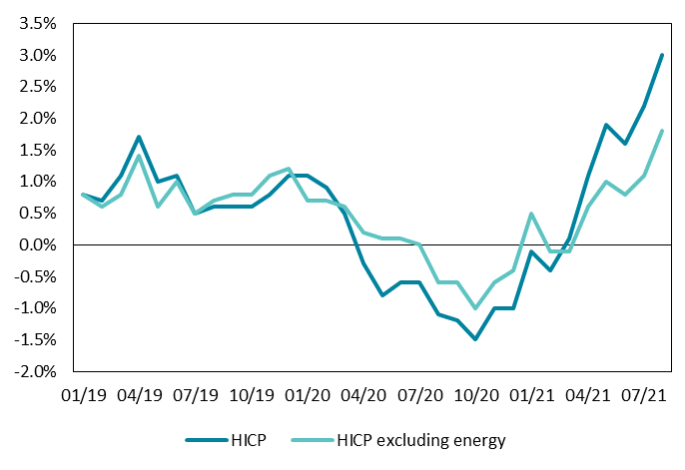
 | HICP | HICP excluding energy
Jan-19 | 0.8 | 0.8
Feb-19 | 0.7 | 0.6
Mar-19 | 1.1 | 0.8
Apr-19 | 1.7 | 1.4
May-19 | 1 | 0.6
Jun-19 | 1.1 | 1
Jul-19 | 0.5 | 0.5
Aug-19 | 0.6 | 0.7
Sep-19 | 0.6 | 0.8
Oct-19 | 0.6 | 0.8
Nov-19 | 0.8 | 1.1
Dec-19 | 1.1 | 1.2
Jan-20 | 1.1 | 0.7
Feb-20 | 0.9 | 0.7
Mar-20 | 0.5 | 0.6
Apr-20 | -0.3 | 0.2
May-20 | -0.8 | 0.1 | Source: Eurostat
Jun-20 | -0.6 | 0.1
Jul-20 | -0.6 | 0
Aug-20 | -1.1 | -0.6
Sep-20 | -1.2 | -0.6
Oct-20 | -1.5 | -1
Nov-20 | -1 | -0.6
Dec-20 | -1 | -0.4
Jan-21 | -0.1 | 0.5
Feb-21 | -0.4 | -0.1
...

E.2
Energy prices have been a major factor, global oil prices are a leading indicator
Figure 2: HICP Energy and Oil Price

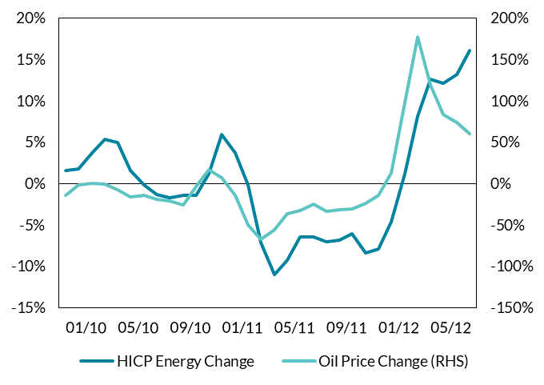
 | Energy Y-o-Y | Oil Y-o-Y BC
2010-01-31 | 8.7% | 70%
2010-02-28 | 6.3% | 72%
2010-03-31 | 9.1% | 69%
2010-04-30 | 9.1% | 67%
2010-05-31 | 13.6% | 32%
2010-06-30 | 9.5% | 9%
2010-07-31 | 9.9% | 15%
2010-08-31 | 8.0% | 6%
2010-09-30 | 8.0% | 15%
2010-10-31 | 10.8% | 13%
2010-11-30 | 8.3% | 11%
2010-12-31 | 13.8% | 23%
2011-01-31 | 11.6% | 26%
2011-02-28 | 13.8% | 40%
2011-03-31 | 14.7% | 44%
2011-04-30 | 12.5% | 45%
2011-05-31 | 10.6% | 50% | Source: Eurostat
2011-06-30 | 10.5% | 52%
2011-07-31 | 10.0% | 56%
2011-08-31 | 11.6% | 44%
2011-09-30 | 12.5% | 43%
2011-10-31 | 13.5% | 32%
2011-11-30 | 13.7% | 29%
2011-12-31 | 8.9% | 18%
2012-01-31 | 9.8% | 15%
2012-02-29 | 10.1% | 15%
...

E.4
...
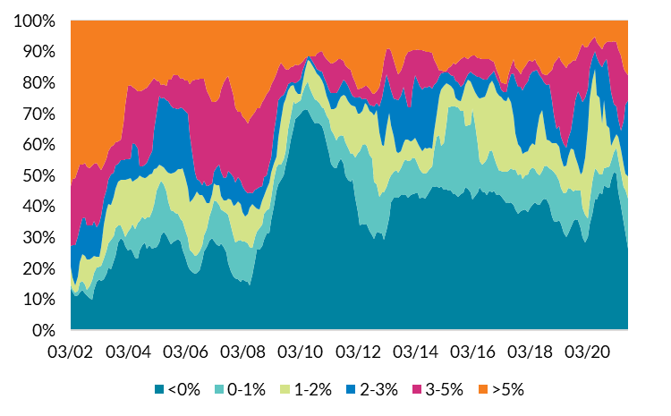
<0% | 0-1% | 1-2% | 2-3% | 3-5% | >5%
13.496666667 | 1.13 | 5.735 | 6.7953333333 | 19.321333333 | 53.516666667
12.375333333 | 1.0393333333 | 3.6926666667 | 10.401 | 21.300666667 | 51.186
10.910333333 | 1.288 | 2.3423333333 | 12.990333333 | 21.631333333 | 50.832666667
11.388666667 | 1.342 | 4.5803333333 | 12.978 | 21.338666667 | 48.367333333
12.033333333 | 3.206 | 6.6233333333 | 11.13 | 20.446 | 46.556333333
12.898666667 | 2.948 | 8.5666666667 | 11.824666667 | 17.295666667 | 46.461333333
11.83 | 2.882 | 9.2906666667 | 12.412666667 | 17.504333333 | 46.075333333
11.137333333 | 1.9286666667 | 9.6983333333 | 11.1 | 18.906666667 | 47.224
10.521333333 | 3.5376666667 | 8.6953333333 | 10.908333333 | 18.764 | 47.568333333
9.8876666667 | 6.223 | 7.1986666667 | 10.51 | 19.386666667 | 46.789
12.873666667 | 5.6386666667 | 5.408 | 11.224666667 | 18.530666667 | 46.320666667
15.628333333 | 4.495 | 3.48 | 9.721 | 20.600666667 | 46.072666667
16.562 | 4.068 | 3.16 | 10.765333333 | 17.938666667 | 47.505
15.814666667 | 4.936 | 6.1476666667 | 9.9716666667 | 14.885 | 48.244
16.475666667 | 6.6786666667 | 10.937333333 | 8.422 | 10.826333333 | 46.659
18.204 | 7.5333333333 | 12.853 | 6.835 | 9.937 | 44.636666667
20.338666667 | 7.703 | 12.818 | 7.676 | 9.287 | 42.176333333 | Source: CSO and Central Bank of Ireland calculations
19.632333333 | 9.543 | 11.168 | 9.7833333333 | 8.998 | 40.874333333
22.205333333 | 8.2546666667 | 12.536666667 | 7.9453333333 | 8.9653333333 | 40.091666667
24.06 | 8.7556666667 | 12.878666667 | 7.354 | 7.6853333333 | 39.265333333
28.24 | 5.5983333333 | 14.061 | 5.8553333333 | 7.1903333333 | 39.054
29.806 | 3.9563333333 | 14.877 | 6.202 | 6.605 | 38.552666667
28.858333333 | 2.956 | 16.622333333 | 6.4446666667 | 12.262333333 | 32.854333333
27.047666667 | 3.1193333333 | 18.471 | 6.4513333333 | 17.801 | 27.106666667
25.752 | 5.9336666667 | 17.272333333 | 6.195 | 23.701333333 | 21.141666667
26.159 | 6.783 | 16.076 | 6.5523333333 | 23.683333333 | 20.742333333
...

E.5
Energy prices have contributed strongly to HICP inflation this year
Figure 5: Energy Contribution to overall HICP

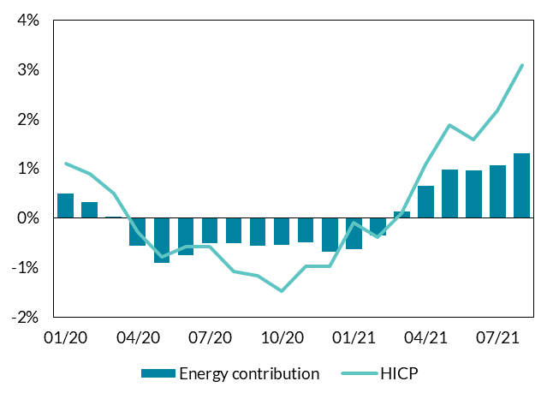
 | Energy contribution | HICP
Jan-20 | 0.5 | 1.1
Feb-20 | 0.3 | 0.9
Mar-20 | 0.0 | 0.5
Apr-20 | -0.6 | -0.3
May-20 | -0.9 | -0.8
Jun-20 | -0.8 | -0.6
Jul-20 | -0.5 | -0.6
Aug-20 | -0.5 | -1.1
Sep-20 | -0.6 | -1.2
Oct-20 | -0.6 | -1.5
Nov-20 | -0.5 | -1.0
Dec-20 | -0.7 | -1.0
Jan-21 | -0.6 | -0.1
Feb-21 | -0.4 | -0.4
Mar-21 | 0.1 | 0.1
Apr-21 | 0.7 | 1.1 | Source: CSO and Central Bank of Ireland
May-21 | 1.0 | 1.9
Jun-21 | 1.0 | 1.6
Jul-21 | 1.1 | 2.2
Aug-21 | 1.3 | 3.1

E.6
The atypical sales/discounting pattern in 2020 is generating base effects in the annual inflation rates of clothing and footwear
Figure 6: Monthly inflation rate in clothing and footwear over the last four years

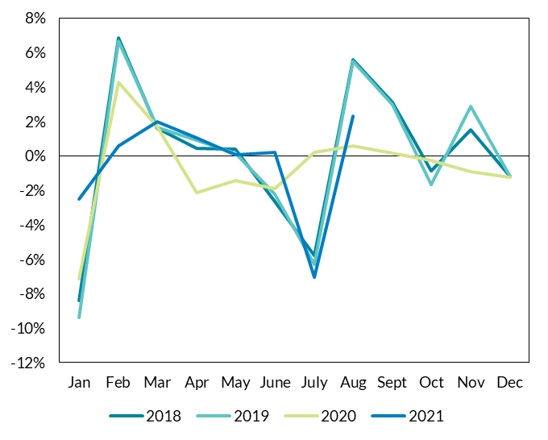
 | 2018 | 2019 | 2020 | 2021
Jan | -8.4% | -9.4% | -7.2% | -2.5%
Feb | 6.9% | 6.7% | 4.3% | 0.6%
Mar | 1.6% | 1.6% | 1.7% | 2.0%
Apr | 0.5% | 0.9% | -2.1% | 1.0%
May | 0.4% | 0.2% | -1.4% | 0.1%
June | -2.6% | -2.2% | -1.9% | 0.2%
July | -5.8% | -6.3% | 0.2% | -7.0%
Aug | 5.6% | 5.5% | 0.6% | 2.3%
Sept | 3.1% | 3.0% | 0.1%
Oct | -0.9% | -1.7% | -0.2%
Nov | 1.5% | 2.9% | -0.9%
Dec | -1.2% | -1.2% | -1.3%

 |  |  |  |  | Source: CSO and Central Bank of Ireland

F.1
Maturity profile of Irish Government debt has been extended
Figure 1: Maturity profile of Irish government debt
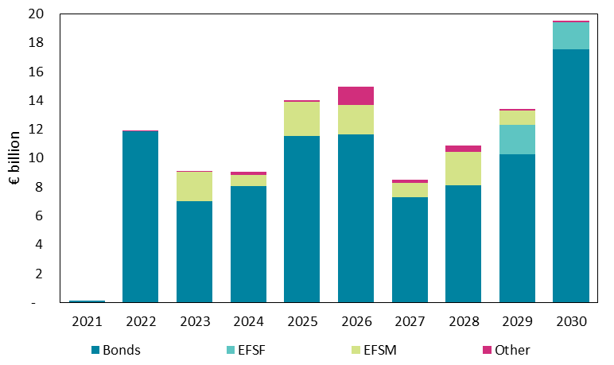
 | Bonds | EFSF | EFSM | Other | Total
2021 | 106 | - | - | - | 106
2022 | 11,846 | - | - | 3 | 11,849
2023 | 7,025 | - | 2,000 | 3 | 9,028
2024 | 8,051 | - | 800 | 220 | 9,071
2025 | 11,512 | - | 2,400 | 103 | 14,015
2026 | 11,662 | - | 2,000 | 1,276 | 14,937
2027 | 7,275 | - | 1,000 | 203 | 8,478
2028 | 8,113 | - | 2,300 | 453 | 10,865
2029 | 10,245 | 2,070 | 1,000 | 83 | 13,397
2030 | 17,514 | 1,900 | - | 108 | 19,522

 |  |  |  |  |  | Source: NTMA

F.2
Expected debt servicing costs have persistently declined
Figure 2: Government interest expenditure forecast

 | 2014 | 2015 | 2016 | 2017 | 2018 | 2019 | 2020 | 2021 | 2022 | 2023 | 2024 | 2025
SPU 2015 | 7,500 | 6,860 | 6,750 | 6,890 | 6,950 | 6,890 | 6,680
SPU 2016 |  | 6,745 | 6,290 | 6,290 | 6,145 | 5,980 | 5,815 | 5,440
SPU 2017 |  |  | 6,180 | 6,025 | 5,955 | 5,840 | 5,595 | 5,265
SPU 2018 |  |  |  | 5,811 | 5,346 | 5,225 | 5,075 | 4,896
SPU 2019 |  |  |  |  | 5,231 | 4,759 | 4,324 | 4,106 | 4,367 | 4,609
SPU 2020 |  |  |  |  |  | 4,460 | 3,950 | 3,755
SPU 2021 |  |  |  |  |  |  | 3,685 | 3,360 | 3665 | 3830 | 3795 | 3445
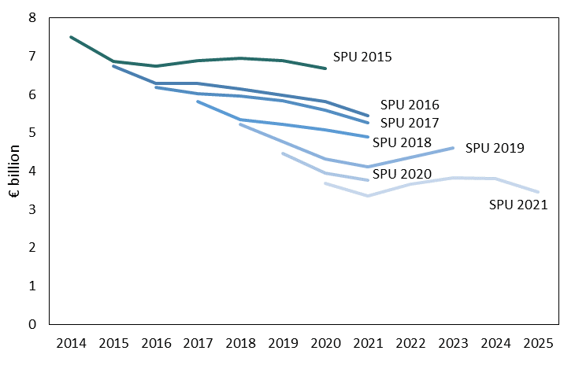

 | Source: DoF SPUs 2015 to 2021

F.3
Eurosystem purchases of Irish Government debt have increased since the onset of the pandemic
Figure 3: Eurosystem net cumulative purchases of Irish Govt. debt under PSPP and PEPP

 | 2015-03-31 | 2015-04-30 | 2015-05-31 | 2015-06-30 | 2015-07-31 | 2015-08-31 | 2015-09-30 | 2015-10-30 | 2015-11-30 | 2015-12-31 | 2016-01-31 | 2016-02-29 | 2016-03-31
PSPP |  | 1,457 | 2,232 | 3,016 | 3,787 | 4,426 | 5,250 | 6,059 | 6,899 | 7,583 | 8,365 | 9,168 | 9,976
PEPP
10 year bond yield (RHS) |  | 0.73 | 1.25 | 1.65 | 1.47 | 1.29 | 1.31 | 1.14 | 1.1 | 1.11 | 1.05 | 0.99 | 0.85
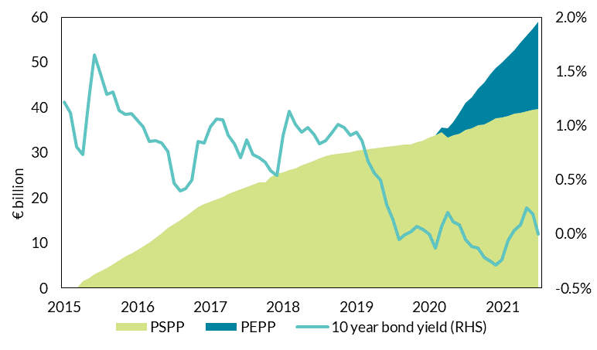

 | Source: ECB, FRED

