Chart 40
SME turnover levels are recovering

Chart Title: Net share of SMEs reporting increased turnover by sector
Source: Department of Finance Credit Demand Survey
Notes: The share of SMEs reporting a rise in turnover in the previous six months minus the share of SMEs reporting a decline in turnover in the previous six months by sector.

 | Agriculture | Manufacturing | Construction | Wholesale/Retail | Hotels/Rest. | Business/Admin.
Sep-13 | 19.5 | 21.4 | 14.6 | -8.5 | 26.6 | 1.7
Mar-14 | -5.7 | 16.7 | 4.4 | 12.6 | 4.7 | 11.6 | per cent | per cent
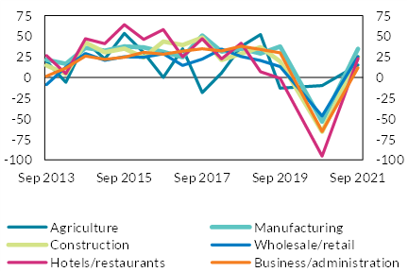
Sep-14 | 43.5 | 36.1 | 42.6 | 29.2 | 47.1 | 26.1
Mar-15 | 22.5 | 32.5 | 30.6 | 20.8 | 41.1 | 21.9
Sep-15 | 53.6 | 37.5 | 35.1 | 25.1 | 64.0 | 24.6
Mar-16 | 30.3 | 36.7 | 24.3 | 24.5 | 46.2 | 30.7
Sep-16 | 0.1 | 31.1 | 43.8 | 28.7 | 58.2 | 28.3
Mar-17 | 34.9 | 24.7 | 39.3 | 14.7 | 25.3 | 32.1
Sep-17 | -18.2 | 51.0 | 48.4 | 22.2 | 47.0 | 35.0
Mar-18 | 5.7 | 31.4 | 21.2 | 34.7 | 22.7 | 32.3
Sep-18 | 37.6 | 34.8 | 28.9 | 25.5 | 41.8 | 38.0
Mar-19 | 52.3 | 29.3 | 36.9 | 20.5 | 7.0 | 34.0
Sep-19 | -12.8 | 37.6 | 19.5 | 13.4 | -0.8 | 30.1
Oct-20 | -9.8 | -53.4 | -65.6 | -46.7 | -95.3 | -65.5
Sep-21 | 15.4 | 34.8 | 24.8 | 25.5 | 22.9 | 11.8

Chart 41
SME profitability has also been improving

Chart Title: Net share of SMEs reporting profitability by sector
Source: Department of Finance Credit Demand Survey
Notes: The share of SMEs reporting profitability over the previous six months minus the share of SMEs reporting loss-making over the previous six months by sector.

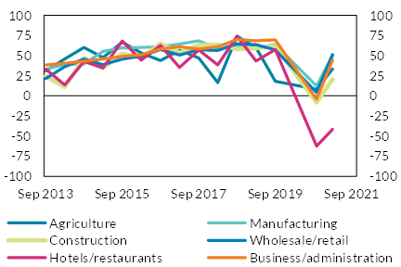
 | Agriculture | Manufacturing | Construction | Wholesale/Retail | Hotels/Rest. | Business/Admin.
Sep-13 | 31.1 | 33.0 | 24.4 | 21.5 | 33.3 | 38.3 | per cent | per cent
Mar-14 | 45.9 | 38.9 | 11.0 | 36.2 | 13.6 | 40.6
Sep-14 | 60.1 | 39.6 | 46.9 | 45.9 | 42.7 | 42.9
Mar-15 | 47.5 | 55.3 | 34.7 | 38.7 | 34.8 | 45.7
Sep-15 | 66.8 | 59.7 | 52.5 | 45.6 | 68.3 | 49.0
Mar-16 | 53.2 | 60.2 | 47.3 | 49.4 | 44.4 | 51.1
Sep-16 | 43.9 | 61.0 | 64.7 | 57.6 | 62.8 | 58.1
Mar-17 | 56.6 | 64.5 | 53.5 | 50.7 | 35.2 | 61.1
Sep-17 | 46.9 | 68.3 | 63.1 | 57.2 | 56.9 | 58.1
Mar-18 | 16.3 | 58.3 | 63.7 | 56.4 | 38.5 | 61.0
Sep-18 | 74.2 | 62.2 | 58.3 | 64.9 | 74.1 | 70.3
Mar-19 | 60.0 | 59.1 | 59.4 | 63.6 | 43.3 | 68.5
Sep-19 | 18.2 | 63.9 | 61.6 | 57.0 | 57.5 | 69.6
Oct-20 | 8.1 | 12.0 | -8.1 | 4.2 | -62.5 | -4.4
Mar-21 | 33.2 | 50.4 | 20.6 | 51.2 | -41.5 | 44.4
Sep-21 | 37.8 | 45.5 | 38.3 | 58.0 | -15.7 | 49.2

Chart 42
Inflation is presenting new challenges for firm profitability

Chart Title: Average gross profit rate realised in 2021 and under hypothetical inflation shocked scenario by sector
Source: Department of Finance Credit Demand Survey and CSO
Notes: Average gross profit to turnover realised by SMEs in 2021 and adjusted for 30 per cent energy, 30 per cent purchases, 2.3 per cent wage cost inflation (consistent with the Central Bank’s Quarterly Bulletin forecast), and a 2 per cent turnover increase by sector.

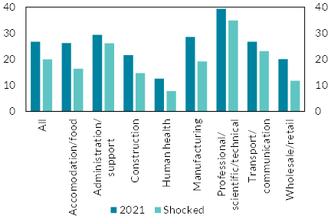
 | 2021 | Shocked
All | 26.7 | 19.3 | per cent | per cent
Accom./Food | 26.1 | 16.3
Admin./Support | 29.3 | 25.0
Construction | 21.5 | 13.4
Human Health | 12.5 | 6.4
Manufacturing | 28.5 | 18.2
Prof./Sci./Tech. | 39.3 | 33.9
Trans./Comm. | 26.7 | 21.7
Whol./Retail | 20.0 | 11.0

Chart 43
SME leverage has held steady through the pandemic

Chart Title: Net share of SMEs reporting increased leverage
Source: ECB SAFE
Notes: The share of SMEs reporting an increase in their debt-to-assets ratio in the previous six months minus the share of SMEs reporting a decrease.

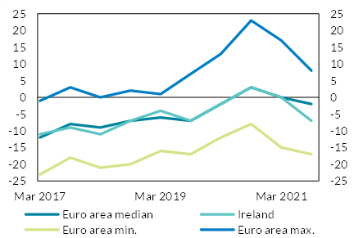
 | EA median | IE | EA min. | EA max. | per cent | per cent
Mar-17 | -12.0 | -11.0 | -23.0 | -1.0
Sep-17 | -8.0 | -9.0 | -18.0 | 3.0
Mar-18 | -9.0 | -11.0 | -21.0 | 0.0
Sep-18 | -7.0 | -7.0 | -20.0 | 2.0
Mar-19 | -6.0 | -4.0 | -16.0 | 1.0
Sep-19 | -7.0 | -7.0 | -17.0 | 7.0
Mar-20 | -2.0 | -2.0 | -12.0 | 13.0
Sep-20 | 3.0 | 3.0 | -8.0 | 23.0
Mar-21 | 0.0 | 0.0 | -15.0 | 17.0
Sep-21 | -2.0 | -7.0 | -17.0 | 8.0

Chart 44
SMEs continued to defer liabilities into autumn 2021, albeit at a lower rate

Chart Title: The share of SMEs deferring liabilities by liability type
Source: Department of Finance Credit Demand Survey
Notes: The share of SMEs reporting that they deferred liabilities during the previous six months by liability type.

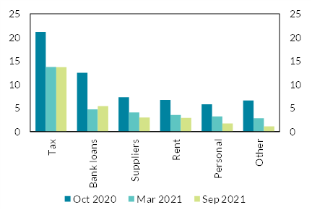
 | Oct-2020 | Mar-2021 | Sep-2021 | per cent | per cent
Tax | 21.1 | 13.7 | 13.6
Bank loans | 12.5 | 4.7 | 5.4
Suppliers | 7.3 | 4.1 | 3.0
Rent | 6.7 | 3.5 | 2.9
Personal | 5.8 | 3.2 | 1.7
Other | 6.6 | 2.8 | 1.1

Chart 46
SME cash holdings remain above pre-pandemic levels

Chart Title: The distribution of SME cash-to-assets
Source: Department of Finance Credit Demand Survey
Notes: The ratio of cash and cash equivalents to total assets in each of three survey waves.

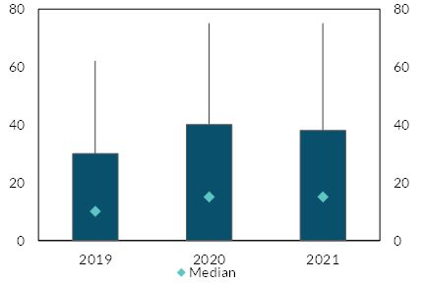
 |  |  |  | per cent | per cent
 | 2019 | 2020 | 2021
P75 | 30.0 | 40.0 | 38.0
P90 | 62.0 | 75.0 | 75.0
P10 | 0.0 | 0.0 | 0.0
P25 | 0.0 | 0.0 | 0.0
Median | 10.0 | 15.0 | 15.0

Chart 47
Up to a fifth of firms in the most-exposed sectors have claimed wage subsidies throughout the pandemic

Chart Title: Share of active companies in receipt of the subsidy by number of claiming periods and sector
Source: Revenue Commissioners and CSO
Notes: The share of active public or private limited companies that received the wage subsidy by sector and number of periods on the subsidy.

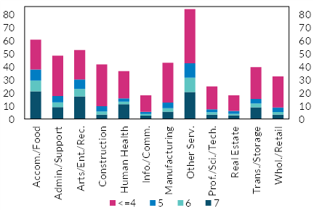
 |  |  |  |  | per cent | per cent
 | 7 | 6 | 5 | <=4
Accom./Food | 21.2 | 8.2 | 8.5 | 22.8
Admin./Support | 9.2 | 3.5 | 4.8 | 30.9
Arts/Ent./Rec. | 17.4 | 5.7 | 7.2 | 22.5
Construction | 3.4 | 2.5 | 4.0 | 32.0
Human Health | 11.3 | 2.1 | 2.5 | 20.8
Info./Comm. | 2.5 | 1.4 | 1.6 | 12.7
Manufacturing | 5.7 | 2.7 | 4.3 | 30.3
Other Serv. | 20.6 | 11.0 | 11.0 | 41.5
Prof./Sci./Tech. | 3.5 | 1.8 | 2.1 | 17.5
Real Estate | 2.9 | 1.1 | 2.3 | 11.9
Trans./Storage | 9.0 | 2.9 | 3.5 | 24.3
Whol./Retail | 3.4 | 2.0 | 3.4 | 23.7

Chart 48
Wage subsidies have accounted for a significant share of wage costs in some sectors

Chart Title: Share of wage costs met by the subsidy by sector
Source: CSO
Notes: The share of wage costs met by the wage subsidy by sector.

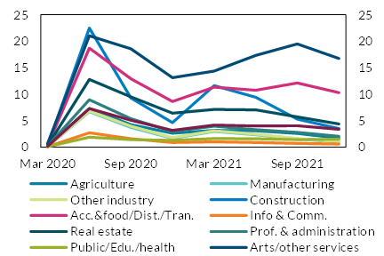
 | Mar-20 | Jun-20 | Sep-20 | Dec-20 | Mar-21 | Jun-21 | Sep-21 | Dec-21 | per cent | per cent
Agriculture | 0.2 | 7.3 | 4.2 | 2.6 | 3.2 | 3.1 | 2.5 | 1.7
Manufacturing | 0.1 | 6.7 | 3.7 | 1.7 | 2.9 | 2.3 | 1.5 | 1.0
Other industry | 0.1 | 6.8 | 3.9 | 1.8 | 3.1 | 2.5 | 1.6 | 1.0
Construction | 0.2 | 22.5 | 9.3 | 4.6 | 11.6 | 9.4 | 5.3 | 3.5
Acc.&Food/Dist./Tran. | 0.3 | 18.7 | 12.9 | 8.6 | 11.3 | 10.7 | 12.1 | 10.3
Info & Comm. | 0.1 | 2.7 | 1.6 | 0.9 | 1.0 | 0.9 | 0.7 | 0.5
Real estate | 0.2 | 12.8 | 9.5 | 6.4 | 7.1 | 7.0 | 5.7 | 4.3
Prof. & Admin. | 0.2 | 9.0 | 5.4 | 2.9 | 3.9 | 3.3 | 2.8 | 2.0
Public/Edu./Health | 0.1 | 1.9 | 1.4 | 1.3 | 1.6 | 1.5 | 1.4 | 1.5
Arts/Other serv. | 0.7 | 21.0 | 18.6 | 13.1 | 14.4 | 17.3 | 19.5 | 16.7
Total | 0.1 | 7.3 | 5.1 | 3.1 | 4.2 | 4.0 | 4.0 | 3.4

Chart 49
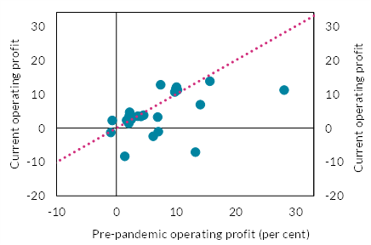
Profitability was resilient for most large corporations during the pandemic

Chart Title: Operating profit margins in pre-pandemic and current periods
Source: Companies’ Registration Office
Notes: Pre-pandemic full-year operating profit-to-turnover ratio versus most recent full-year operating profit-to-turnover ratio for the 25 largest Irish-parent non-redomiciled non-financial corporates.

Data cannot be provided as the Central Bank of Ireland does not have permission to share this information.

 | per cent | per cent

Chart 50
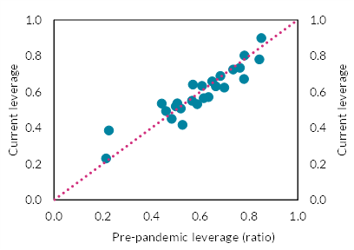
Large corporate leverage held steady

Chart Title: Liabilities-to-assets ratio
Source: Companies’ Registration Office
Notes: Pre-pandemic liabilities-to-assets ratio versus most recent liabilities-to-assets ratio for the 25 largest Irish-parent non-redomiciled non-financial corporates.

Data cannot be provided as the Central Bank of Ireland does not have permission to share this information.

 | ratio | ratio

Chart 51
Insolvencies may rise as government supports cease and payment demands resume

Chart Title: Corporate insolvency rates, indexed to 2019 levels
Source: Companies’ Registration Office and UK Insolvency Service
Notes: The rate of corporate insolvency by jurisdiction, indexed to 2019 levels. IE and UK figures relate to creditors’ voluntary and court-ordered liquidations.

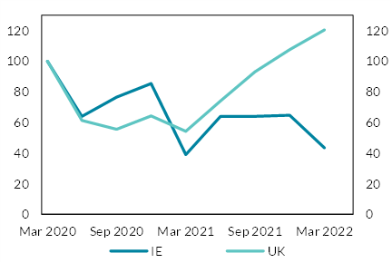
date | IE | UK | per cent | per cent
2020-03-31 | 100.0 | 100.0
2020-06-30 | 64.0 | 61.3
2020-09-30 | 76.5 | 55.5
2020-12-15 | 85.3 | 64.2
2021-03-15 | 39.0 | 54.2
2021-06-15 | 64.0 | 74.0
2021-09-15 | 64.0 | 93.0
2021-12-15 | 64.7 | 107.5
2022-03-15 | 43.4 | 120.3

Chart 52
The cost of living have increased significantly since the pandemic.

Chart Title: Share of household expenditure on energy including transportation
Source: CSO
Notes: Energy and Transport expenditure includes average household expenditure on fuel, light, electricity, operation of personal vehicles and transportation services. Total expenditure is assumed to remain constant. It is possible that households will change their energy use depending on the elasticity of demand for energy and transportation. We simulate two scenarios of estimated energy and transportation related expenditure in 2021 and 2022 using first, elasticity estimates in Labandeira et al. (2017) and then, assuming perfect inelasticity. The perfectly inelastic scenario would serve as an upper bound for increase in expenditure as it would assume no change in the consumption quantity.

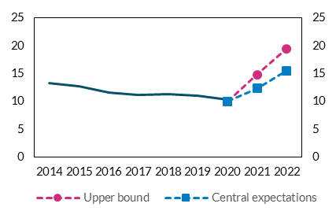
 | Energy/Transport | Housing | Central expectations | Upper bound | per cent | per cent
2014 | 13.23 | 17.99
2015 | 12.74 | 18.92
2016 | 11.62 | 19.30
2017 | 11.16 | 20.12
2018 | 11.36 | 20.76
2019 | 10.95 | 21.25
2020 | 10.30 | 24.56 | 10.00 | 10.00
2021 |  |  | 12.30 | 14.78
2022 |  |  | 15.50 | 19.46

Chart 54
The labour market has recovered from the shock of the pandemic.

Chart Title: The unemployment rate and COVID adjusted rate during the pandemic
Source: CSO
Notes: As the PUP scheme has been closed on 25 February 2022, the COVID-19 Adjusted Measure of Unemployment has ceased in Feb 2022.

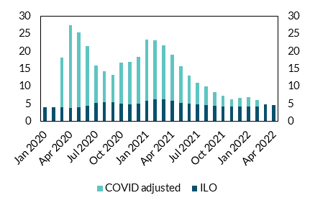
 |  |  | per cent | per cent
 | ILO | COVID adjusted
2020-01-01 | 3.9
2020-02-01 | 3.9
2020-03-01 | 4 | 18.2
2020-04-01 | 3.7 | 27.4
2020-05-01 | 3.9 | 25.4
2020-06-01 | 4.4 | 21.5
2020-07-01 | 5.2 | 16
2020-08-01 | 5.5 | 14.2
2020-09-01 | 5.5 | 13.3
2020-10-01 | 5 | 16.8
2020-11-01 | 4.9 | 17
2020-12-01 | 5.1 | 18.3
2021-01-01 | 5.8 | 23.3
2021-02-01 | 6.2 | 23.2
2021-03-01 | 6.2 | 21.6
2021-04-01 | 5.8 | 19
2021-05-01 | 5.3 | 15.7
2021-06-01 | 5 | 13
2021-07-01 | 4.8 | 11
2021-08-01 | 4.6 | 10
2021-09-01 | 4.4 | 8.3
2021-10-01 | 4.3 | 7.2
2021-11-01 | 4.2 | 6.2
2021-12-01 | 4.1 | 6.6
2022-01-01 | 4.2 | 6.9
2022-02-01 | 4.2 | 6.1
2022-03-01 | 4.8
2022-04-01 | 4.7

Chart 55
Mortgage borrowers’ income has grown robustly as inflation picked up during the pandemic, but inflation has increased even further since.

Chart Title: Mortgage book exposure and accumulative total weekly earnings growth between 2019 Q4 and 2021 Q4
Source: CSO, Earnings and Labour Costs and Central Bank of Ireland
Notes: Pink dash line at 4.7% represents the cumulative HICP inflation rate between 2019 Q4 and 2021 Q4, and teal dash line at 6.7% shows the rate of inflation at 2022 Q1.

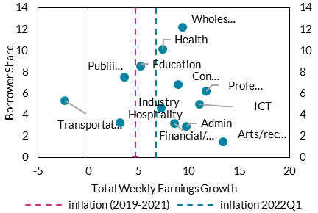
Earning growth | Borrower share | inflation (2019-2021) | inflation 2022Q1 | per cent | per cent
8.9 | 6.8 | 4.7 | 6.7
9.3 | 12.2
-2.4 | 5.3
3.2 | 3.3
11.0 | 5.0
11.7 | 6.2
9.7 | 2.9
3.6 | 7.6
5.2 | 8.6
7.4 | 10.1
7.2 | 4.7
8.5 | 3.2
13.4 | 1.5

Chart 56
Households have been building up a significant liquidity buffer, but saving flows have started slowing down since 2021 Q2.

Chart Title: Household deposits and annualised growth rate
Source: Central Bank of Ireland
Notes: Deposits are the sum of overnight deposits and redeemable at notice.

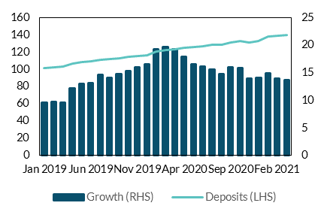
 | Deposits (LHS) | Growth (RHS) | € billion | per cent
2020-01-01 | 100.97 | 9.60
2020-02-01 | 101.81 | 9.73
2020-03-01 | 103.04 | 9.57
2020-04-01 | 106.17 | 12.20
2020-05-01 | 108.09 | 12.99
2020-06-01 | 109.08 | 13.07
2020-07-01 | 111.27 | 14.65
2020-08-01 | 111.65 | 14.06
2020-09-01 | 112.51 | 14.78
2020-10-01 | 114.41 | 15.32
2020-11-01 | 115.19 | 15.95
2020-12-01 | 116.24 | 16.44
2021-01-01 | 120.34 | 19.18
2021-02-01 | 121.82 | 19.66
2021-03-01 | 122.90 | 19.27
2021-04-01 | 125.17 | 17.90
2021-05-01 | 125.91 | 16.49
2021-06-01 | 126.58 | 16.04
2021-07-01 | 128.51 | 15.50
2021-08-01 | 128.10 | 14.72
2021-09-01 | 130.53 | 16.02
2021-10-01 | 132.52 | 15.83
2021-11-01 | 131.29 | 13.98
2021-12-01 | 132.56 | 14.04
2022-01-01 | 138.21 | 14.85
2022-02-01 | 138.74 | 13.89
2022-03-01 | 139.67 | 13.65

Chart 57
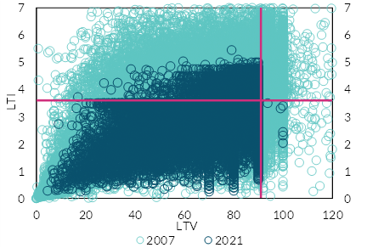
A dramatic fall in loans with LTIs and LTVs relative to the pre-2008 period.

Chart Title: LTI-LTV distribution of new lending in 2007 vs. 2021
Source: Central Bank of Ireland Monitoring Templates Data (MTD) and Loan Level Data (LLD).
Notes: In-Scope (2021) PDH Lending only (2007 and 2021). Pink lines represent 90 LTV and 3.5 LTI mortgage measure limits.

Data cannot be provided as the Central Bank of Ireland does not have permission to share this information.

 | multiples | multiples

Chart 59
Recent price growth means there is an elevated equity cushion against house price falls

Chart Title: Percentage of mortgage borrowers at retail banks in negative equity under different scenarios
Source: Central Bank of Ireland
Notes: Scenario projections are as at 30 June in each year from 2021 to 2023. In each scenario, loans amortise on schedule; however, this plays a relatively small role compared to property price fluctuations. New loans originate each year at 2018 LTVs and volumes.

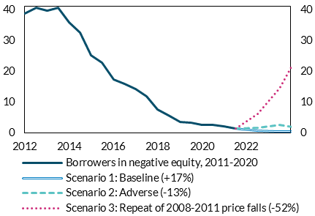
 | Borrowers in negative equity, 2011-2020 | Scenario 1: Baseline (+17%) | Scenario 2: Adverse (-13%) | Scenario 3: Repeat of 2008-2011 price falls (-52%)
2011-12-31 | 38.69 |  |  |  | per cent | per cent
2012-06-30 | 40.58
2012-12-31 | 39.58
2013-06-30 | 40.51
2013-12-31 | 35.90
2014-06-30 | 32.45
2014-12-31 | 25.00
2015-06-30 | 22.77
2015-12-31 | 17.19
2016-06-30 | 15.78
2016-12-31 | 14.05
2017-06-30 | 11.73
2017-12-31 | 7.58
2018-06-30 | 5.50
2018-12-31 | 3.43
2019-06-30 | 3.30
2019-12-31 | 2.45
2020-06-30 | 2.42
2020-12-31 | 1.91
2021-06-30 | 1.28 | 1.28 | 1.28 | 1.28
2022-06-30 |  | 0.69 | 1.64 | 5.98
2023-06-30 |  | 0.47 | 2.42 | 14.31
2024-06-30 |  | 0.35 | 1.38 | 27.69

Chart 60
CET1 capital ratios are well above minimum requirements but are expected to decline in the coming years

Chart Title: CET1 ratios
Source: Central Bank of Ireland
Notes: The chart shows the weighted average CET1 ratio for AIB, BOI and PTSB in addition to the overall capital requirements (Reqs.) and the contribution of the transitional arrangements, where “DTAs” denotes the CET1 adjustment from deferred tax assets and “IFRS9 TAs” denotes the CET1 adjustment due to IFRS9 transitional arrangements.

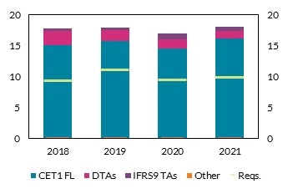
 | 2018 | 2019 | 2020 | 2021 | per cent | per cent
CET1 Ratio (fully loaded) | 15.2 | 15.7 | 14.6 | 16.2
CET1 Ratio (transitional) | 17.8 | 17.9 | 17.1 | 18.1

Chart 61
The leverage ratio and average risk-weight density continue to trend downwards

Chart Title: Leverage ratio and average risk-weighted asset density
Source: Central Bank of Ireland
Notes: The charts shows the weighted average leverage ratio and the average risk-weight density (RWAD) for AIB, BOI and PTSB. RWAD is calculated by dividing total assets by total risk weighted assets.

 | Leverage ratio (lhs) | Average risk-weighted asset RWAD (rhs)
2018Q1 | 9.2 | 50.4
2018Q2 | 9 | 50.4 | per cent | per cent
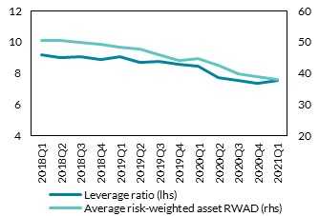
2018Q3 | 9.1 | 49.9
2018Q4 | 8.9 | 49.3
2019Q1 | 9.1 | 48.3
2019Q2 | 8.7 | 47.6
2019Q3 | 8.8 | 45.9
2019Q4 | 8.6 | 44.1
2020Q1 | 8.4 | 44.7
2020Q2 | 7.7 | 42.4
2020Q3 | 7.5 | 39.8
2020Q4 | 7.4 | 39
2021Q1 | 7.5 | 38.1

Chart 62
While improving, commercial loans continue to exhibit heightened levels of risk

Chart Title: IFRS 9 stage shares
Source: Central Bank of Ireland
Notes: The chart shows the share of loans classified as IFRS9 Stage 2 and non-performing. The “Total” bars indicate the relative share of either Stage 2 or non-performing loans as a percentage of all loans subject to impairment. “HH” and “NFC” reflect the relative share of loans classified as either Stage 2 or non-performing as a percentage of all loans advanced to households and NFCs, respectively.

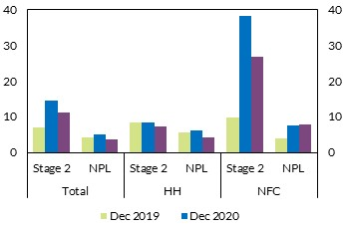
 |  |  | Dec 2019 | Dec 2020 | Dec 2021 | per cent | per cent
 | Total | Stage 2 | 7.1 | 14.5 | 11.1
 |  | NPL | 4.3 | 5.1 | 3.5
 | HH | Stage 2 | 8.4 | 8.3 | 7.2
 |  | NPL | 5.5 | 6.1 | 4.3
 | NFC | Stage 2 | 9.8 | 38.2 | 26.7
 |  | NPL | 4 | 7.6 | 7.7

Chart 63
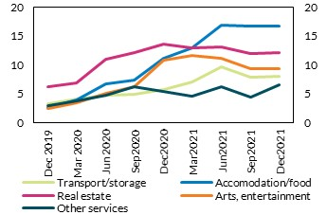
NPL ratios in sectors hardest hit by the pandemic remain elevated

Chart Title: Commercial NPL ratios
Source: Central Bank of Ireland
Notes: The chart shows the NPL ratios among commercial loans by NACE sector. Figures are presented as a weighted average for AIB, BOI and PTSB.

 | Dec 2019 | Mar 2020 | Jun 2020 | Sep2020 | Dec2020 | Mar2021 | Jun2021 | Sep2021 | Dec2021
Con. | 6.6 | 6 | 5.5 | 5.5 | 4.2 | 4.3 | 5.5 | 4.8 | 4.4
W&R | 6 | 6.1 | 7.1 | 7.2 | 6.9 | 5.8 | 5.5 | 5.8 | 6.3
Transport/storage | 3.3 | 4 | 4.7 | 4.8 | 5.7 | 7 | 9.6 | 7.8 | 8
Accomodation/food | 2.6 | 4 | 6.7 | 7.3 | 11 | 12.9 | 16.8 | 16.7 | 16.6
Real estate | 6.1 | 6.8 | 10.9 | 12.1 | 13.6 | 13 | 13 | 11.9 | 12
Arts, entertainment | 2.4 | 3.4 | 5 | 6.2 | 10.7 | 11.6 | 11.1 | 9.3 | 9.4
Other services | 3 | 3.8 | 4.7 | 6.2 | 5.4 | 4.6 | 6.2 | 4.4 | 6.6

 |  |  | per cent |  |  | per cent

Chart 64
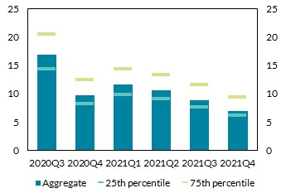
Exposure to companies in receipt of wage subsidies is declining

Chart Title: Retail bank exposure to commercial loans in receipt of wage subsidy schemes
Source: CCR; CRO; Revenue Commissioners
Notes: The chart shows the share of commercial lending in receipt of a wage subsidy scheme. Aggregate is presented as the weighted average among AIB, BOI and ULSB. Loan-level data is sourced from the CCR, while identifiers for wage subsidy companies are obtained using the CRO and Revenue Commissioners.

Data cannot be provided as the Central Bank of Ireland does not have permission to share this information.

 | per cent | per cent

Chart 65
The current risk profile of Stage 2 commercial loans has exhibited high default rates in the past

Chart Title: Annual commercial default rates and new provisioning requirement
Source: Central Bank of Ireland.
Notes: The chart shows the weighted annual default rates for commercial loans over the crisis period (2009Q2 – 2012Q4) and non-crisis period (2007Q4 – 2008Q4; 2013Q2 – 2017Q2). The weighted default rate is computed by first calculating the weighting of each segment of commercial lending (SME, CRE and CORP) by the issuing banks’ own internal rating scale, which, historically, has been a reliable predictor of short-term distress. The historical default ratings are then calculated for each internal rating scale by commercial lending segment. Finally, these default rates are weighted by the share of exposures in each internal ratings scale to arrive at the weighted default rate.

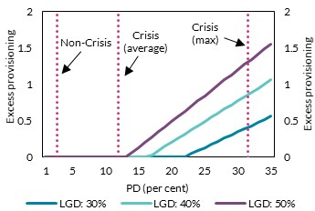
PD | Excess Provisioning (LGD = 30) | Excess Provisioning (LGD = 40) | Excess Provisioning (LGD = 50) | € billion | € billion
1 | 0 | 0 | 0
2 | 0 | 0 | 0
3 | 0 | 0 | 0
4 | 0 | 0 | 0
5 | 0 | 0 | 0
6 | 0 | 0 | 0
7 | 0 | 0 | 0
8 | 0 | 0 | 0
9 | 0 | 0 | 0
10 | 0 | 0 | 0
11 | 0 | 0 | 0
12 | 0 | 0 | 0
13 | 0 | 0 | 0
14 | 0 | 0 | 0.1
15 | 0 | 0 | 0.1
16 | 0 | 0 | 0.2
17 | 0 | 0 | 0.3
18 | 0 | 0.1 | 0.3
19 | 0 | 0.1 | 0.4
20 | 0 | 0.2 | 0.5
21 | 0 | 0.3 | 0.6
22 | 0 | 0.3 | 0.6
23 | 0 | 0.4 | 0.7
24 | 0.1 | 0.4 | 0.8
25 | 0.1 | 0.5 | 0.8
26 | 0.2 | 0.5 | 0.9
27 | 0.2 | 0.6 | 1
28 | 0.3 | 0.7 | 1.1
29 | 0.3 | 0.7 | 1.1
30 | 0.3 | 0.8 | 1.2
31 | 0.4 | 0.8 | 1.3
32 | 0.4 | 0.9 | 1.3
33 | 0.5 | 0.9 | 1.4
34 | 0.5 | 1 | 1.5
35 | 0.6 | 1.1 | 1.6

Chart 66
Profitability has returned to pre-pandemic levels

Chart Title: RoE and pre-impairment profit scaled by total equity
Source: Central Bank of Ireland and BankFocus.
Notes: The chart shows the share of commercial lending in receipt of a wage subsidy scheme. Aggregate is presented as the weighted average among AIB, BOI and ULSB. Loan-level data is sourced from the CCR, while identifiers for wage subsidy companies are obtained using the CRO and Revenue Commissioners.

Data on European banks cannot be provided as the Central Bank of Ireland does not have permission to share this information.

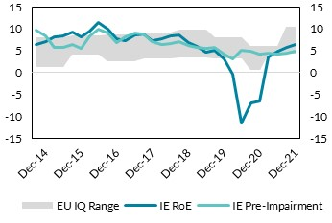
 | IE RoE | IE Pre-Impairment
Jun-14 | 6.3 | 9.6 | per cent | per cent
Sep-14 | 7.1 | 8.3
Dec-14 | 8.1 | 5.8
Mar-15 | 8.4 | 5.6
Jun-15 | 9.3 | 6.4
Sep-15 | 8.1 | 5.6
Dec-15 | 9.5 | 8.3
Mar-16 | 11.4 | 9.9
Jun-16 | 9.9 | 9.1
Sep-16 | 7.6 | 6.9
Dec-16 | 7.3 | 8.2
Mar-17 | 8.5 | 8.9
Jun-17 | 8.8 | 8.8
Sep-17 | 7.3 | 7.1
Dec-17 | 7.7 | 6.3
Mar-18 | 8.3 | 6.7
Jun-18 | 8.5 | 7.1
Sep-18 | 6.8 | 6.2
Dec-18 | 6 | 5.7
Mar-19 | 4.7 | 5.5
Jun-19 | 5 | 5.7
Dec-19 | 3.2 | 4.2
Mar-20 | -0.4 | 3.1
Jun-20 | -11.5 | 5
Sep-20 | -7 | 4.8
Dec-20 | -6.4 | 4.1
Mar-21 | 3.6 | 4.5
Jun-21 | 4.8 | 4.2
Sep-21 | 5.7 | 4.5
Dec-21 | 6.3 | 4.9

Chart 67
Excess liquidity has contributed to a decline in the loan-to-deposit ratio across key asset classes

Chart Title: Loan-to-deposit ratio
Source: Central Bank of Ireland
Notes: The chart shows the trend in the loan-to-deposit ratios in total (Total) for household lending and deposits (Households) and for commercial lending and deposits (Non Financial Corporations) for AIB, BOI and PTSB.

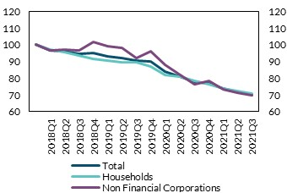
 | Households | Non Financial Corporations | Total | index 2018 = 100 | index 2018 = 100
2018Q1 | 100 | 100 | 100
2018Q2 | 97 | 96.7 | 96.9
2018Q3 | 95.7 | 97.3 | 96.3
2018Q4 | 93.6 | 96.8 | 94.7
2019Q1 | 91.8 | 101.9 | 95
2019Q2 | 90.5 | 99.3 | 93.4
2019Q3 | 89.6 | 98.1 | 92.4
2019Q4 | 89.6 | 92.4 | 90.5
2020Q1 | 87.2 | 96.1 | 90.1
2020Q2 | 82.2 | 88 | 84.1
2020Q3 | 80.8 | 81.8 | 81.2
2020Q4 | 78.7 | 76.2 | 77.8
2021Q1 | 76.2 | 78.7 | 77.1
2021Q2 | 73.8 | 73.5 | 73.7
2021Q3 | 72.4 | 71.5 | 72.1
2021Q4 | 71 | 69.8 | 70.6

Chart 68
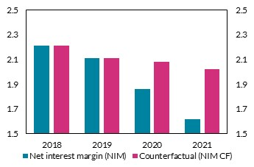
Large holdings of low yielding assets continue to exert pressure on NIMs

Chart Title: Net interest margin
Source: Central Bank of Ireland.
Notes: “NIM” and “NIM CF denote the weighted average net interest margin as reported and under a counter-factual exercise respectively for AIB, BOI and PTSB. The counterfactual exercise conducted in this chart examines the impact on the net interest margin if the sector were to operate in 2020 and 2021 with its 2019 portfolio composition i.e. if relative share of loans to various counterparties were fixed at their 2019 levels.

 | 2018 | 2019 | 2020 | 2021
Counterfactual (NIM CF) | 2.2 | 2.1 | 2.1 | 2
Net interest margin (NIM) | 2.2 | 2.1 | 1.9 | 1.6

 | per cent |  |  | per cent

Chart 69
Cost inefficiencies remain high in a European context

Chart Title: Cost-to-income ratio
Source: Central Bank of Ireland and BankFocus.
Notes: “IE” indicates the weighted average cost-to-income ratio across AIB, BOI and PTSB. “EU Median” is the median cost-to-income ratio across a sample of representative European banks.

Data on European banks cannot be provided as the Central Bank of Ireland does not have permission to share this information.

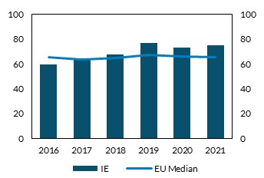
 | IE
2016 | 59.2 | per cent
2017 | 64.4
2018 | 67.8
2019 | 76.5
2020 | 72.8
2021 | 74.8

Chart 70
Large exceptional items have contributed to costs remaining high in recent years

Chart Title: Cost to income decomposition
Source: Central Bank of Ireland and retail banks’ annual reports.
Notes: “Costs CF” denotes expenses after stripping out the impact of exceptional items.

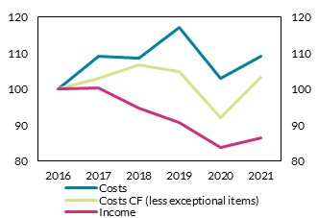
 | Costs | Income
2016 | 100 | 100 | index 2016 = 100 | index 2016 = 100
2017 | 109.1 | 100.4
2018 | 108.6 | 94.8
2019 | 117.1 | 90.6
2020 | 103 | 83.7
2021 | 109.2 | 86.5

Chart 71
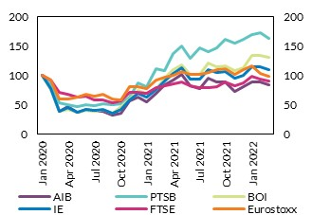
Irish bank equities have outperformed European indices in recent months

Chart Title: Bank equity prices
Source: Bloomberg.
Notes: Equity prices for the Irish banks and European bank indices. “IE” is calculated as a weighted average among AIB, BOI and PTSB according to market capitalisation.

Data cannot be provided as the Central Bank of Ireland does not have permission to share this information.

 | index jan 2020 = 100 | index jan 2020 = 100

Chart 74
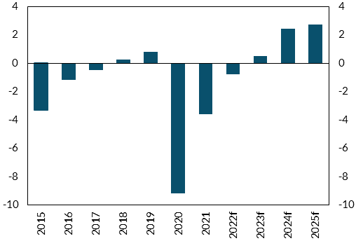
The general government balance is projected to improve steadily

Chart Title: Irish General Government Balance
Source: CSO and Department of Finance
Notes: The General Government Balance describes the total surplus/deficit of all sectors of Government e.g. central and local

 | 2015 | 2016 | 2017 | 2018 | 2019 | 2020 | 2021 | 2022f | 2023f | 2024f | 2025f
GGB to GNI* Ratio | -3.31 | -1.19 | -0.47 | 0.24 | 0.80 | -9.19 | -3.60 | -0.80 | 0.50 | 2.40 | 2.70

 |  | per cent of GNI* |  |  | per cent of GNI*

Chart 75
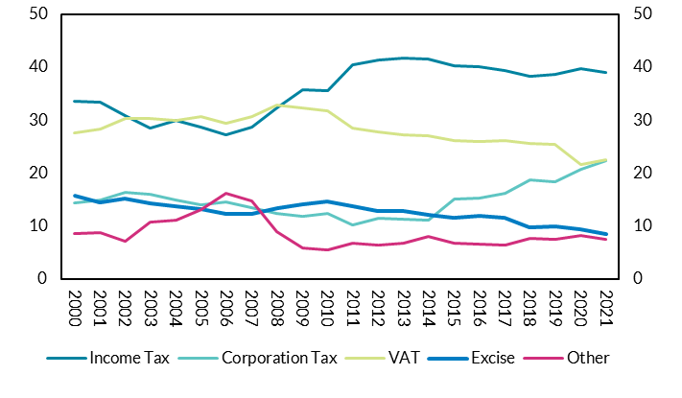
Corporation Tax has reached its highest ever share of tax revenue

Chart Title: Corporation tax as a share of exchequer tax revenue
Source: Department of Finance Exchequer Returns

 | 2000 | 2001 | 2002 | 2003 | 2004 | 2005 | 2006 | 2007 | 2008 | 2009 | 2010 | 2011 | 2012 | 2013 | 2014 | 2015 | 2016 | 2017 | 2018 | 2019 | 2020 | 2021
Income Tax | 33.66 | 33.47 | 30.98 | 28.54 | 29.93 | 28.70 | 27.21 | 28.73 | 32.31 | 35.82 | 35.51 | 40.55 | 41.41 | 41.68 | 41.56 | 40.26 | 40.05 | 39.44 | 38.23 | 38.67 | 39.73 | 38.98
Corporation Tax | 14.36 | 14.88 | 16.40 | 16.08 | 14.98 | 13.99 | 14.68 | 13.53 | 12.42 | 11.80 | 12.36 | 10.35 | 11.50 | 11.30 | 11.18 | 15.07 | 15.36 | 16.16 | 18.69 | 18.36 | 20.70 | 22.40
VAT | 27.59 | 28.36 | 30.33 | 30.28 | 30.05 | 30.80 | 29.53 | 30.68 | 32.93 | 32.29 | 31.81 | 28.63 | 27.75 | 27.34 | 27.02 | 26.19 | 25.95 | 26.22 | 25.62 | 25.49 | 21.73 | 22.57
Excise | 15.75 | 14.50 | 15.16 | 14.24 | 13.85 | 13.33 | 12.27 | 12.36 | 13.35 | 14.23 | 14.73 | 13.75 | 12.84 | 12.94 | 12.09 | 11.60 | 11.93 | 11.68 | 9.75 | 10.02 | 9.53 | 8.54
Other | 8.64 | 8.78 | 7.13 | 10.86 | 11.18 | 13.18 | 16.31 | 14.71 | 8.98 | 5.86 | 5.59 | 6.73 | 6.49 | 6.75 | 8.15 | 6.87 | 6.71 | 6.50 | 7.70 | 7.47 | 8.31 | 7.51

 |  | per cent of revenue |  |  | per cent of revenue

Chart 78
The removal of COVID-19 measures plays a large role in returning the GGB to surplus

Chart Title: Improvement in GGB by component
Source: Department of Finance Stability Programme Update 2022
Notes: The General Government Balance (GGB) represents the surplus/deficit of all sectors of Government. Here, its improvement is broken down into the changes in interest expenditure, the primary balance (budget balance excluding interest), and temporary measures (temporary pandemic supports and other one-offs).

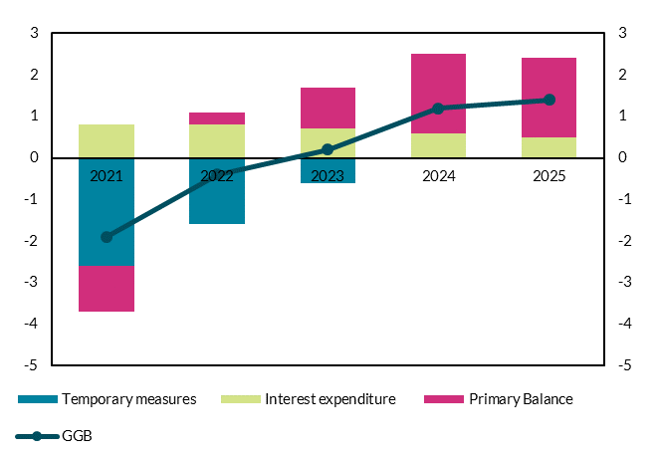
 | 2021 | 2022 | 2023 | 2024 | 2025 | per cent of GDP | per cent of GDP
GGB | -1.9 | -0.4 | 0.2 | 1.2 | 1.4
Temporary measures | -2.6 | -1.6 | -0.6 | 0 | 0
Interest expenditure | 0.8 | 0.8 | 0.7 | 0.6 | 0.5
Primary Balance | -1.1 | 0.3 | 1 | 1.9 | 1.9

Chart 80
Irish property funds are more highly-levered than their European peers

Chart title: Distribution of leverage in property funds across European countries
Source: Central Bank MMIF returns and European Central Bank.
Notes: Financial leverage ratio is non-equity liabilities divided by total assets under management. The solid line labelled as ‘Ireland’ is the value-weighted average of all Irish property funds. The latest-data dot represents the value-weighted average leverage of all Irish property funds if all shareholders’ loans are treated as equity, assuming the 2020Q4 percentage of shareholder loans in the sector remained constant. ‘EU average’ describes the value weighted leverage of all European property funds. ‘EU lowest leverage country’ and ‘EU highest leverage country’ describe the leverage of property funds in the European country with the lowest and highest leverage, respectively. Irish real estate funds are those investment funds resident in Ireland which hold Irish real estate. Real estate funds in other countries are those that self-identify as real estate funds. The financial leverage definition assumes that shareholder loans are treated as other forms of non-equity liabilities. Data for 2017Q1-2021Q3.

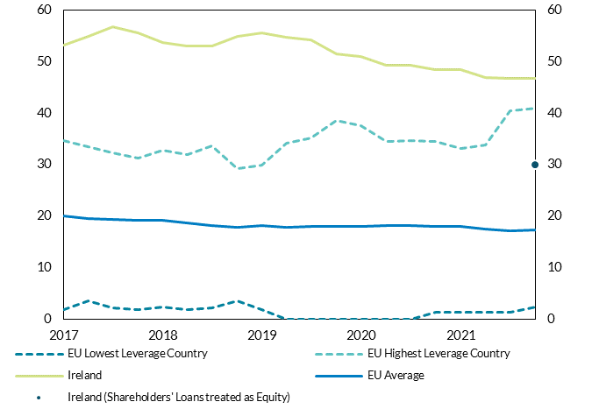
ReportingPeriod | EU Lowest Leverage Country | EU Highest Leverage Country | Ireland | EU Average | Ireland (Shareholders' Loans treated as Equity)
2017-01-01 | 1.75 | 34.73 | 53.14 | 20.06 |  | per cent | per cent
2017-04-01 | 3.45 | 33.44 | 54.98 | 19.50
2017-07-01 | 2.10 | 32.19 | 56.85 | 19.39
2017-10-01 | 1.76 | 31.30 | 55.65 | 19.21
2018-01-01 | 2.30 | 32.73 | 53.72 | 19.13
2018-04-01 | 1.70 | 31.99 | 53.06 | 18.60
2018-07-01 | 2.14 | 33.64 | 52.99 | 18.22
2018-10-01 | 3.50 | 29.14 | 54.87 | 17.82
2019-01-01 | 1.82 | 29.81 | 55.61 | 18.11
2019-04-01 | 0.00 | 34.12 | 54.72 | 17.86
2019-07-01 | 0.00 | 35.21 | 54.25 | 18.02
2019-10-01 | 0.00 | 38.52 | 51.48 | 17.92
2020-01-01 | 0.00 | 37.64 | 51.08 | 17.90
2020-04-01 | 0.00 | 34.50 | 49.29 | 18.14
2020-07-01 | 0.00 | 34.63 | 49.34 | 18.07
2020-10-01 | 1.30 | 34.54 | 48.50 | 17.95
2021-01-01 | 1.30 | 33.13 | 48.46 | 17.97
2021-04-01 | 1.30 | 33.74 | 46.88 | 17.46
2021-07-01 | 1.30 | 40.41 | 46.81 | 17.19
2021-10-01 | 2.22 | 40.97 | 46.68 | 17.24 | 30.00

Chart 81
The gradual decrease in leverage has been concentrated among funds with high leverage

Chart title: Distribution of Irish property funds total assets across leverage classes.
Source: Central Bank MMIF returns.
Notes: The horizontal axis describes six classes of property funds grouped in terms of their financial leverage. The vertical axis describes the share of assets under management of each leverage class relative to total assets under management of all Irish property funds. Data as of 2017 and 2021

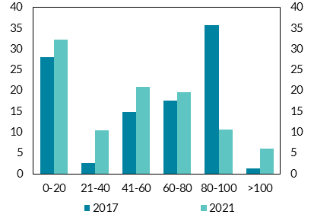
 | 2017 | 2021 | per cent | per cent
0-20 | 27.96 | 32.33
21-40 | 2.64 | 10.39
41-60 | 14.81 | 20.95
60-80 | 17.68 | 19.60
80-100 | 35.68 | 10.64
>100 | 1.24 | 6.09

Chart 82
Though leverage is similar across categories, liabilities are concentrated in the non-residential sector

Chart title: Equity/Liabilities breakdown across categories of Irish property funds.
Source: Central Bank MMIF return and Alternative Investment Fund Managers Directive (AIFMD) data.
Notes: The vertical axis describes the AUM of each fund category. The horizontal axis identifies three categories of funds based on AIFMD’s ‘Principal Strategy’. The classification into ‘Residential’ and ‘Non-Residential’ is based on the reporting of ‘Principal Strategy’ by Irish real estate funds under Article 24(1) of the Alternative Investment Fund Managers Directive 2011/61/EU (AIFMD). This directive requires AIFMs to report the investment strategy of the real estate AIFs they manage using the following list of strategies; Residential-RE, Commercial-RE, Industrial-RE, Multi-Strategy-RE and Other RE-Strategy. The categorisation aggregate all the non-residential strategies into a single category. Data as of 2021Q3

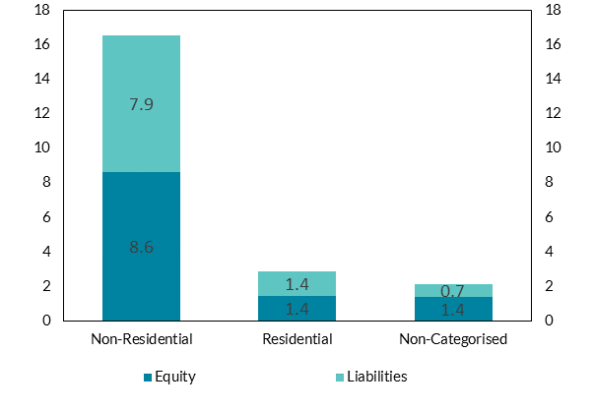
 | Equity | Liabilities
Non-Residential | 8.61 | 7.91 | € billion | € billion
Residential | 1.45 | 1.41
Non-Categorised | 1.40 | 0.71

Chart 83
Property funds have less liquid holdings than peers, though European distribution is wide

Chart title: Distribution of illiquid holdings in property funds across European countries.
Source: Central Bank MMIF returns and European Central Bank.
Notes: Liquid assets are defined as Cash, advanced economies' government debt, euro-zone short-term bank debt, and advanced economies' equities. ‘Ireland’ and ‘EU average’ describe the value weighted percentage of liquid holdings for Irish and other European countries, respectively. ‘EU lowest leverage country’ and ‘EU highest leverage country’ describe the liquid holdings of property funds in the European country with the lowest and highest liquid holdings (excluding Ireland), respectively. Data for 2017Q1-2021Q3

Reporting Period | EU Lowest Illiquidity Country | EU Highest Illiquidity Country | Ireland | EU Average
2017-01-01 | 18.40 | 95.82 | 97.64 | 67.38
2017-04-01 | 19.37 | 92.62 | 97.56 | 67.75 | per cent | per cent
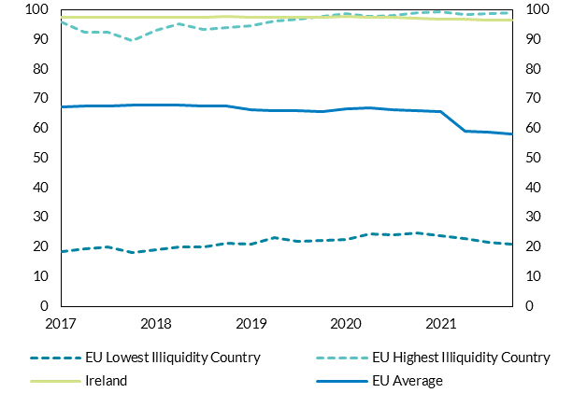
2017-07-01 | 19.95 | 92.53 | 97.68 | 67.44
2017-10-01 | 18.01 | 89.80 | 97.64 | 67.86
2018-01-01 | 19.00 | 93.05 | 97.65 | 67.95
2018-04-01 | 19.97 | 95.44 | 97.58 | 67.85
2018-07-01 | 20.06 | 93.58 | 97.41 | 67.45
2018-10-01 | 21.29 | 94.11 | 97.72 | 67.58
2019-01-01 | 21.00 | 94.75 | 97.62 | 66.33
2019-04-01 | 23.24 | 96.32 | 97.64 | 66.08
2019-07-01 | 21.75 | 96.85 | 97.46 | 65.92
2019-10-01 | 22.36 | 97.76 | 97.56 | 65.78
2020-01-01 | 22.40 | 98.78 | 97.70 | 66.60
2020-04-01 | 24.53 | 97.77 | 97.68 | 66.90
2020-07-01 | 24.27 | 98.05 | 97.54 | 66.38
2020-10-01 | 24.71 | 99.00 | 97.15 | 66.14
2021-01-01 | 23.89 | 99.27 | 97.02 | 65.57
2021-04-01 | 22.78 | 98.61 | 96.93 | 59.05
2021-07-01 | 21.70 | 98.90 | 96.46 | 58.67
2021-10-01 | 21.11 | 99.17 | 96.46 | 58.20

Chart 84
Increased significance of new non-bank credit to SMEs

Chart title: Quarterly total new lending to SMEs by non-banks.
Source: Central Credit Register, CRO, Register of Affiliates and Assets Database and Central Bank of Ireland calculations.
Notes: Non-bank lending to two broad sectors of SMEs in millions of euro is depicted as stacked columns against the left axis. The two broad sectors are RE-SMEs (i.e., related to real estate sectors) and Other SMEs. The RE-SMEs include SMEs in Real estate activities and Construction. The Other SMEs include: Trade, Administrative services, Primary, Transport, Finance, Other services, Accommodation and food, Manufacturing, and other NACE sectors. The right axis shows the share of non-bank SME lending relative to the sum of bank and non-bank lending to SMEs.

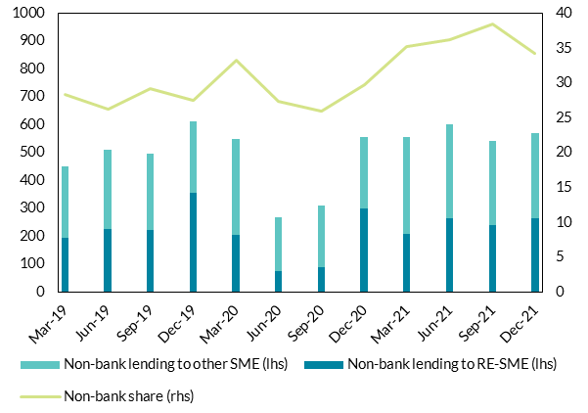
ReportingPeriod | Non-bank lending to RE-SME (lhs) | Non-bank lending to other SME (lhs) | Non-bank share (rhs)
2019-03-01 | 193.65 | 258.12 | 28.40 | € million | per cent
2019-06-01 | 224.73 | 286.71 | 26.19
2019-09-01 | 221.51 | 275.98 | 29.24
2019-12-01 | 357.34 | 252.91 | 27.49
2020-03-01 | 205.97 | 341.58 | 33.25
2020-06-01 | 75.99 | 191.81 | 27.30
2020-09-01 | 88.99 | 222.78 | 25.92
2020-12-01 | 298.60 | 255.97 | 29.71
2021-03-01 | 208.71 | 348.37 | 35.26
2021-06-01 | 265.03 | 335.83 | 36.13
2021-09-01 | 241.39 | 300.28 | 38.37
2021-12-02 | 265.91 | 303.64 | 34.15

Chart 85
Real estate-SMEs receive from non-banks almost the same amount of new loans as from banks

Chart title: Non-bank share of new lending from all credit providers by sector
Source: Central Credit Register, CRO, Register of Affiliates and Assets Database and Central Bank of Ireland calculations.
Notes: NBFI lending based on NACE sectoral classification of SMEs is depicted in millions of euro as columns against the left axis. The right axis shows the share of non-bank SME lending relative to the sum of bank and non-bank lending to SMEs in each main sector in 2020 and 2021

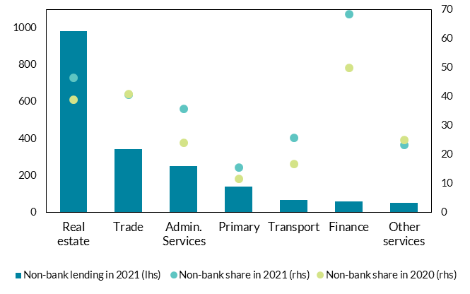
Sector | Non-bank lending in 2021 (lhs) | Non-bank share in 2021 (rhs) | Non-bank share in 2020 (rhs)
Real estate | 981.03 | 46.54 | 38.82 | € million | per cent
Trade | 342.91 | 40.68 | 40.75
Admin. Services | 252.36 | 35.63 | 23.90
Primary | 138.82 | 15.50 | 11.49
Transport | 68.67 | 25.66 | 16.72
Finance | 60.19 | 68.25 | 49.89
Other services | 53.56 | 23.23 | 25.00

Chart 86
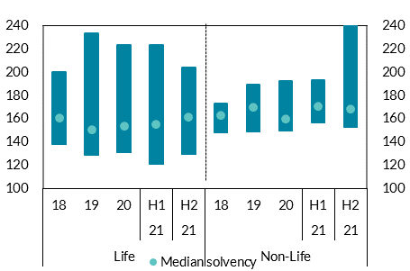
Domestic insurers’ solvency positions remain robust and are above regulatory requirements

Chart Title: | Solvency coverage of domestic life and non-life insurers
Source: | Central Bank of Ireland
Notes: | The box at each point shows the maximum and minimum range.Sample is time varying comprising the largest domestic life and non-life insurance firms. Last observation 2021Q4.

 | Life |  |  |  |  | Non-Life
 |  |  |  | 21 | 21 |  |  |  | 21 | 21
 | 18 | 19 | 20 | H1 | H2 | 18 | 19 | 20 | H1 | H2
Min | 138 | 129 | 131 | 121 | 129 | 148 | 149 | 150 | 157 | 153
Max | 200 | 233 | 224 | 223 | 204 | 173 | 189 | 192 | 193 | 253
Median solvency | 160 | 150 | 154 | 155 | 161 | 163 | 170 | 160 | 171 | 168

 | per cent |  |  | per cent

Chart 87
Insurers’ investments are predominantly sovereign and corporate bonds with limited exposure to riskier asset types

Chart Title: | Insurers’ non-linked investment allocation
Source: | Central Bank of Ireland
Notes: | Non-linked investments which exclude those which life insurers hold to back their unit-linked policies. Last observation 2022Q1.

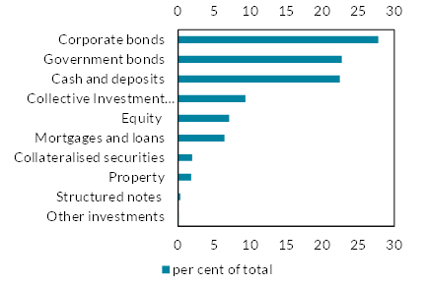
Name | Euro Value | per cent of total
Other investments | 121,924,209 | 0
Structured notes | 408,132,551 | 0
Property | 2,334,076,984 | 2
Collateralised securities | 2,532,048,665 | 2
Mortgages and loans | 8,295,447,028 | 6
Equity | 9,114,032,352 | 7
Collective Investment Undertakings | 12,007,201,906 | 9
Cash and deposits | 28,845,609,091 | 22
Government bonds | 29,204,252,194 | 23
Corporate bonds | 35,707,079,670 | 28

Chart 88
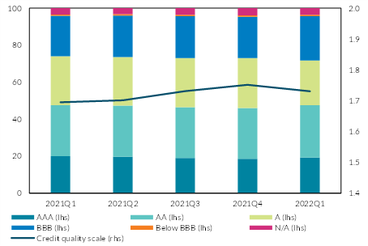
The credit rating of insurers’ corporate and sovereign bond holdings deteriorated slightly in 2021

Chart Title: | Credit quality of non-linked corporate and sovereign bond holdings
Source: | Central Bank of Ireland
Notes: | The credit quality scale (rhs) shows the average credit quality using the credit quality steps specified in Solvency II reporting, which map the ratings for each rating agency to a scale from 0 (AAA) to 6 (CCC and below). A higher score means a lower credit quality.

 | AAA (lhs) | AA (lhs) | A (lhs) | BBB (lhs) | N/A (lhs) | Below BBB (lhs) | Credit quality scale (rhs)
2021Q1 | 20 | 28 | 26 | 22 | 3 | 1 | 1.69
2021Q2 | 20 | 28 | 26 | 22 | 3 | 1 | 1.70
2021Q3 | 19 | 27 | 27 | 23 | 4 | 1 | 1.73
2021Q4 | 19 | 27 | 27 | 22 | 4 | 1 | 1.75
2022Q1 | 19 | 28 | 24 | 24 | 4 | 1 | 1.73

 |  | per cent |  | per cent

