B1
Interest rates on NFC lending have risen sharply.
Figure 1: Interest rates on new and existing lending to NFCs, cumulative monthly change since June 2022.

 |  | Rate on new NFC lending | Rate on outstanding NFC lending | ECB Policy Rate

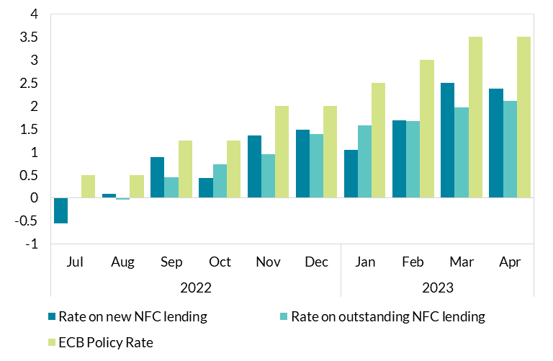

2022 | Jul | -0.55 | 0.0091307034129 | 0.5
 | Aug | 0.08 | -0.029956367652 | 0.5
 | Sep | 0.89 | 0.44672669254 | 1.25
 | Oct | 0.44 | 0.72741687121 | 1.25
 | Nov | 1.36 | 0.95631623148 | 2
 | Dec | 1.48 | 1.3902997068 | 2
2023 | Jan | 1.05 | 1.5837047354 | 2.5
 | Feb | 1.68 | 1.6779449319 | 3
 | Mar | 2.5 | 1.9619590393 | 3.5
 | Apr | 2.38 | 2.1088977629 | 3.5

 |  |  |  |  | Source: Central Bank of Ireland

B2
Mortgage interest rates have increased as ECB policy rates have risen.
Figure 2: Interest rates on new and existing lending to households for house purchases, cumulative monthly change since June 2022.

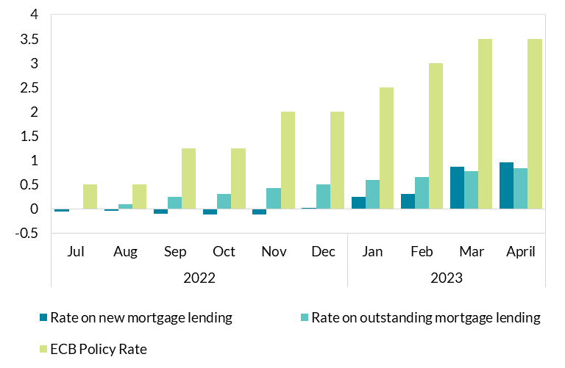
 |  | Rate on new mortgage lending | Rate on outstanding mortgage lending | ECB Policy Rate

2022 | Jul | -0.05 | -6.9881479656E-06 | 0.5
 | Aug | -0.04 | 0.089973005123 | 0.5
 | Sep | -0.1 | 0.24997290129 | 1.25
 | Oct | -0.11 | 0.30996825125 | 1.25
 | Nov | -0.11 | 0.42985110438 | 2
 | Dec | 0.01 | 0.49983160663 | 2
2023 | Jan | 0.25 | 0.59982139031 | 2.5
 | Feb | 0.3 | 0.65980143218 | 3
 | Mar | 0.86 | 0.77981648163 | 3.5
 | April | 0.95 | 0.83984455588 | 3.5

 |  |  |  |  | Source: Central Bank of Ireland

B3
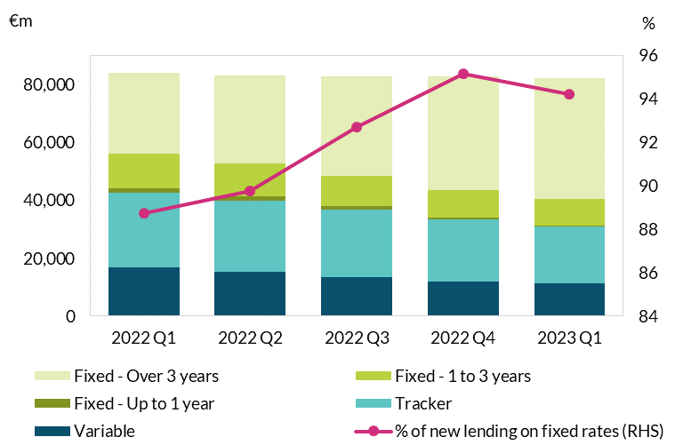
Borrowers are increasingly opting for fixed mortgage rates.
Figure 3: Breakdown of bank lending to households for house purchase by interest rate type.

 | Variable | Tracker | Fixed - Up to 1 year | Fixed - 1 to 3 years | Fixed - Over 3 years | % of new lending on fixed rates (RHS)
2022 Q1 | 16950 | 25568 | 1725.346 | 11689 | 27924 | 88.756432413
2022 Q2 | 15284 | 24570 | 1429.522 | 11348 | 30469 | 89.763329019
2022 Q3 | 13362 | 23497 | 1062 | 10477 | 34314 | 92.715558594
2022 Q4 | 11891 | 21512 | 721.095 | 9264 | 39368 | 95.147334971
2023 Q1 | 11281 | 19568 | 505 | 8938 | 41891 | 94.199259037

 |  |  |  |  |  |  | Source: Central Bank of Ireland

B4
Mortgage rates in Ireland grew the fastest in Q1 2023, but remain amongst the lowest compared to other euro area countries.
Figure 4: Mortgage rates cross-country comparison.

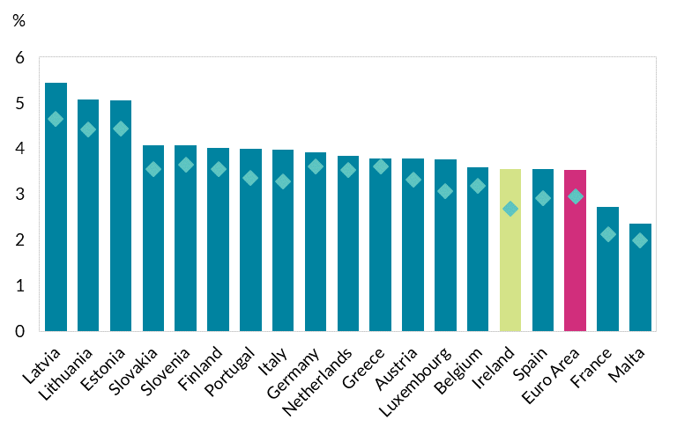
Row Labels | March 2023 | December 2022
Latvia | 5.43 | 4.65
Lithuania | 5.07 | 4.42
Estonia | 5.06 | 4.44
Slovakia | 4.06 | 3.55
Slovenia | 4.06 | 3.65
Finland | 4.01 | 3.55
Portugal | 4 | 3.35
Italy | 3.97 | 3.27
Germany | 3.91 | 3.61
Netherlands | 3.83 | 3.52
Greece | 3.77 | 3.6
Austria | 3.77 | 3.32
Luxembourg | 3.76 | 3.07
Belgium | 3.58 | 3.19
Ireland | 3.54 | 2.69
Spain | 3.54 | 2.92
Euro Area | 3.52 | 2.96
France | 2.72 | 2.12
Malta | 2.36 | 1.98

 |  |  | Source: Central Bank of Ireland

B5
Growth has slowed as interest rates on new lending have increased
Figure 5: New mortgage lending, volume and weighted average interest rate.

 |  | Rate on new mortgage lending (LHS) | New lending volume (RHS)
2022 | Jan | 2.76 | 530
 | Feb | 2.76 | 626
 | Mar | 2.78 | 669
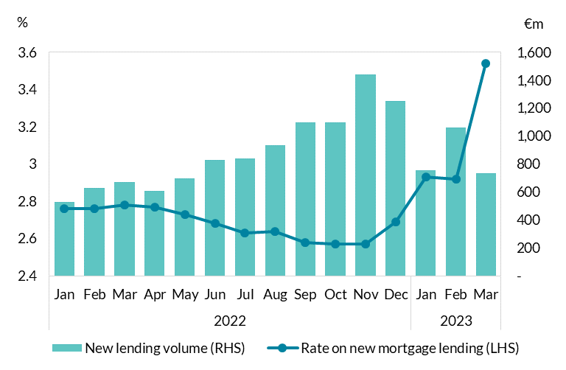
 | Apr | 2.77 | 605
 | May | 2.73 | 695
 | Jun | 2.68 | 827
 | Jul | 2.63 | 840
 | Aug | 2.64 | 937
 | Sep | 2.58 | 1,099
 | Oct | 2.57 | 1,096
 | Nov | 2.57 | 1,442
 | Dec | 2.69 | 1,251
2023 | Jan | 2.93 | 755
 | Feb | 2.92 | 1,059
 | Mar | 3.54 | 732

 |  |  |  | Source: Central Bank of Ireland

B6
 | Interest rates on consumer lending have not increased as fast as for other types of lending.
 | Figure 6: Interest rates on new and existing lending to households for consumer purchases, cumulative monthly change since June 2022.

Years | date | Rate on new consumer lending (LHS) | Rate on outstanding consumer lending (LHS) | ECB Policy Rate (RHS)
2022
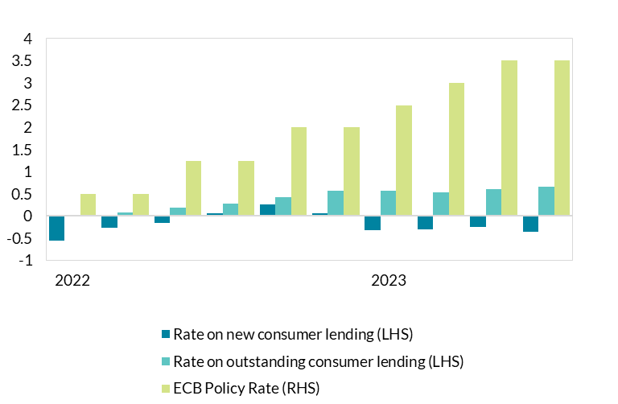

 | Jul | -0.55 | -0.017855695383 | 0.5
 | Aug | -0.26 | 0.081839187532 | 0.5
 | Sep | -0.16 | 0.19575352713 | 1.25
 | Oct | 0.06 | 0.28309056947 | 1.25
 | Nov | 0.27 | 0.42245642929 | 2
2023 | Dec | 0.07 | 0.57179511002 | 2
 | Jan | -0.32 | 0.57692004932 | 2.5
 | Feb | -0.3 | 0.53817061292 | 3
 | Mar | -0.25 | 0.59900378742 | 3.5
 | Apr | -0.35 | 0.6566749242 | 3.5

Years |  |  |  |  | Source: Central Bank of Ireland
2022
2022
2022
2022

2023

2022

2022

2022

2023

B7
Interest rates on overnight deposit savings remain low. |  |  | Household Overnight | NFC Overnight | ECB Policy Rate
Figure 7: Interest rates on overnight deposits for households and NFCs, cumulative monthly change since June 2022.

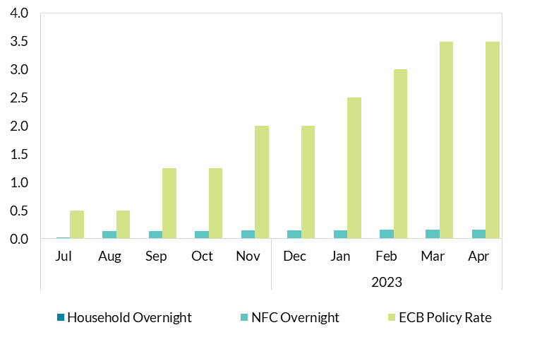

 |  | Jul | 0.00 | 0.02 | 0.50
 |  | Aug | 0.00 | 0.14 | 0.50
 |  | Sep | 0.00 | 0.14 | 1.25
 |  | Oct | 0.00 | 0.14 | 1.25
 |  | Nov | 0.01 | 0.15 | 2.00
 | 2023 | Dec | 0.01 | 0.15 | 2.00
 |  | Jan | 0.01 | 0.15 | 2.50 | Source: Central Bank of Ireland
 |  | Feb | 0.01 | 0.16 | 3.00
 |  | Mar | 0.01 | 0.16 | 3.50
 |  | Apr | 0.01 | 0.16 | 3.50

C1
Interest rates have responded to a rise in inflation
Figure 1: Inflation in the euro area and US

Interest rates have responded to a rise in inflation

Data extracted on 22/05/2023 13:01:50 from [ESTAT]
Dataset: | HICP - monthly data (annual rate of change) [PRC_HICP_MANR__custom_6292921]
Last updated: | 17/05/2023 11:00

Time frequency [FREQ] |  | Monthly [M]
Unit of measure [UNIT] |  | Annual rate of change [RCH_A]
Classification of individual consumption by purpose (COICOP) [COICOP] |  | All-items HICP [CP00]

TIME |  | 1997-01 | 1997-02 | 1997-03 | 1997-04 | 1997-05 | 1997-06 | 1997-07 | 1997-08 | 1997-09 | 1997-10 | 1997-11 | 1997-12 | 1998-01 | 1998-02 | 1998-03 | 1998-04 | 1998-05 | 1998-06 | 1998-07 | 1998-08 | 1998-09 | 1998-10 | 1998-11 | 1998-12 | 1999-01-01 | 1999-02-01 | 1999-03-01 | 1999-04-01 | 1999-05-01 | 1999-06-01 | 1999-07-01 | 1999-08-01 | 1999-09-01 | 1999-10-01 | 1999-11-01 | 1999-12-01 | 2000-01-01 | 2000-02-01 | 2000-03-01 | 2000-04-01 | 2000-05-01 | 2000-06-01 | 2000-07-01 | 2000-08-01 | 2000-09-01 | 2000-10-01 | 2000-11-01 | 2000-12-01 | 2001-01-01 | 2001-02-01 | 2001-03-01 | 2001-04-01 | 2001-05-01 | 2001-06-01 | 2001-07-01 | 2001-08-01 | 2001-09-01 | 2001-10-01 | 2001-11-01 | 2001-12-01 | 2002-01-01 | 2002-02-01 | 2002-03-01 | 2002-04-01 | 2002-05-01 | 2002-06-01 | 2002-07-01 | 2002-08-01 | 2002-09-01 | 2002-10-01 | 2002-11-01 | 2002-12-01 | 2003-01-01 | 2003-02-01 | 2003-03-01 | 2003-04-01 | 2003-05-01 | 2003-06-01 | 2003-07-01 | 2003-08-01 | 2003-09-01 | 2003-10-01 | 2003-11-01 | 2003-12-01 | 2004-01-01 | 2004-02-01 | 2004-03-01 | 2004-04-01 | 2004-05-01 | 2004-06-01 | 2004-07-01 | 2004-08-01 | 2004-09-01 | 2004-10-01 | 2004-11-01 | 2004-12-01 | 2005-01-01 | 2005-02-01 | 2005-03-01 | 2005-04-01 | 2005-05-01 | 2005-06-01 | 2005-07-01 | 2005-08-01 | 2005-09-01 | 2005-10-01 | 2005-11-01 | 2005-12-01 | 2006-01-01 | 2006-02-01 | 2006-03-01 | 2006-04-01 | 2006-05-01 | 2006-06-01 | 2006-07-01 | 2006-08-01 | 2006-09-01 | 2006-10-01 | 2006-11-01 | 2006-12-01 | 2007-01-01 | 2007-02-01 | 2007-03-01 | 2007-04-01 | 2007-05-01 | 2007-06-01 | 2007-07-01 | 2007-08-01 | 2007-09-01 | 2007-10-01 | 2007-11-01 | 2007-12-01 | 2008-01-01 | 2008-02-01 | 2008-03-01 | 2008-04-01 | 2008-05-01 | 2008-06-01 | 2008-07-01 | 2008-08-01 | 2008-09-01 | 2008-10-01 | 2008-11-01 | 2008-12-01 | 2009-01-01 | 2009-02-01 | 2009-03-01 | 2009-04-01 | 2009-05-01 | 2009-06-01 | 2009-07-01 | 2009-08-01 | 2009-09-01 | 2009-10-01 | 2009-11-01 | 2009-12-01 | 2010-01-01 | 2010-02-01 | 2010-03-01 | 2010-04-01 | 2010-05-01 | 2010-06-01 | 2010-07-01 | 2010-08-01 | 2010-09-01 | 2010-10-01 | 2010-11-01 | 2010-12-01 | 2011-01-01 | 2011-02-01 | 2011-03-01 | 2011-04-01 | 2011-05-01 | 2011-06-01 | 2011-07-01 | 2011-08-01 | 2011-09-01 | 2011-10-01 | 2011-11-01 | 2011-12-01 | 2012-01-01 | 2012-02-01 | 2012-03-01 | 2012-04-01 | 2012-05-01 | 2012-06-01 | 2012-07-01 | 2012-08-01 | 2012-09-01 | 2012-10-01 | 2012-11-01 | 2012-12-01 | 2013-01-01 | 2013-02-01 | 2013-03-01 | 2013-04-01 | 2013-05-01 | 2013-06-01 | 2013-07-01 | 2013-08-01 | 2013-09-01 | 2013-10-01 | 2013-11-01 | 2013-12-01 | 2014-01-01 | 2014-02-01 | 2014-03-01 | 2014-04-01 | 2014-05-01 | 2014-06-01 | 2014-07-01 | 2014-08-01 | 2014-09-01 | 2014-10-01 | 2014-11-01 | 2014-12-01 | 2015-01-01 | 2015-02-01 | 2015-03-01 | 2015-04-01 | 2015-05-01 | 2015-06-01 | 2015-07-01 | 2015-08-01 | 2015-09-01 | 2015-10-01 | 2015-11-01 | 2015-12-01 | 2016-01-01 | 2016-02-01 | 2016-03-01 | 2016-04-01 | 2016-05-01 | 2016-06-01 | 2016-07-01 | 2016-08-01 | 2016-09-01 | 2016-10-01 | 2016-11-01 | 2016-12-01 | 2017-01-01 | 2017-02-01 | 2017-03-01 | 2017-04-01 | 2017-05-01 | 2017-06-01 | 2017-07-01 | 2017-08-01 | 2017-09-01 | 2017-10-01 | 2017-11-01 | 2017-12-01 | 2018-01-01 | 2018-02-01
GEO (Codes) | GEO (Labels)
EA | Euro area (EA11-1999, EA12-2001, EA13-2007, EA15-2008, EA16-2009, EA17-2011, EA18-2014, EA19-2015, EA20-2023) | 2.0 | 1.8 | 1.6 | 1.3 | 1.4 | 1.4 | 1.5 | 1.7 | 1.6 | 1.5 | 1.6 | 1.5 | 1.1 | 1.1 | 1.1 | 1.4 | 1.3 | 1.3 | 1.3 | 1.1 | 1.0 | 0.9 | 0.8 | 0.8 | 0.8 | 0.7 | 0.9 | 1.1 | 0.9 | 0.9 | 1.0 | 1.1 | 1.2 | 1.3 | 1.5 | 1.7 | 1.9 | 1.9 | 2.0 | 1.7 | 1.8 | 2.1 | 2.1 | 2.0 | 2.4 | 2.4 | 2.5 | 2.5 | 2.0 | 2.0 | 2.2 | 2.7 | 3.1 | 2.9 | 2.5 | 2.3 | 2.2 | 2.2 | 2.0 | 2.1 | 2.6 | 2.5 | 2.5 | 2.4 | 2.1 | 1.9 | 2.0 | 2.1 | 2.1 | 2.3 | 2.3 | 2.3 | 2.1 | 2.4 | 2.4 | 2.1 | 1.8 | 2.0 | 1.9 | 2.0 | 2.1 | 2.0 | 2.2 | 2.0 | 1.8 | 1.6 | 1.7 | 2.1 | 2.5 | 2.4 | 2.3 | 2.4 | 2.1 | 2.4 | 2.2 | 2.3 | 1.9 | 2.1 | 2.2 | 2.1 | 2.0 | 2.0 | 2.1 | 2.2 | 2.6 | 2.5 | 2.3 | 2.3 | 2.4 | 2.4 | 2.2 | 2.4 | 2.5 | 2.5 | 2.4 | 2.3 | 1.8 | 1.6 | 1.8 | 1.9 | 1.8 | 1.8 | 1.9 | 1.9 | 1.9 | 1.9 | 1.8 | 1.7 | 2.1 | 2.5 | 3.1 | 3.1 | 3.2 | 3.3 | 3.6 | 3.3 | 3.7 | 3.9 | 4.1 | 3.8 | 3.6 | 3.2 | 2.1 | 1.6 | 1.1 | 1.2 | 0.6 | 0.6 | 0.0 | -0.1 | -0.6 | -0.2 | -0.3 | -0.1 | 0.5 | 0.9 | 0.9 | 0.8 | 1.6 | 1.6 | 1.7 | 1.5 | 1.7 | 1.6 | 1.9 | 1.9 | 1.9 | 2.2 | 2.3 | 2.4 | 2.7 | 2.8 | 2.7 | 2.7 | 2.6 | 2.5 | 3.0 | 3.0 | 3.0 | 2.8 | 2.7 | 2.7 | 2.7 | 2.6 | 2.4 | 2.4 | 2.4 | 2.6 | 2.6 | 2.5 | 2.2 | 2.2 | 2.0 | 1.9 | 1.7 | 1.2 | 1.4 | 1.6 | 1.6 | 1.3 | 1.1 | 0.7 | 0.9 | 0.8 | 0.8 | 0.7 | 0.5 | 0.7 | 0.5 | 0.5 | 0.4 | 0.4 | 0.3 | 0.4 | 0.3 | -0.2 | -0.6 | -0.3 | -0.1 | 0.2 | 0.6 | 0.5 | 0.5 | 0.4 | 0.2 | 0.4 | 0.1 | 0.3 | 0.3 | -0.1 | 0.0 | -0.3 | -0.1 | 0.0 | 0.2 | 0.2 | 0.4 | 0.5 | 0.6 | 1.1 | 1.7 | 2.0 | 1.5 | 1.9 | 1.4 | 1.3 | 1.3 | 1.5 | 1.6 | 1.4 | 1.5 | 1.3 | 1.3 | 1.1
IE | Ireland | 1.8 | 1.7 | 1.3 | 1.6 | 1.5 | 1.4 | 1.6 | 0.7 | 0.6 | 0.9 | 1.0 | 1.0 | 1.3 | 1.0 | 1.6 | 2.0 | 2.3 | 2.6 | 2.4 | 2.9 | 2.7 | 2.6 | 2.3 | 2.1 | 2.0 | 2.3 | 2.0 | 2.0 | 2.4 | 2.1 | 2.0 | 2.5 | 2.6 | 2.8 | 2.9 | 3.9 | 4.5 | 4.6 | 5.0 | 5.1 | 5.1 | 5.4 | 5.9 | 5.7 | 5.5 | 5.9 | 5.9 | 4.7 | 3.9 | 4.0 | 4.1 | 4.2 | 4.2 | 4.3 | 4.0 | 3.7 | 3.8 | 3.8 | 3.6 | 4.3 | 5.3 | 5.0 | 5.1 | 5.2 | 5.0 | 4.5 | 4.1 | 4.5 | 4.4 | 4.4 | 4.6 | 4.5 | 4.8 | 5.1 | 4.9 | 4.5 | 3.9 | 3.7 | 3.9 | 4.0 | 3.8 | 3.3 | 3.3 | 3.0 | 2.2 | 2.2 | 1.8 | 1.7 | 2.1 | 2.5 | 2.5 | 2.5 | 2.4 | 2.5 | 2.7 | 2.4 | 2.1 | 2.0 | 1.9 | 2.1 | 2.1 | 2.0 | 2.2 | 2.1 | 2.8 | 2.7 | 2.2 | 1.9 | 2.3 | 2.7 | 2.8 | 2.8 | 3.1 | 2.8 | 3.0 | 3.1 | 2.2 | 2.2 | 2.4 | 3.0 | 3.0 | 2.7 | 3.0 | 2.9 | 2.7 | 2.8 | 2.7 | 2.4 | 2.9 | 3.0 | 3.5 | 3.2 | 3.1 | 3.4 | 3.8 | 3.4 | 3.7 | 3.9 | 3.5 | 3.2 | 3.2 | 2.8 | 2.1 | 1.3 | 1.2 | 0.1 | -0.8 | -0.8 | -1.7 | -2.1 | -2.5 | -2.4 | -2.9 | -2.9 | -2.8 | -2.6 | -2.5 | -2.4 | -2.4 | -2.4 | -1.9 | -2.0 | -1.2 | -1.2 | -1.1 | -0.7 | -0.9 | -0.2 | 0.3 | 0.9 | 1.2 | 1.5 | 1.2 | 1.1 | 1.0 | 1.0 | 1.4 | 1.6 | 1.8 | 1.5 | 1.2 | 1.5 | 2.2 | 1.8 | 1.8 | 1.8 | 2.0 | 2.6 | 2.5 | 2.0 | 1.5 | 1.7 | 1.5 | 1.2 | 0.6 | 0.5 | 0.4 | 0.7 | 0.8 | 0.1 | 0.0 | -0.1 | 0.3 | 0.3 | 0.3 | 0.1 | 0.2 | 0.3 | 0.4 | 0.5 | 0.4 | 0.6 | 0.5 | 0.4 | 0.2 | -0.3 | -0.4 | -0.4 | -0.2 | -0.3 | 0.2 | 0.4 | 0.2 | 0.2 | -0.1 | -0.1 | -0.1 | 0.2 | 0.0 | -0.2 | -0.6 | -0.2 | -0.2 | 0.1 | 0.1 | -0.4 | -0.3 | -0.4 | -0.2 | -0.2 | 0.2 | 0.3 | 0.6 | 0.7 | 0.0 | -0.6 | -0.2 | 0.4 | 0.2 | 0.5 | 0.5 | 0.5 | 0.3 | 0.7
US | United States | : | : | : | : | : | : | : | : | : | : | : | : | : | : | : | : | : | : | : | : | : | : | : | : | : | : | : | : | : | : | : | : | : | : | : | : | : | : | : | : | : | : | : | : | : | : | : | : | : | : | : | : | : | : | : | : | : | : | : | : | : | : | : | : | : | : | : | : | : | : | : | 2.8 | 2.4 | 3.1 | 3.2 | 2.3 | 2.0 | 2.1 | 2.1 | 2.2 | 2.4 | 2.0 | 1.7 | 1.8 | 2.0 | 1.6 | 1.5 | 2.1 | 3.1 | 3.4 | 3.0 | 2.6 | 2.4 | 3.4 | 3.9 | 3.5 | 3.1 | 3.0 | 3.2 | 3.8 | 3.0 | 2.6 | 3.4 | 4.1 | 5.7 | 5.1 | 3.8 | 3.7 | 4.5 | 4.0 | 3.7 | 3.8 | 4.4 | 4.6 | 4.4 | 3.9 | 1.4 | 0.4 | 1.2 | 2.0 | 1.4 | 1.8 | 2.4 | 2.2 | 2.4 | 2.4 | 2.0 | 1.5 | 2.6 | 3.7 | 4.8 | 4.5 | 4.8 | 4.5 | 4.4 | 4.5 | 4.8 | 6.0 | 6.8 | 6.5 | 5.9 | 4.2 | 0.8 | -0.5 | -0.5 | -0.2 | -1.0 | -1.5 | -2.2 | -2.3 | -3.1 | -2.3 | -2.0 | -0.5 | 2.4 | 3.6 | 3.6 | 3.1 | 3.4 | 3.4 | 3.1 | 1.8 | 2.0 | 1.9 | 1.8 | 1.8 | 1.5 | 1.9 | 2.0 | 2.6 | 3.3 | 3.9 | 4.4 | 4.4 | 4.4 | 4.6 | 4.7 | 4.2 | 4.0 | 3.4 | 3.3 | 3.2 | 2.8 | 2.3 | 1.5 | 1.5 | 1.4 | 1.6 | 2.0 | 2.2 | 1.7 | 1.7 | 1.5 | 2.0 | 1.4 | 0.8 | 1.2 | 1.7 | 1.8 | 1.3 | 0.8 | 0.5 | 0.9 | 1.2 | 1.3 | 0.7 | 1.2 | 1.8 | 2.0 | 1.9 | 1.8 | 1.4 | 1.4 | 1.3 | 0.9 | 0.2 | -0.9 | -0.9 | -0.9 | -1.1 | -0.9 | -0.8 | -0.7 | -0.7 | -1.0 | -0.8 | -0.3 | 0.0 | 0.8 | 0.3 | 0.1 | 0.5 | 0.3 | 0.2 | 0.0 | 0.3 | 0.8 | 1.0 | 1.1 | 1.6 | 2.1 | 2.5 | 2.0 | 1.8 | 1.4 | 1.1 | 1.3 | 1.5 | 1.9 | 1.7 | 1.9 | 1.8 | 1.7 | 1.9

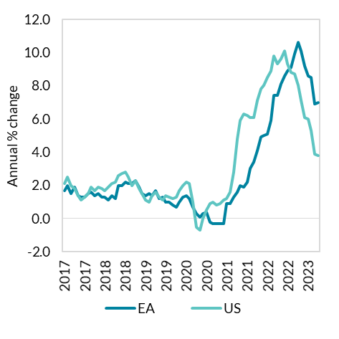
Special value
: | not available

C2
Interest rates have responded to a rise in inflation
Figure 2: Interest rates in the euro area and US

FRED Graph Observations
Federal Reserve Economic Data
Link: https://fred.stlouisfed.org
Help: https://fredhelp.stlouisfed.org
Economic Research Division
Federal Reserve Bank of St. Louis

ECBMLFR | ECB Marginal Lending Facility Rate for Euro Area, Percent, Monthly, Not Seasonally Adjusted | ECB Deposit Facility Rate for Euro Area, Percent, Monthly, Not Seasonally Adjusted | ECB Main Refinancing Operations Rate: Fixed Rate Tenders for Euro Area, Percent, Monthly, Not Seasonally Adjusted | Federal Funds Effective Rate, Percent, Monthly, Not Seasonally Adjusted

Frequency: Monthly | ECBMLFR | ECBDFR | ECBMRRFR | FEDFUNDS
 | Marginal Lending Facility | Deposit Facility | Main Refinancing Operations: Fixed Rate Tenders | Federal Funds Effective Rate
1999-01-01 | 3.77 | 2.44 | 3.00 | 4.63
1999-02-01 | 4.50 | 2.00 | 3.00 | 4.76
1999-03-01 | 4.50 | 2.00 | 3.00 | 4.81
1999-04-01 | 3.77 | 1.63 | 2.63 | 4.74
1999-05-01 | 3.50 | 1.50 | 2.50 | 4.74
1999-06-01 | 3.50 | 1.50 | 2.50 | 4.76
1999-07-01 | 3.50 | 1.50 | 2.50 | 4.99
1999-08-01 | 3.50 | 1.50 | 2.50 | 5.07
1999-09-01 | 3.50 | 1.50 | 2.50 | 5.22
1999-10-01 | 3.50 | 1.50 | 2.50 | 5.20
1999-11-01 | 3.93 | 1.93 | 2.93 | 5.42
1999-12-01 | 4.00 | 2.00 | 3.00 | 5.30
2000-01-01 | 4.00 | 2.00 | 3.00 | 5.45
2000-02-01 | 4.22 | 2.22 | 3.22 | 5.73
2000-03-01 | 4.37 | 2.37 | 3.37 | 5.85
2000-04-01 | 4.53 | 2.53 | 3.53 | 6.02
2000-05-01 | 4.75 | 2.75 | 3.75 | 6.27
2000-06-01 | 5.12 | 3.12 | 4.10 | 6.53
2000-07-01 | 5.25 | 3.25 | #N/A | 6.54
2000-08-01 | 5.25 | 3.25 | #N/A | 6.50
2000-09-01 | 5.50 | 3.50 | #N/A | 6.52
2000-10-01 | 5.71 | 3.71 | #N/A | 6.51
2000-11-01 | 5.75 | 3.75 | #N/A | 6.51
2000-12-01 | 5.75 | 3.75 | #N/A | 6.40
2001-01-01 | 5.75 | 3.75 | #N/A | 5.98
2001-02-01 | 5.75 | 3.75 | #N/A | 5.49
2001-03-01 | 5.75 | 3.75 | #N/A | 5.31
2001-04-01 | 5.75 | 3.75 | #N/A | 4.80
2001-05-01 | 5.58 | 3.58 | #N/A | 4.21
2001-06-01 | 5.50 | 3.50 | #N/A | 3.97
2001-07-01 | 5.50 | 3.50 | #N/A | 3.77
2001-08-01 | 5.49 | 3.49 | #N/A | 3.65
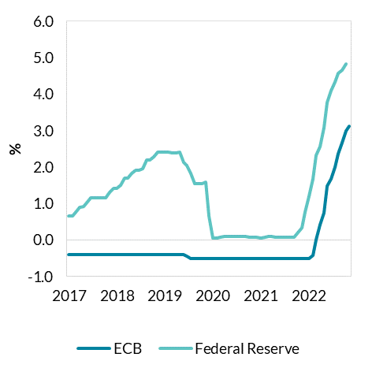
2001-09-01 | 5.03 | 3.03 | #N/A | 3.07
2001-10-01 | 4.75 | 2.75 | #N/A | 2.49
2001-11-01 | 4.38 | 2.38 | #N/A | 2.09
2001-12-01 | 4.25 | 2.25 | #N/A | 1.82
2002-01-01 | 4.25 | 2.25 | #N/A | 1.73
2002-02-01 | 4.25 | 2.25 | #N/A | 1.74
2002-03-01 | 4.25 | 2.25 | #N/A | 1.73
2002-04-01 | 4.25 | 2.25 | #N/A | 1.75
2002-05-01 | 4.25 | 2.25 | #N/A | 1.75
2002-06-01 | 4.25 | 2.25 | #N/A | 1.75
2002-07-01 | 4.25 | 2.25 | #N/A | 1.73
2002-08-01 | 4.25 | 2.25 | #N/A | 1.74
2002-09-01 | 4.25 | 2.25 | #N/A | 1.75
2002-10-01 | 4.25 | 2.25 | #N/A | 1.75
2002-11-01 | 4.25 | 2.25 | #N/A | 1.34
2002-12-01 | 3.83 | 1.83 | #N/A | 1.24
2003-01-01 | 3.75 | 1.75 | #N/A | 1.24
2003-02-01 | 3.75 | 1.75 | #N/A | 1.26
2003-03-01 | 3.55 | 1.55 | #N/A | 1.25
2003-04-01 | 3.50 | 1.50 | #N/A | 1.26
2003-05-01 | 3.50 | 1.50 | #N/A | 1.26 | Source: Eurostat, ECB, Fed.
2003-06-01 | 3.08 | 1.08 | #N/A | 1.22
2003-07-01 | 3.00 | 1.00 | #N/A | 1.01
2003-08-01 | 3.00 | 1.00 | #N/A | 1.03
2003-09-01 | 3.00 | 1.00 | #N/A | 1.01
2003-10-01 | 3.00 | 1.00 | #N/A | 1.01
2003-11-01 | 3.00 | 1.00 | #N/A | 1.00
2003-12-01 | 3.00 | 1.00 | #N/A | 0.98
2004-01-01 | 3.00 | 1.00 | #N/A | 1.00
2004-02-01 | 3.00 | 1.00 | #N/A | 1.01
2004-03-01 | 3.00 | 1.00 | #N/A | 1.00
2004-04-01 | 3.00 | 1.00 | #N/A | 1.00
2004-05-01 | 3.00 | 1.00 | #N/A | 1.00
2004-06-01 | 3.00 | 1.00 | #N/A | 1.03
2004-07-01 | 3.00 | 1.00 | #N/A | 1.26
2004-08-01 | 3.00 | 1.00 | #N/A | 1.43
2004-09-01 | 3.00 | 1.00 | #N/A | 1.61
2004-10-01 | 3.00 | 1.00 | #N/A | 1.76
2004-11-01 | 3.00 | 1.00 | #N/A | 1.93
2004-12-01 | 3.00 | 1.00 | #N/A | 2.16
2005-01-01 | 3.00 | 1.00 | #N/A | 2.28
2005-02-01 | 3.00 | 1.00 | #N/A | 2.50
2005-03-01 | 3.00 | 1.00 | #N/A | 2.63
2005-04-01 | 3.00 | 1.00 | #N/A | 2.79
2005-05-01 | 3.00 | 1.00 | #N/A | 3.00
2005-06-01 | 3.00 | 1.00 | #N/A | 3.04
2005-07-01 | 3.00 | 1.00 | #N/A | 3.26
2005-08-01 | 3.00 | 1.00 | #N/A | 3.50
2005-09-01 | 3.00 | 1.00 | #N/A | 3.62
2005-10-01 | 3.00 | 1.00 | #N/A | 3.78
2005-11-01 | 3.00 | 1.00 | #N/A | 4.00
2005-12-01 | 3.21 | 1.21 | #N/A | 4.16
2006-01-01 | 3.25 | 1.25 | #N/A | 4.29
2006-02-01 | 3.25 | 1.25 | #N/A | 4.49
2006-03-01 | 3.44 | 1.44 | #N/A | 4.59
2006-04-01 | 3.50 | 1.50 | #N/A | 4.79
2006-05-01 | 3.50 | 1.50 | #N/A | 4.94
2006-06-01 | 3.63 | 1.63 | #N/A | 4.99
2006-07-01 | 3.75 | 1.75 | #N/A | 5.24
2006-08-01 | 3.94 | 1.94 | #N/A | 5.25
2006-09-01 | 4.00 | 2.00 | #N/A | 5.25
2006-10-01 | 4.17 | 2.17 | #N/A | 5.25
2006-11-01 | 4.25 | 2.25 | #N/A | 5.25
2006-12-01 | 4.40 | 2.40 | #N/A | 5.24
2007-01-01 | 4.50 | 2.50 | #N/A | 5.25
2007-02-01 | 4.50 | 2.50 | #N/A | 5.26
2007-03-01 | 4.65 | 2.65 | #N/A | 5.26
2007-04-01 | 4.75 | 2.75 | #N/A | 5.25
2007-05-01 | 4.75 | 2.75 | #N/A | 5.25
2007-06-01 | 4.90 | 2.90 | #N/A | 5.25
2007-07-01 | 5.00 | 3.00 | #N/A | 5.26
2007-08-01 | 5.00 | 3.00 | #N/A | 5.02
2007-09-01 | 5.00 | 3.00 | #N/A | 4.94
2007-10-01 | 5.00 | 3.00 | #N/A | 4.76
2007-11-01 | 5.00 | 3.00 | #N/A | 4.49
2007-12-01 | 5.00 | 3.00 | #N/A | 4.24
2008-01-01 | 5.00 | 3.00 | #N/A | 3.94
2008-02-01 | 5.00 | 3.00 | #N/A | 2.98
2008-03-01 | 5.00 | 3.00 | #N/A | 2.61
2008-04-01 | 5.00 | 3.00 | #N/A | 2.28
2008-05-01 | 5.00 | 3.00 | #N/A | 1.98
2008-06-01 | 5.00 | 3.00 | #N/A | 2.00
2008-07-01 | 5.19 | 3.19 | #N/A | 2.01
2008-08-01 | 5.25 | 3.25 | #N/A | 2.00
2008-09-01 | 5.25 | 3.25 | #N/A | 1.81
2008-10-01 | 4.49 | 3.23 | 3.75 | 0.97
2008-11-01 | 3.93 | 2.93 | 3.43 | 0.39
2008-12-01 | 3.22 | 2.22 | 2.72 | 0.16
2009-01-01 | 3.00 | 1.65 | 2.32 | 0.15
2009-02-01 | 3.00 | 1.00 | 2.00 | 0.22
2009-03-01 | 2.66 | 0.66 | 1.66 | 0.18
2009-04-01 | 2.31 | 0.31 | 1.31 | 0.15
2009-05-01 | 1.94 | 0.25 | 1.10 | 0.18
2009-06-01 | 1.75 | 0.25 | 1.00 | 0.21
2009-07-01 | 1.75 | 0.25 | 1.00 | 0.16
2009-08-01 | 1.75 | 0.25 | 1.00 | 0.16
2009-09-01 | 1.75 | 0.25 | 1.00 | 0.15
2009-10-01 | 1.75 | 0.25 | 1.00 | 0.12
2009-11-01 | 1.75 | 0.25 | 1.00 | 0.12
2009-12-01 | 1.75 | 0.25 | 1.00 | 0.12
2010-01-01 | 1.75 | 0.25 | 1.00 | 0.11
2010-02-01 | 1.75 | 0.25 | 1.00 | 0.13
2010-03-01 | 1.75 | 0.25 | 1.00 | 0.16
2010-04-01 | 1.75 | 0.25 | 1.00 | 0.20
2010-05-01 | 1.75 | 0.25 | 1.00 | 0.20
2010-06-01 | 1.75 | 0.25 | 1.00 | 0.18
2010-07-01 | 1.75 | 0.25 | 1.00 | 0.18
2010-08-01 | 1.75 | 0.25 | 1.00 | 0.19
2010-09-01 | 1.75 | 0.25 | 1.00 | 0.19
2010-10-01 | 1.75 | 0.25 | 1.00 | 0.19
2010-11-01 | 1.75 | 0.25 | 1.00 | 0.19
2010-12-01 | 1.75 | 0.25 | 1.00 | 0.18
2011-01-01 | 1.75 | 0.25 | 1.00 | 0.17
2011-02-01 | 1.75 | 0.25 | 1.00 | 0.16
2011-03-01 | 1.75 | 0.25 | 1.00 | 0.14
2011-04-01 | 1.90 | 0.40 | 1.15 | 0.10
2011-05-01 | 2.00 | 0.50 | 1.25 | 0.09
2011-06-01 | 2.00 | 0.50 | 1.25 | 0.09
2011-07-01 | 2.15 | 0.65 | 1.40 | 0.07
2011-08-01 | 2.25 | 0.75 | 1.50 | 0.10
2011-09-01 | 2.25 | 0.75 | 1.50 | 0.08
2011-10-01 | 2.25 | 0.75 | 1.50 | 0.07
2011-11-01 | 2.07 | 0.57 | 1.32 | 0.08
2011-12-01 | 1.85 | 0.35 | 1.10 | 0.07
2012-01-01 | 1.75 | 0.25 | 1.00 | 0.08
2012-02-01 | 1.75 | 0.25 | 1.00 | 0.10
2012-03-01 | 1.75 | 0.25 | 1.00 | 0.13
2012-04-01 | 1.75 | 0.25 | 1.00 | 0.14
2012-05-01 | 1.75 | 0.25 | 1.00 | 0.16
2012-06-01 | 1.75 | 0.25 | 1.00 | 0.16
2012-07-01 | 1.58 | 0.08 | 0.83 | 0.16
2012-08-01 | 1.50 | 0.00 | 0.75 | 0.13
2012-09-01 | 1.50 | 0.00 | 0.75 | 0.14
2012-10-01 | 1.50 | 0.00 | 0.75 | 0.16
2012-11-01 | 1.50 | 0.00 | 0.75 | 0.16
2012-12-01 | 1.50 | 0.00 | 0.75 | 0.16
2013-01-01 | 1.50 | 0.00 | 0.75 | 0.14
2013-02-01 | 1.50 | 0.00 | 0.75 | 0.15
2013-03-01 | 1.50 | 0.00 | 0.75 | 0.14
2013-04-01 | 1.50 | 0.00 | 0.75 | 0.15
2013-05-01 | 1.11 | 0.00 | 0.56 | 0.11
2013-06-01 | 1.00 | 0.00 | 0.50 | 0.09
2013-07-01 | 1.00 | 0.00 | 0.50 | 0.09
2013-08-01 | 1.00 | 0.00 | 0.50 | 0.08
2013-09-01 | 1.00 | 0.00 | 0.50 | 0.08
2013-10-01 | 1.00 | 0.00 | 0.50 | 0.09
2013-11-01 | 0.85 | 0.00 | 0.35 | 0.08
2013-12-01 | 0.75 | 0.00 | 0.25 | 0.09
2014-01-01 | 0.75 | 0.00 | 0.25 | 0.07
2014-02-01 | 0.75 | 0.00 | 0.25 | 0.07
2014-03-01 | 0.75 | 0.00 | 0.25 | 0.08
2014-04-01 | 0.75 | 0.00 | 0.25 | 0.09
2014-05-01 | 0.75 | 0.00 | 0.25 | 0.09
2014-06-01 | 0.52 | -0.07 | 0.18 | 0.10
2014-07-01 | 0.40 | -0.10 | 0.15 | 0.09
2014-08-01 | 0.40 | -0.10 | 0.15 | 0.09
2014-09-01 | 0.33 | -0.17 | 0.08 | 0.09
2014-10-01 | 0.30 | -0.20 | 0.05 | 0.09
2014-11-01 | 0.30 | -0.20 | 0.05 | 0.09
2014-12-01 | 0.30 | -0.20 | 0.05 | 0.12
2015-01-01 | 0.30 | -0.20 | 0.05 | 0.11
2015-02-01 | 0.30 | -0.20 | 0.05 | 0.11
2015-03-01 | 0.30 | -0.20 | 0.05 | 0.11
2015-04-01 | 0.30 | -0.20 | 0.05 | 0.12
2015-05-01 | 0.30 | -0.20 | 0.05 | 0.12
2015-06-01 | 0.30 | -0.20 | 0.05 | 0.13
2015-07-01 | 0.30 | -0.20 | 0.05 | 0.13
2015-08-01 | 0.30 | -0.20 | 0.05 | 0.14
2015-09-01 | 0.30 | -0.20 | 0.05 | 0.14
2015-10-01 | 0.30 | -0.20 | 0.05 | 0.12
2015-11-01 | 0.30 | -0.20 | 0.05 | 0.12
2015-12-01 | 0.30 | -0.27 | 0.05 | 0.24
2016-01-01 | 0.30 | -0.30 | 0.05 | 0.34
2016-02-01 | 0.30 | -0.30 | 0.05 | 0.38
2016-03-01 | 0.27 | -0.35 | 0.02 | 0.36
2016-04-01 | 0.25 | -0.40 | 0.00 | 0.37
2016-05-01 | 0.25 | -0.40 | 0.00 | 0.37
2016-06-01 | 0.25 | -0.40 | 0.00 | 0.38
2016-07-01 | 0.25 | -0.40 | 0.00 | 0.39
2016-08-01 | 0.25 | -0.40 | 0.00 | 0.40
2016-09-01 | 0.25 | -0.40 | 0.00 | 0.40
2016-10-01 | 0.25 | -0.40 | 0.00 | 0.40
2016-11-01 | 0.25 | -0.40 | 0.00 | 0.41
2016-12-01 | 0.25 | -0.40 | 0.00 | 0.54
2017-01-01 | 0.25 | -0.40 | 0.00 | 0.65
2017-02-01 | 0.25 | -0.40 | 0.00 | 0.66
2017-03-01 | 0.25 | -0.40 | 0.00 | 0.79
2017-04-01 | 0.25 | -0.40 | 0.00 | 0.90
2017-05-01 | 0.25 | -0.40 | 0.00 | 0.91
2017-06-01 | 0.25 | -0.40 | 0.00 | 1.04
2017-07-01 | 0.25 | -0.40 | 0.00 | 1.15
2017-08-01 | 0.25 | -0.40 | 0.00 | 1.16
2017-09-01 | 0.25 | -0.40 | 0.00 | 1.15
2017-10-01 | 0.25 | -0.40 | 0.00 | 1.15
2017-11-01 | 0.25 | -0.40 | 0.00 | 1.16
2017-12-01 | 0.25 | -0.40 | 0.00 | 1.30
2018-01-01 | 0.25 | -0.40 | 0.00 | 1.41
2018-02-01 | 0.25 | -0.40 | 0.00 | 1.42
2018-03-01 | 0.25 | -0.40 | 0.00 | 1.51
2018-04-01 | 0.25 | -0.40 | 0.00 | 1.69
2018-05-01 | 0.25 | -0.40 | 0.00 | 1.70
2018-06-01 | 0.25 | -0.40 | 0.00 | 1.82
2018-07-01 | 0.25 | -0.40 | 0.00 | 1.91
2018-08-01 | 0.25 | -0.40 | 0.00 | 1.91
2018-09-01 | 0.25 | -0.40 | 0.00 | 1.95
2018-10-01 | 0.25 | -0.40 | 0.00 | 2.19
2018-11-01 | 0.25 | -0.40 | 0.00 | 2.20
2018-12-01 | 0.25 | -0.40 | 0.00 | 2.27
2019-01-01 | 0.25 | -0.40 | 0.00 | 2.40
2019-02-01 | 0.25 | -0.40 | 0.00 | 2.40
2019-03-01 | 0.25 | -0.40 | 0.00 | 2.41
2019-04-01 | 0.25 | -0.40 | 0.00 | 2.42
2019-05-01 | 0.25 | -0.40 | 0.00 | 2.39
2019-06-01 | 0.25 | -0.40 | 0.00 | 2.38
2019-07-01 | 0.25 | -0.40 | 0.00 | 2.40
2019-08-01 | 0.25 | -0.40 | 0.00 | 2.13
2019-09-01 | 0.25 | -0.44 | 0.00 | 2.04
2019-10-01 | 0.25 | -0.50 | 0.00 | 1.83
2019-11-01 | 0.25 | -0.50 | 0.00 | 1.55
2019-12-01 | 0.25 | -0.50 | 0.00 | 1.55
2020-01-01 | 0.25 | -0.50 | 0.00 | 1.55
2020-02-01 | 0.25 | -0.50 | 0.00 | 1.58
2020-03-01 | 0.25 | -0.50 | 0.00 | 0.65
2020-04-01 | 0.25 | -0.50 | 0.00 | 0.05
2020-05-01 | 0.25 | -0.50 | 0.00 | 0.05
2020-06-01 | 0.25 | -0.50 | 0.00 | 0.08
2020-07-01 | 0.25 | -0.50 | 0.00 | 0.09
2020-08-01 | 0.25 | -0.50 | 0.00 | 0.10
2020-09-01 | 0.25 | -0.50 | 0.00 | 0.09
2020-10-01 | 0.25 | -0.50 | 0.00 | 0.09
2020-11-01 | 0.25 | -0.50 | 0.00 | 0.09
2020-12-01 | 0.25 | -0.50 | 0.00 | 0.09
2021-01-01 | 0.25 | -0.50 | 0.00 | 0.09
2021-02-01 | 0.25 | -0.50 | 0.00 | 0.08
2021-03-01 | 0.25 | -0.50 | 0.00 | 0.07
2021-04-01 | 0.25 | -0.50 | 0.00 | 0.07
2021-05-01 | 0.25 | -0.50 | 0.00 | 0.06
2021-06-01 | 0.25 | -0.50 | 0.00 | 0.08
2021-07-01 | 0.25 | -0.50 | 0.00 | 0.10
2021-08-01 | 0.25 | -0.50 | 0.00 | 0.09
2021-09-01 | 0.25 | -0.50 | 0.00 | 0.08
2021-10-01 | 0.25 | -0.50 | 0.00 | 0.08
2021-11-01 | 0.25 | -0.50 | 0.00 | 0.08
2021-12-01 | 0.25 | -0.50 | 0.00 | 0.08
2022-01-01 | 0.25 | -0.50 | 0.00 | 0.08
2022-02-01 | 0.25 | -0.50 | 0.00 | 0.08
2022-03-01 | 0.25 | -0.50 | 0.00 | 0.20
2022-04-01 | 0.25 | -0.50 | 0.00 | 0.33
2022-05-01 | 0.25 | -0.50 | 0.00 | 0.77
2022-06-01 | 0.25 | -0.50 | 0.00 | 1.21
2022-07-01 | 0.33 | -0.42 | 0.08 | 1.68
2022-08-01 | 0.75 | 0.00 | 0.50 | 2.33
2022-09-01 | 1.18 | 0.43 | 0.93 | 2.56
2022-10-01 | 1.50 | 0.75 | 1.25 | 3.08
2022-11-01 | 2.23 | 1.48 | 1.98 | 3.78
2022-12-01 | 2.43 | 1.68 | 2.18 | 4.10
2023-01-01 | 2.75 | 2.00 | 2.50 | 4.33
2023-02-01 | 3.13 | 2.38 | 2.88 | 4.57
2023-03-01 | 3.41 | 2.66 | 3.16 | 4.65
2023-04-01 | 3.75 | 3.00 | 3.50 | 4.83
2023-05-01 | 3.88 | 3.13 | 3.63

C3
The simulation exercise considers a higher euro area interest rate path based on market information
Figure 3: Path of euro area policy interest rate in the scenario exercise
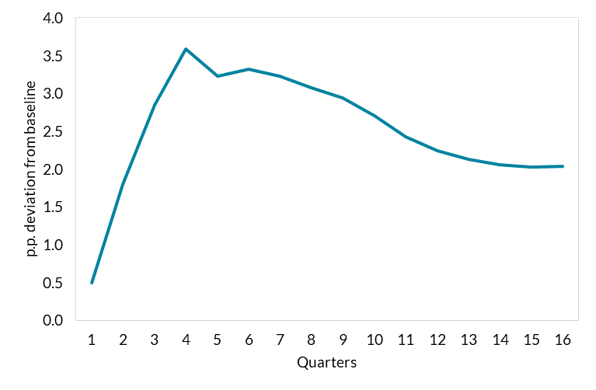
 | Persistent shock
1 | 0.50
2 | 1.80
3 | 2.84
4 | 3.59
5 | 3.23
6 | 3.32
7 | 3.23
8 | 3.08
9 | 2.94
10 | 2.70
11 | 2.43
12 | 2.24
13 | 2.13
14 | 2.06
15 | 2.03
16 | 2.04

 |  | Source: authors’ calculations and Bloomberg.

C4
Interest rates have responded to a rise in inflation
Figure 4: Impact of shock on inflation (p.p. deviation from baseline)

 | Semi-structural | DSGE | Models' Average | Models' Range
Year 1 | -0.7 | -3.3 | -2.0 | -0.7 | -3.3
Year 2 | -1.4 | -3.3 | -2.4 | -1.4 | -3.3
Year 3 | -0.4 | 0.5 | 0.0 | 0.5 | -0.4
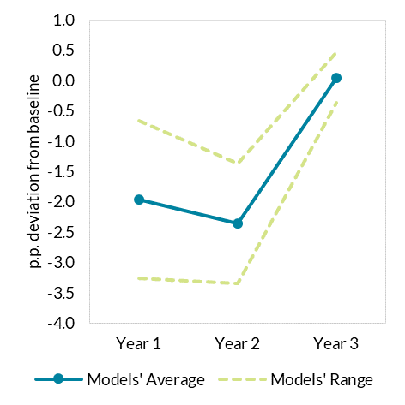

 |  |  |  |  |  | Source: authors’ calculations.

C5
Interest rates have responded to a rise in inflation
Figure 5: Impact of shock on output (% deviation from baseline)

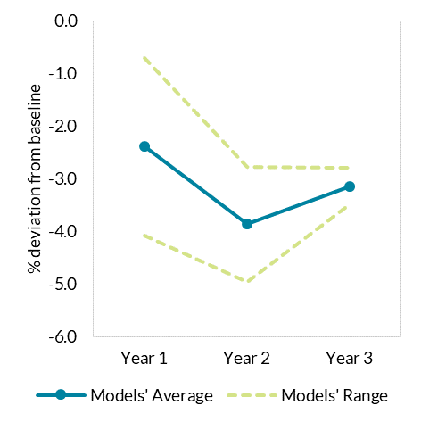
 | Semi-structural | DSGE | Models' Average | Models' Range
Year 1 | -0.7 | -4.1 | -2.4 | -0.7 | -4.1
Year 2 | -2.8 | -5.0 | -3.9 | -2.8 | -5.0
Year 3 | -3.5 | -2.8 | -3.1 | -2.8 | -3.5

 |  |  |  |  |  | Source: authors’ calculations.

D1
Historic Food and Energy Price inflation should begin to ease
HICP food price inflation & food commodity price year-on-year % change

 | EU | Ireland | Commodity Inflation | Commodity Index
 | Food | Food | Food | Food
Jan-17 | 2.0772995106 | -2.4 |  | 104.78926898
Feb-17 | 2.9628890662 | -2.5227043391 |  | 104.69495672
Mar-17 | 2.0105504131 | -2.615694165 |  | 104.32922278
Apr-17 | 1.6386930182 | -2.5227043391 |  | 104.49900324
May-17 | 1.7338749628 | -2.0181634712 |  | 106.300362
Jun-17 | 1.688182721 | -2.7245206862 |  | 107.49059646
Jul-17 | 1.6593799682 | -1.9250253293 |  | 109.41111459
Aug-17 | 1.6615262163 | -1.7206477733 |  | 109.8785213
Sep-17 | 2.2977022977 | -1.7346938776 |  | 110.06075161
Oct-17 | 2.9737551143 | -1.1258955988 |  | 109.17344174
Nov-17 | 2.7918529558 | -1.3347022587 |  | 108.14794096
Dec-17 | 2.4995060265 | -1.646090535 |  | 106.79511756
Jan-18 | 2.1230799335 | -1.7418032787 | -0.043228309086 | 104.74397035
Feb-18 | 0.98827632981 | -1.8633540373 | -0.58574825054 | 104.08170784
Mar-18 | 1.8245682506 | -1.8595041322 | 0.74573072335 | 105.10723785
Apr-18 | 2.1790111393 | -2.1739130435 | 1.1421171198 | 105.69250424
May-18 | 2.3470977795 | -2.5746652935 | -1.0740042407 | 105.1586916
Jun-18 | 2.44140625 | -2.3858921162 | -2.1379148145 | 105.19253908
Jul-18 | 2.0721337113 | -2.3760330579 | -3.3070390581 | 105.7928463
Aug-18 | 2.0845566647 | -2.780638517 | -1.067361977 | 108.70571974
Sep-18 | 2.353515625 | -2.492211838 | -1.3837891578 | 108.53774286
Oct-18 | 1.7734276577 | -2.1739130435 | -0.27746380056 | 108.87052496
Nov-18 | 1.3725111154 | -1.97710718 | 1.5651665031 | 109.8406363
Dec-18 | 1.4072289157 | -1.5690376569 | 3.4444019249 | 110.47357064
Jan-19 | 1.55202146 | -1.6684045881 | 6.6203604014 | 111.67839869
Feb-19 | 2.235440852 | -0.84388185654 | 6.3171891557 | 110.6567462
Mar-19 | 1.9356075125 | -0.73684210526 | 4.1552252398 | 109.47468033
Apr-19 | 1.836090657 | -0.10582010582 | 5.5755493239 | 111.58544195
May-19 | 2.0078028357 | -0.10570824524 | 6.3269724524 | 111.81205305
Jun-19 | 2.2020972355 | 0 | 5.7773328697 | 111.26986222
Jul-19 | 2.7386766255 | -0.42328042328 | 3.365959122 | 109.35379026
Aug-19 | 2.9239766082 | -0.31779661017 | 0.53978521843 | 109.29249715
Sep-19 | 2.1181185001 | -0.63897763578 | 0.17458824533 | 108.727237
Oct-19 | 2.0853170825 | -1.0582010582 | 0.77762545609 | 109.71712988
Nov-19 | 2.5553012967 | -1.0615711253 | 1.5719542107 | 111.56728081
Dec-19 | 2.6423343789 | -0.85015940489 | 2.2285087059 | 112.93548378
Jan-20 | 2.7641509434 | -0.95440084836 | 1.6296393346 | 113.4983538
Feb-20 | 2.7871621622 | -0.95744680851 | 3.9250781945 | 115.00011002
Mar-20 | 3.2994923858 | -1.2725344645 | 5.4822985042 | 115.47640909
Apr-20 | 4.535637149 | -1.1652542373 | 2.7951325911 | 114.704403
May-20 | 4.1044776119 | -1.164021164 | -1.6269418488 | 109.99293597
Jun-20 | 3.6843578024 | -1.2752391073 | -2.4975532866 | 108.49083811
Jul-20 | 2.3021716842 | -1.1689691817 | -2.0409913833 | 107.12188882
Aug-20 | 1.9094634873 | -1.5940488842 | -3.1670678355 | 105.83112963
Sep-20 | 1.9340371858 | -1.2861736334 | -1.2667302129 | 107.34995624
Oct-20 | 2.1080123123 | -1.3903743316 | -1.2034805469 | 108.39670556
Nov-20 | 1.8687244329 | -1.0729613734 | -1.2333456815 | 110.19127057
Dec-20 | 1.0741735346 | -1.0718113612 | -2.2850773469 | 110.35482062
Jan-21 | 1.0649040668 | -2.034261242 | 0.12655257688 | 113.64198889
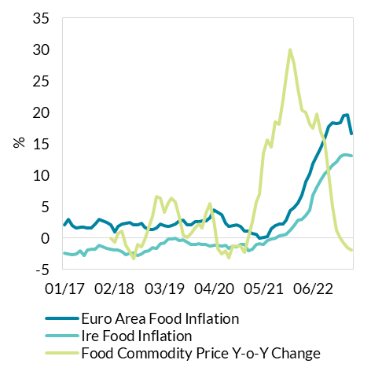
Feb-21 | 0.78517301196 | -1.7185821697 | 2.6340306054 | 118.02924811
Mar-21 | 0.5824005824 | -0.96670247046 | 5.7378182365 | 122.10223555
Apr-21 | -0.035932447 | -0.85744908896 | 7.011918944 | 122.74738277
May-21 | 0.089605734767 | -1.0706638116 | 13.509433818 | 124.85235886
Jun-21 | 0.27887729399 | -0.43057050592 | 15.577529948 | 125.39103091
Jul-21 | 1.4759475219 | -0.10752688172 | 14.482201897 | 122.63549704
Aug-21 | 2.0473448496 | 0 | 18.444587358 | 125.35124478
Sep-21 | 2.2823098075 | 0.32573289902 | 18.072043458 | 126.75028699
Oct-21 | 2.2928656253 | 0.54229934924 | 22.008691239 | 132.2534018
Nov-21 | 2.8931276809 | 0.65075921909 | 25.759687368 | 138.57619738
Dec-21 | 4.3243243243 | 1.1917659805 | 29.979452805 | 143.43859199
Jan-22 | 4.8959941866 | 1.9672131148 | 27.769190721 | 145.19944952
Feb-22 | 5.6345683486 | 2.8415300546 | 23.786709137 | 146.10452206
Mar-22 | 6.8940559124 | 3.0368763557 | 20.362488498 | 146.96528922
Apr-22 | 8.9414090582 | 3.5675675676 | 20.041016864 | 147.34720645
May-22 | 10.286481647 | 4.5454545455 | 18.136541788 | 147.4962591
Jun-22 | 11.913519333 | 6.8108108108 | 17.520855385 | 147.36061211
Jul-22 | 13.162147603 | 8.073196986 | 19.772634611 | 146.88376577
Aug-22 | 14.330497089 | 9.2872570194 | 16.894619739 | 146.52886093 | Source: Eurostat, ECB
Sep-22 | 15.807868089 | 10.173160173 | 15.317201058 | 146.16488329
Oct-22 | 17.771030541 | 10.895361381 | 10.245696355 | 145.80368377
Nov-22 | 18.316480397 | 11.637931034 | 5.019847646 | 145.53251136
Dec-22 | 18.213752525 | 12.098501071 | 1.3003889502 | 145.30385159
Jan-23 | 18.392795289 | 12.968917471 | -0.048055616417 | 145.12967303
Feb-23 | 19.526627219 | 13.283740701 | -0.79974289672 | 144.93606152
Mar-23 | 19.602200592 | 13.263157895 | -1.473472112 | 144.79979667
Apr-23 | 16.563556875 | 13.048016701 | -1.8397433235 | 144.63639605
May-23

D2
Historic Food and Energy Price inflation should begin to ease
HICP food energy inflation & oil commodity price year-on-year % change

 | Euro Area | Irealand
 | Energy | Energy | Oil | Oil EUR | Exchange rate vs EUR | Oil USD
Jan-17 | 7.1595994034 | 6.0409924488 |  | 51.715266983 | 1.0614409091 | 54.8927
Feb-17 | 8.4656084656 | 8.4988962472 |  | 52.142558479 | 1.064265 | 55.4935
Mar-17 | 6.6987693954 | 8.0396475771 |  | 48.638072334 | 1.0684695652 | 51.9683
Apr-17 | 6.7528582113 | 5.7173678533 |  | 49.487223328 | 1.0722666667 | 53.0635
May-17 | 4.0223228388 | 3.0818278427 |  | 46.005787927 | 1.10575 | 50.8709
Jun-17 | 1.4201306106 | -0.31185031185 |  | 40.835384217 | 1.1229454545 | 45.855909091
Jul-17 | 1.8208455421 | -0.62761506276 |  | 42.138879926 | 1.1511142857 | 48.506666667
Aug-17 | 3.4646667371 | 2.5862068966 |  | 44.072103257 | 1.180673913 | 52.034782609
Sep-17 | 3.6087866109 | 2.9850746269 |  | 47.832585949 | 1.1914571429 | 56.99047619
Oct-17 | 2.7929506338 | 2.8451001054 |  | 48.929934385 | 1.1755863636 | 57.521363636
Nov-17 | 4.4375644995 | 5.047318612 |  | 53.759351911 | 1.1738 | 63.102727273
Dec-17 | 2.7394480519 | 3.734439834 |  | 54.877200249 | 1.1836210526 | 64.953809524
Jan-18 | 2.3265062637 | 2.0345879959 | 9.995031133 | 56.884224018 | 1.21995 | 69.395909091
Feb-18 | 2.1801891488 | 2.3397761953 | 1.13134472 | 52.732470562 | 1.23478 | 65.113
Mar-18 | 2.2063985558 | 2.2426095821 | 9.834947418 | 53.421601173 | 1.2336190476 | 65.901904762
Apr-18 | 2.8225402863 | 2.9591836735 | 18.803496233 | 58.792551502 | 1.22763 | 72.1755
May-18 | 6.1949590039 | 6.0824742268 | 43.227587471 | 65.892980144 | 1.1812227273 | 77.834285714
Jun-18 | 8.1766148814 | 10.114702815 | 54.758542338 | 63.196245372 | 1.1678285714 | 73.802380952
Jul-18 | 9.4141829394 | 11.368421053 | 50.484854985 | 63.412632349 | 1.1685727273 | 74.102272727
Aug-18 | 9.1577335375 | 12.605042017 | 41.492326832 | 62.358644382 | 1.1548956522 | 72.017727273
Sep-18 | 9.1166077739 | 11.49068323 | 41.787436635 | 67.820597494 | 1.16587 | 79.07
Oct-18 | 10.016041708 | 11.168032787 | 45.092734216 | 70.993779649 | 1.1484043478 | 81.529565217
Nov-18 | 8.290513834 | 8.008008008 | 4.6508565817 | 56.259622267 | 1.1366863636 | 63.949545455
Dec-18 | 5.0266640332 | 5.5 | -8.2338268694 | 50.358706589 | 1.1384210526 | 57.329411765
Jan-19 | 2.4582199767 | 1.5952143569 | -8.5111653781 | 52.042713638 | 1.1416409091 | 59.414090909
Feb-19 | 3.3515198753 | 1.7892644135 | 7.3668089974 | 56.617170947 | 1.135115 | 64.267
Mar-19 | 4.9357276028 | 3.6889332004 | 9.2902347816 | 58.384593347 | 1.130247619 | 65.989047619
Apr-19 | 5.0228754989 | 5.3518334985 | 8.1568846522 | 63.588192112 | 1.123825 | 71.462
May-19 | 3.66981222 | 4.9562682216 | -2.2505211897 | 64.410044664 | 1.1184590909 | 72.04
Jun-19 | 1.5495086924 | 1.6098484848 | -8.0104300456 | 58.133954345 | 1.12934 | 65.653
Jul-19 | 0.49783956416 | -0.18903591682 | -9.9494305782 | 57.103436515 | 1.1218391304 | 64.060869565
Aug-19 | -0.4582865694 | -1.3059701493 | -15.301463217 | 52.816859349 | 1.1126227273 | 58.765238095
Sep-19 | -1.6099185788 | -1.7641597029 | -14.845594677 | 57.752226482 | 1.1003904762 | 63.55
Oct-19 | -2.7339834138 | -1.4746543779 | -23.122392294 | 54.578319414 | 1.1052565217 | 60.323043478
Nov-19 | -2.5732274843 | -1.4828544949 | 2.8088593001 | 57.8398759 | 1.1050952381 | 63.918571429
Dec-19 | 0.55477197931 | 1.1374407583 | 23.083884955 | 61.983452483 | 1.111345 | 68.885
Jan-20 | 2.1811284969 | 5.8881256133 | 11.128534889 | 57.834305182 | 1.1100363636 | 64.198181818
Feb-20 | 0.11312217195 | 3.7109375 | -8.5761856484 | 51.761577258 | 1.0905 | 56.446
Mar-20 | -3.7778193379 | -0.19230769231 | -50.320600899 | 29.005115142 | 1.1063409091 | 32.089545455
Apr-20 | -9.1482065066 | -7.1495766698 | -78.142366135 | 13.898874213 | 1.08619 | 15.096818182
May-20 | -11.235748437 | -11.018518519 | -60.347109419 | 25.540444534 | 1.090185 | 27.843809524
Jun-20 | -8.5969482694 | -9.3196644921 | -38.185463357 | 35.93523451 | 1.1254590909 | 40.443636364
Jul-20 | -7.6736143565 | -6.4393939394 | -32.923425799 | 38.303028966 | 1.1463391304 | 43.908260917
Aug-20 | -6.9811143475 | -6.427221172 | -27.426864924 | 38.330850678 | 1.1828095238 | 45.338095238
Sep-20 | -7.184502539 | -7.0888468809 | -40.18821556 | 34.542637213 | 1.1792409091 | 40.734090909
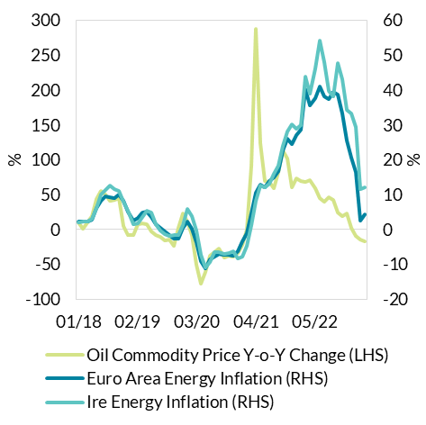
Oct-20 | -7.3175302164 | -6.8288119738 | -38.080020003 | 33.794884464 | 1.1775181818 | 39.794090909
Nov-20 | -7.4740095532 | -6.1147695202 | -38.642143674 | 35.489307953 | 1.1837904762 | 42.011904762
Dec-20 | -6.1529829811 | -8.434864105 | -33.457376811 | 41.245415226 | 1.2169727273 | 50.194545455
Jan-21 | -3.5266821346 | -7.8776645042 | -22.435413118 | 44.858939891 | 1.217085 | 54.597142857
Feb-21 | -1.1111111111 | -4.6139359699 | 0.22973488007 | 51.880491656 | 1.20979 | 62.7645
Mar-21 | 4.5383867833 | 1.1560693642 | 90.981687885 | 55.394458471 | 1.1899086957 | 65.914347826
Apr-21 | 10.50805958 | 8.1053698075 | 287.39096456 | 53.842982878 | 1.19791 | 64.499047619
May-21 | 12.937642428 | 12.591050989 | 123.74228982 | 57.144775429 | 1.2145904762 | 69.4075
Jun-21 | 12.184446254 | 12.127440904 | 69.268989637 | 60.827208379 | 1.2047090909 | 73.279090909
Jul-21 | 13.97043936 | 13.157894737 | 67.960740439 | 64.334051061 | 1.1821818182 | 76.054545455
Aug-21 | 14.868686869 | 16.060606061 | 59.001927115 | 60.946791258 | 1.1771818182 | 71.745454545
Sep-21 | 16.818642351 | 18.413021363 | 83.048928692 | 63.22992736 | 1.1770318182 | 74.423636364
Oct-21 | 22.583906187 | 24.096385542 | 113.83785227 | 72.266255115 | 1.160147619 | 83.83952381
Nov-21 | 25.933798968 | 28.056112224 | 102.17501793 | 71.750514717 | 1.1414045455 | 81.896363636
Dec-21 | 24.571542447 | 30.194472876 | 60.198308606 | 66.074457569 | 1.1303782609 | 74.689130435
Jan-22 | 27.012987013 | 28.973843058 | 73.392282312 | 77.781939698 | 1.131447619 | 88.006190476
Feb-22 | 28.737383356 | 30.009871668 | 69.544597927 | 87.96057098 | 1.13419 | 99.764
Mar-22 | 40.159895882 | 43.80952381 | 67.676854977 | 92.883685797 | 1.1018956522 | 102.34812954 | Source: Eurostat, ECB
Apr-22 | 35.644387001 | 38.987816307 | 71.143515473 | 92.148773732 | 1.0818736842 | 99.693333333
May-22 | 37.668531597 | 46.210720887 | 59.121661168 | 90.929715933 | 1.05785 | 96.19
Jun-22 | 41.05798022 | 54.078826764 | 45.570616618 | 88.546542309 | 1.0565818182 | 93.556666667
Jul-22 | 38.292769586 | 48.032200358 | 39.965857303 | 90.045706106 | 1.0178904762 | 91.656666667
Aug-22 | 37.460429124 | 39.860748477 | 45.932245856 | 88.94102126 | 1.0128434783 | 90.083333333
Sep-22 | 39.401561145 | 38.058419244 | 41.905507595 | 89.726749372 | 0.99037727273 | 88.863333333
Oct-22 | 38.660729012 | 47.734627832 | 23.75407956 | 89.432438851 | 0.98256666667 | 87.873333333
Nov-22 | 33.325295394 | 43.03599374 | 18.861135076 | 85.283476215 | 1.0201272727 | 87
Dec-22 | 25.451927692 | 34.355345912 | 23.37600093 | 81.520023385 | 1.0588809524 | 86.32
Jan-23 | 20.586230402 | 33.151326053 | 2.7656827984 | 79.933141424 | 1.0769 | 86.08
Feb-23 | 16.575443787 | 29.309035687 | -9.4435774888 | 79.6539463 | 1.07151 | 85.35
Mar-23 | 2.5535584002 | 11.655629139 | -15.023843453 | 78.928986249 | 1.0705826087 | 84.5
Apr-23 | 4.4374872388 | 12.204989885 | -17.278654345 | 76.226705636 | 1.0967722222 | 83.603333333

D3
Historic Food and Energy Price inflation begin to ease
Figure 3: HICP Electricity and gas prices.

 |  | HICP Electricity Euro Area Average | HICP Electricity Ireland |  |  | Gas price 3M MA growth rate
 | Jan-17 | 3.8 | -3.4 | 2017-01-01 | 45.74 | 25.521405049
 | Feb-17 | 2.8 | -3.4 | 2017-02-01 | 49.47 | 45.5
 | Mar-17 | 1.8 | -3.4 | 2017-03-01 | 50.2 | 56.777014366
 | Apr-17 | 3 | -3.4 | 2017-04-01 | 48.42 | 59.171597633
 | May-17 | 2.8 | -3.4 | 2017-05-01 | 44.14 | 49.172017574
 | Jun-17 | 2.1 | -3.4 | 2017-06-01 | 39.94 | 33.668005355
 | Jul-17 | 2.3 | -3.4 | 2017-07-01 | 37.92 | 20.610687023
 | Aug-17 | 2.6 | 0.5 | 2017-08-01 | 36.78 | 11.353315168
 | Sep-17 | 2.1 | 0.5 | 2017-09-01 | 38.12 | 16.113310996
 | Oct-17 | 2.1 | 2.4 | 2017-10-01 | 41.58 | 33.697749196
 | Nov-17 | 2.3 | 4.4 | 2017-11-01 | 44.8 | 31.493982976
 | Dec-17 | 1.7 | 4.9 | 2017-12-01 | 48.31 | 20.8052013
 | Jan-18 | 0.4 | 4.9 | 2018-01-01 | 52.19 | 14.101442938
 | Feb-18 | 2.7 | 6.9 | 2018-02-01 | 53.87 | 8.8942793612
 | Mar-18 | 2.3 | 6.9 | 2018-03-01 | 58.47 | 16.474103586
 | Apr-18 | 1.2 | 6.9 | 2018-04-01 | 57.75 | 19.26889715
 | May-18 | 2 | 6.9 | 2018-05-01 | 57.78 | 30.901676484
 | Jun-18 | 2.1 | 6.9 | 2018-06-01 | 54.35 | 36.079118678
 | Jul-18 | 3 | 7.8 | 2018-07-01 | 53.9 | 42.141350211
 | Aug-18 | 3.1 | 13.2 | 2018-08-01 | 56.25 | 52.936378467
 | Sep-18 | 3.5 | 13.2 | 2018-09-01 | 58.71 | 54.013641133
 | Oct-18 | 3.5 | 5.1 | 2018-10-01 | 64.58 | 55.315055315
 | Nov-18 | 3.1 | 3 | 2018-11-01 | 67.51 | 50.691964286
 | Dec-18 | 2.9 | 3.5 | 2018-12-01 | 68.16 | 41.08880149
 | Jan-19 | 4.1 | 4 | 2019-01-01 | 65 | 24.544931979
 | Feb-19 | 3.1 | 2.1 | 2019-02-01 | 61.98 | 15.054761463
 | Mar-19 | 3.7 | 2.9 | 2019-03-01 | 56.5 | -3.3692491876
 | Apr-19 | 4 | 5.1 | 2019-04-01 | 48.37 | -16.242424242
 | May-19 | 2.6 | 5.1 | 2019-05-01 | 40.68 | -29.595015576
 | Jun-19 | 3.5 | 5.1 | 2019-06-01 | 35.28 | -35.087396504
 | Jul-19 | 2.6 | 4.2 | 2019-07-01 | 31.62 | -41.33580705
 | Aug-19 | 2 | -0.7 | 2019-08-01 | 29.72 | -47.164444444
 | Sep-19 | 1.3 | -0.7 | 2019-09-01 | 28.39 | -51.643672288
 | Oct-19 | 1.2 | 4.1 | 2019-10-01 | 27.49 | -57.432641685
 | Nov-19 | 1 | 4.1 | 2019-11-01 | 26.22 | -61.161309436
 | Dec-19 | 0.5 | 3.2 | 2019-12-01 | 29.55 | -56.646126761
 | Jan-20 | -0.8 | 2.7 | 2020-01-01 | 31.82 | -51.046153846
 | Feb-20 | -0.3 | 2.7 | 2020-02-01 | 32.5 | -47.563730236
 | Mar-20 | -0.9 | 1.9 | 2020-03-01 | 28.08 | -50.300884956
 | Apr-20 | -2.3 | -1.5 | 2020-04-01 | 24.77 | -48.790572669
 | May-20 | -2.1 | -2.5 | 2020-05-01 | 20.02 | -50.786627335
 | Jun-20 | -2.3 | -2.7 | 2020-06-01 | 16.16 | -54.195011338
 | Jul-20 | -2.6 | -2.7 | 2020-07-01 | 12.99 | -58.918406072
 | Aug-20 | -1.7 | -2.7 | 2020-08-01 | 12.74 | -57.133243607
 | Sep-20 | -1 | -2.7 | 2020-09-01 | 15.89 | -44.029587883
 | Oct-20 | -1.2 | 3.9 | 2020-10-01 | 21.47 | -21.898872317
 | Nov-20 | -0.6 | 3.9 | 2020-11-01 | 29.55 | 12.700228833
 | Dec-20 | 0.4 | 3.9 | 2020-12-01 | 35.38 | 19.72927242
 | Jan-21 | 3 | 3.9 | 2021-01-01 | 41.22 | 29.541169076
 | Feb-21 | 0.7 | 3.9 | 2021-02-01 | 47.69 | 46.738461538
 | Mar-21 | 3.2 | 3.9 | 2021-03-01 | 50.25 | 78.952991453
 | Apr-21 | 7.4 | 8.2 | 2021-04-01 | 50.21 | 102.70488494
 | May-21 | 8 | 9.4 | 2021-05-01 | 49.04 | 144.95504496
 | Jun-21 | 8.3 | 9.6 | 2021-06-01 | 55.35 | 242.51237624
 | Jul-21 | 7.9 | 11.3 | 2021-07-01 | 64.78 | 398.691301
 | Aug-21 | 9.3 | 18.9 | 2021-08-01 | 75.99 | 496.4678179
 | Sep-21 | 10.8 | 20.5 | 2021-09-01 | 91.62 | 476.58904972
 | Oct-21 | 14.9 | 15.3 | 2021-10-01 | 121.13 | 464.18258034
 | Nov-21 | 17.6 | 20.9 | 2021-11-01 | 157.74 | 433.8071066
 | Dec-21 | 22.4 | 22.3 | 2021-12-01 | 189.56 | 435.78292821
 | Jan-22 | 27 | 22.3 | 2022-01-01 | 228.51 | 454.36681223
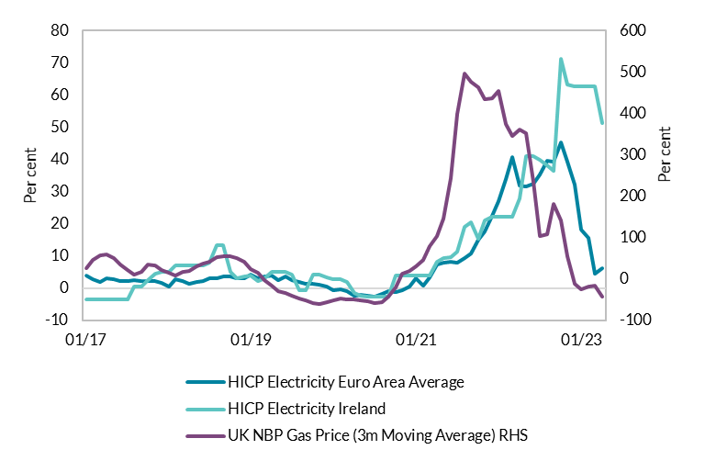
 | Feb-22 | 33.9 | 22.3 | 2022-02-01 | 226.54 | 375.02621095
 | Mar-22 | 40.6 | 22.3 | 2022-03-01 | 224.33 | 346.4278607
 | Apr-22 | 31.9 | 27.9 | 2022-04-01 | 232 | 362.05935073
 | May-22 | 31.7 | 41 | 2022-05-01 | 221.44 | 351.5497553
 | Jun-22 | 32.5 | 41 | 2022-06-01 | 185.67 | 235.44715447
 | Jul-22 | 35.2 | 39.9 | 2022-07-01 | 132.3 | 104.22970052
 | Aug-22 | 39.5 | 38.2 | 2022-08-01 | 158.53 | 108.6195552
 | Sep-22 | 39.3 | 36.3 | 2022-09-01 | 257.89 | 181.47784327
 | Oct-22 | 45.3 | 71.3 | 2022-10-01 | 293.14 | 142.00445802
 | Nov-22 | 39.4 | 63.4 | 2022-11-01 | 244.26 | 54.849752758
 | Dec-22 | 32.1 | 62.7 | 2022-12-01 | 166.59 | -12.117535345
 | Jan-23 | 18.3 | 62.7 | 2023-01-01 | 168.51 | -26.257056584
 | Feb-23 | 15.7 | 62.7 | 2023-02-01 | 186.93 | -17.484770901
 | Mar-23 | 4.5 | 62.7 | 2023-03-01 | 188.28 | -16.070075335
 | Apr-23 | 6.3 | 51.3 | 2023-04-01 | 133.33 | -42.530172414
 | May-23

 |  |  |  |  |  |  | Source: Eurostat, Refinitiv Eikon

D4 & D5
Commodity price shocks are larger and more persistent
Figures 3 &4: Cumulative impulse response of HICP energy/food to a 1% change in the wholesale price of energy/food

Data unavailable
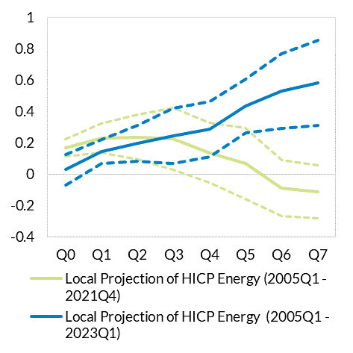

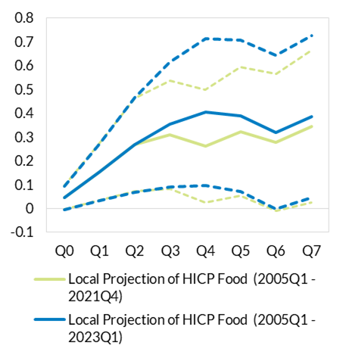

 |  | Source: Author’s calculations
 | Source: Author’s calculations

D6 & D7
Pipeline pressures for food and energy to ease
Figures 5 & 6: Pipeline pressures Energy and Food

Data unavailable
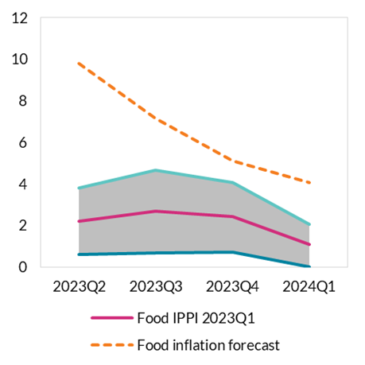
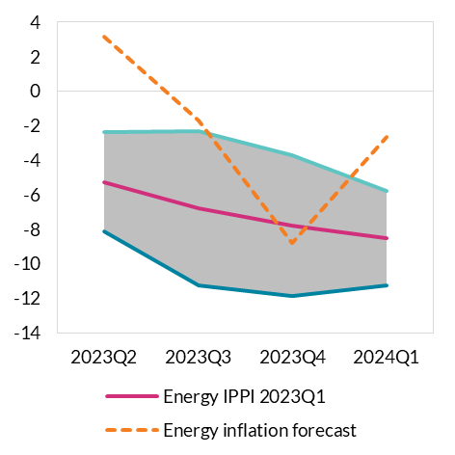

 |  | Source: Author’s calculations
 | Source: Author’s calculations

E1
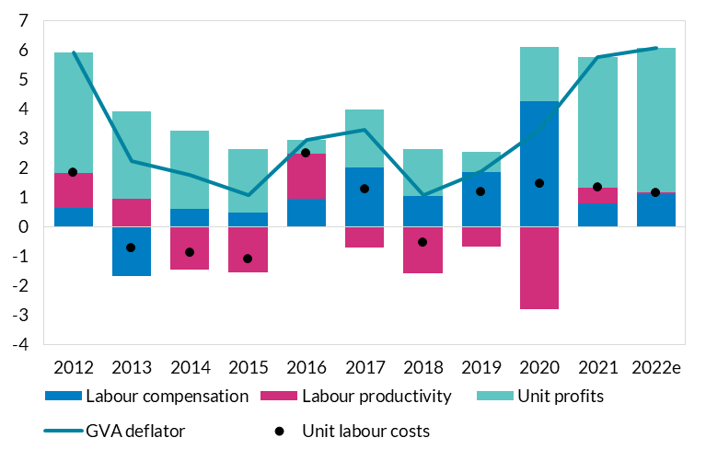
Unit profits contributed more to domestic inflation than unit labour costs in recent years
Figure 1: Decomposition of changes in the GVA deflator for domestic sectors.

 | GVA deflator | Unit labour costs | Labour compensation | Labour productivity | Unit profits
2012 | 5.9 | 1.8 | 0.6 | 1.2 | 4.1
2013 | 2.2 | -0.7 | -1.7 | 0.9 | 3.0
2014 | 1.8 | -0.9 | 0.6 | -1.5 | 2.7
2015 | 1.1 | -1.1 | 0.5 | -1.6 | 2.2
2016 | 2.9 | 2.5 | 1.0 | 1.5 | 0.5
2017 | 3.3 | 1.3 | 2.0 | -0.7 | 2.0
2018 | 1.1 | -0.5 | 1.0 | -1.6 | 1.6
2019 | 1.9 | 1.2 | 1.9 | -0.7 | 0.7
2020 | 3.3 | 1.5 | 4.2 | -2.8 | 1.9
2021 | 5.7 | 1.3 | 0.8 | 0.5 | 4.4
2022e | 6.1 | 1.2 | 1.1 | 0.0 | 4.9

 |  |  |  |  |  | Source: CSO Quarterly National Accounts, Productivity in Ireland 2021, Central Bank staff estimates

E2
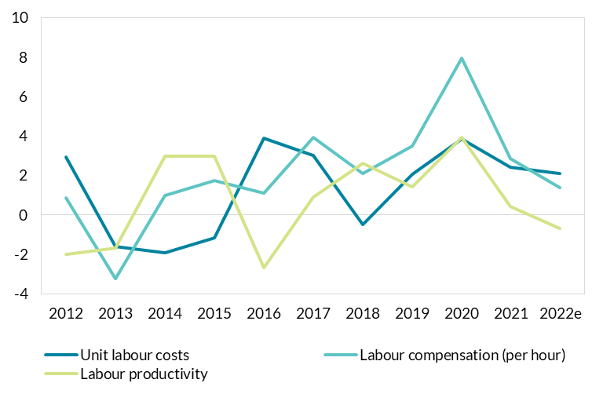
Increase in unit labour costs since 2020 as rise in hourly compensationis higher than productivity growth
Figure 2: Annual rate of change in unit labour costs, labour compensation per hour worked and labour productivity in domestic sectors.

 | Unit labour costs | Labour compensation (per hour) | Labour productivity
2012 | 2.9 | 0.9 | -2.0
2013 | -1.6 | -3.2 | -1.7
2014 | -1.9 | 1.0 | 3.0
2015 | -1.2 | 1.8 | 3.0
2016 | 3.9 | 1.1 | -2.7
2017 | 3.0 | 3.9 | 0.9
2018 | -0.5 | 2.1 | 2.6
2019 | 2.0 | 3.5 | 1.4
2020 | 3.8 | 7.9 | 3.9
2021 | 2.4 | 2.9 | 0.4
2022e | 2.1 | 1.4 | -0.7

 |  |  |  | Source: CSO Quarterly National Accounts, Productivity in Ireland 2021, Central Bank staff estimates

E3
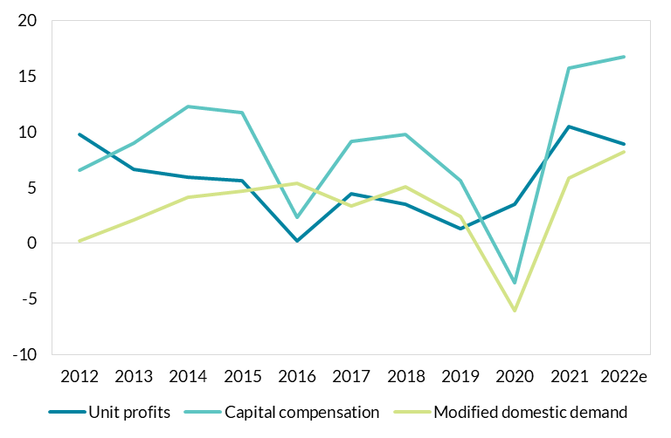
Increase in unit profits and domestic demand driving overall growth in profits in 2021 and 2022
Figure 3: Unit profits and Capital compensation growth, domestic dominated sectors and growth in MDD

 | Unit profits | Capital compensation | Modified domestic demand
2012 | 9.8 | 6.5 | 0.2
2013 | 6.6 | 9.0 | 2.1
2014 | 5.9 | 12.3 | 4.1
2015 | 5.6 | 11.7 | 4.6
2016 | 0.2 | 2.3 | 5.4
2017 | 4.4 | 9.1 | 3.3
2018 | 3.5 | 9.7 | 5.0
2019 | 1.3 | 5.6 | 2.4
2020 | 3.5 | -3.5 | -6.1
2021 | 10.4 | 15.7 | 5.8
2022e | 8.9 | 16.7 | 8.2

 |  |  |  | Source: CSO Quarterly National Accounts, Productivity in Ireland 2021, Central Bank staff estimates

E4
Profit growth has been strong across corporates in many different sectors
Figure 4: Growth in gross corporate profits for Irish and Foreign-owned enterprises and total net corporate profit, annual average 2020-2022

 | Irish-owned | Foreign-owned | All
Admin and support services (N) | 7.6 | -7.0
Agri, Inds and Constr (A,B,C,D,E,F) | 4.9 | 19.2
Financial and insurance (K) | 30.7 | -14.8
ICT (J) | 32.4 | 23.7
Other Services (H,I,L,M,O,P,Q,R,S,T) | 23.9 | 49.7
Wholesale and retail trade (G) | 22.2 | 3.1
Total Gross Profit | 16.0 | 17.3
Total Net Profit |  |  | 20.4
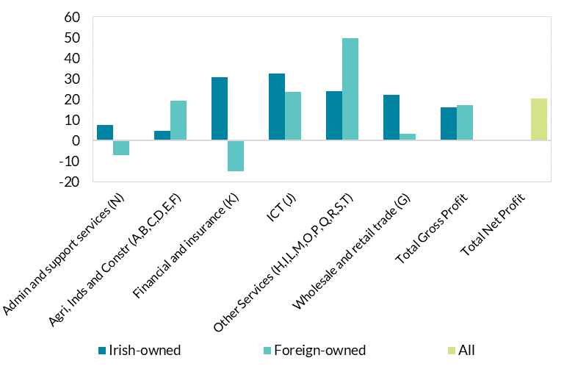

 |  | Source: CSO Frontier Series: Corporate Profits

F1
Inflation expectations in May have eased relative to February
Figure 1: Inflation expectations (1-year ahead)

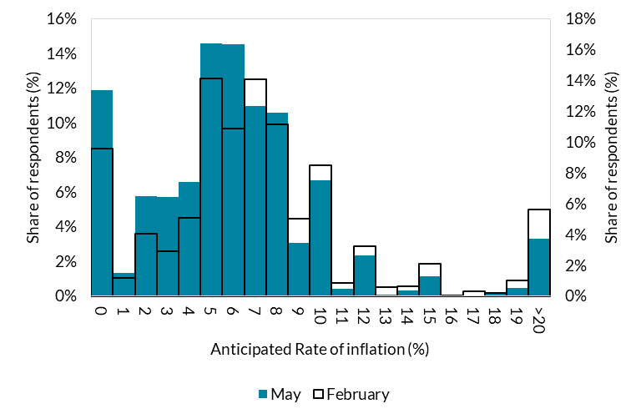
 |  | May | February
 | 0 | 11.9% | 9.6%
 | 1 | 1.3% | 1.2%
 | 2 | 5.7% | 4.1%
 | 3 | 5.7% | 2.9%
 | 4 | 6.6% | 5.0%
 | 5 | 14.6% | 14.1%
 | 6 | 14.5% | 10.9%
 | 7 | 11.0% | 14.1%
 | 8 | 10.6% | 11.2%
 | 9 | 3.1% | 5.0%
 | 10 | 6.7% | 8.5%
 | 11 | 0.4% | 0.8%
 | 12 | 2.3% | 3.2%
 | 13 | 0.1% | 0.6%
 | 14 | 0.3% | 0.6%
 | 15 | 1.2% | 2.1%
 | 16 | 0.1% | 0.0%
 | 17 | 0.0% | 0.3%
 | 18 | 0.2% | 0.2% | Source: CBIEES
 | 19 | 0.5% | 1.0%
 | >20 | 3.3% | 5.6%

F2
Expected real earnings are anticipated to lag inflation
Figure 2: Expected change in earnings (1-year ahead)

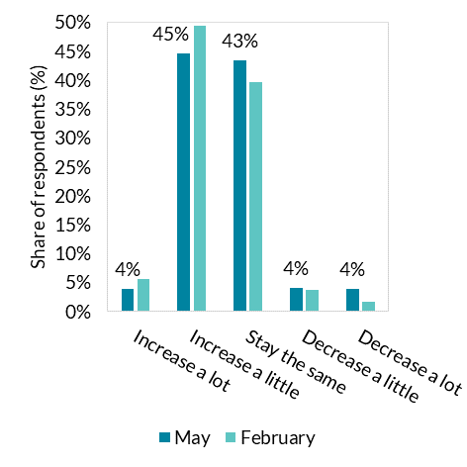
 |  | February | May
 | Increase a lot | 6% | 4%
 | Increase a little | 49% | 45%
 | Stay the same | 40% | 43%
 | Decrease a little | 4% | 4%
 | Decrease a lot | 2% | 4%
 |  | 0% | 0%

 |  |  |  | Source: CBIEES

F3
Expected real earnings are anticipated to lag inflation
Figure 3: Real expected quantitative change in earnings – May survey (1-year ahead)

 |  | Inflation | Earnings
 | -10 | 0.0% | 4.2%
 | -9 | 0.0% | 0.0%
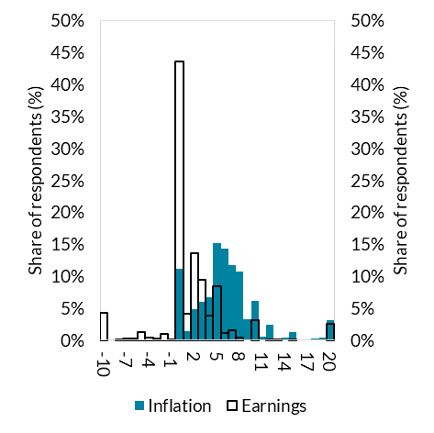
 | -8 | 0.0% | 0.1%
 | -7 | 0.0% | 0.2%
 | -6 | 0.0% | 0.2%
 | -5 | 0.0% | 1.2%
 | -4 | 0.0% | 0.5%
 | -3 | 0.0% | 0.3%
 | -2 | 0.0% | 0.9%
 | -1 | 0.0% | 0.1%
 | 0 | 11.1% | 43.7%
 | 1 | 1.4% | 4.2%
 | 2 | 4.8% | 13.6%
 | 3 | 6.1% | 9.4%
 | 4 | 6.6% | 3.9%
 | 5 | 15.2% | 8.5%
 | 6 | 14.4% | 1.1%
 | 7 | 11.7% | 1.5%
 | 8 | 10.7% | 0.5%
 | 9 | 3.3% | 0.0%
 | 10 | 6.1% | 3.2% | Source: CBIEES
 | 11 | 0.5% | 0.0%
 | 12 | 2.5% | 0.1%
 | 13 | 0.1% | 0.0%
 | 14 | 0.4% | 0.0%
 | 15 | 1.2% | 0.1%
 | 16 | 0.1% | 0.0%
 | 17 | 0.1% | 0.0%
 | 18 | 0.2% | 0.0%
 | 19 | 0.5% | 0.0%
 | 20 | 3.2% | 2.6%

F4
Over a quarter of workers expect to take active steps to increase earnings
Figure 4: Expected actions to be taken to seek higher wages over the next 3 months

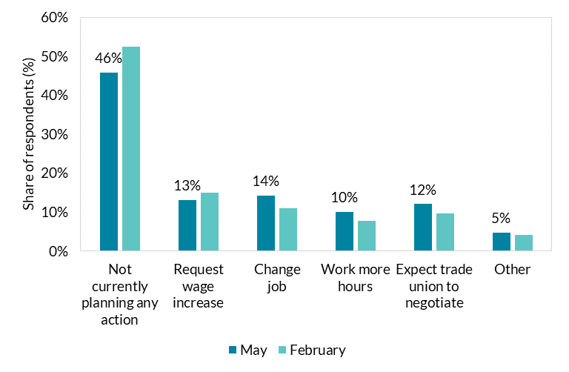
 |  | February | May
 | Not currently planning any action | 52% | 46%
 | Request wage increase | 15% | 13%
 | Change job | 11% | 14%
 | Work more hours | 8% | 10%
 | Expect trade union to negotiate | 10% | 12%
 | Other | 4% | 5%

 |  |  |  | Source: CBIEES

