Figure 1a
 | CPI excl. energy and food | CPI
1995 January | 2.4 | 2.5
1995 February | 2.4 | 2.5
1995 March | 2.4 | 2.5
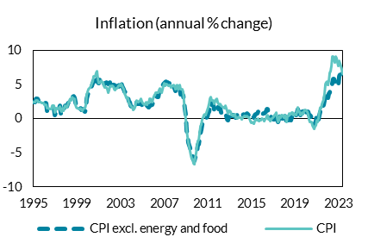
1995 April | 3 | 2.7
1995 May | 3 | 2.7
1995 June | 3 | 2.7
1995 July | 2.7 | 2.5
1995 August | 2.7 | 2.5
1995 September | 2.7 | 2.5
1995 October | 2.5 | 2.3
1995 November | 2.5 | 2.3
1995 December | 2.5 | 2.3
1996 January | 2.3 | 2.1
1996 February | 2.3 | 2.1 | Source: CSO
1996 March | 2.3 | 2.1
1996 April | 1.2 | 1.5
1996 May | 1.2 | 1.5
1996 June | 1.2 | 1.5
1996 July | 1.2 | 1.4
1996 August | 1.2 | 1.4
1996 September | 1.2 | 1.4
1996 October | 1.6 | 1.9
1996 November | 1.6 | 1.9
1996 December | 1.6 | 1.9
1997 January | 0.6 | 0.9
1997 February | 1.2 | 1.5
1997 March | 1.3 | 1.6
1997 April | 1.4 | 1.4
1997 May | 1.7 | 1.5
1997 June | 1.9 | 1.8
1997 July | 0.8 | 1.2
1997 August | 0.8 | 1
1997 September | 1.3 | 1.5
1997 October | 1.2 | 1.2
1997 November | 1.6 | 1.6
1997 December | 1.9 | 1.9
1998 January | 1.8 | 1.8
1998 February | 1.8 | 1.7
1998 March | 2.2 | 2.1
1998 April | 2.5 | 2.5
1998 May | 2.5 | 2.7
1998 June | 2.7 | 2.9
1998 July | 2.7 | 2.7
1998 August | 3.2 | 3.2
1998 September | 3.3 | 3
1998 October | 3.1 | 2.9
1998 November | 2.4 | 2.1
1998 December | 1.8 | 1.7
1999 January | 1.6 | 1.5
1999 February | 1.6 | 1.6
1999 March | 1.4 | 1.4
1999 April | 1.4 | 1.4
1999 May | 1.5 | 1.5
1999 June | 1.3 | 1.3
1999 July | 1.3 | 1.2
1999 August | 1.4 | 1.4
1999 September | 1.2 | 1.5
1999 October | 1.1 | 1.5
1999 November | 1.4 | 2.1
1999 December | 3 | 3.4
2000 January | 3.5 | 4
2000 February | 3.9 | 4.3
2000 March | 4.2 | 4.6
2000 April | 4.5 | 4.9
2000 May | 4.9 | 5.2
2000 June | 5.2 | 5.5
2000 July | 5.6 | 6.2
2000 August | 5.5 | 6.2
2000 September | 5.6 | 6.2
2000 October | 6 | 6.8
2000 November | 6.4 | 7
2000 December | 5.4 | 5.9
2001 January | 5.2 | 5.2
2001 February | 5.7 | 5.3
2001 March | 5.6 | 5.4
2001 April | 5.7 | 5.6
2001 May | 5.4 | 5.4
2001 June | 5.2 | 5.3
2001 July | 5 | 4.8
2001 August | 5.2 | 4.6
2001 September | 5.4 | 4.6
2001 October | 5.2 | 4.3
2001 November | 5.1 | 3.8
2001 December | 5.1 | 4.2
2002 January | 5.4 | 4.9
2002 February | 4.7 | 4.7
2002 March | 5.1 | 4.8
2002 April | 5.1 | 4.8
2002 May | 5 | 4.7
2002 June | 5 | 4.4
2002 July | 4.8 | 4.2
2002 August | 4.9 | 4.5
2002 September | 4.7 | 4.5
2002 October | 4.9 | 4.6
2002 November | 4.7 | 4.8
2002 December | 5.2 | 5
2003 January | 5 | 4.8
2003 February | 5.3 | 5.1
2003 March | 4.8 | 4.9
2003 April | 4.3 | 4.3
2003 May | 4 | 3.7
2003 June | 4 | 3.5
2003 July | 3.5 | 3.1
2003 August | 3.5 | 3.2
2003 September | 3.1 | 2.9
2003 October | 2.6 | 2.3
2003 November | 2.5 | 2.2
2003 December | 1.9 | 1.9
2004 January | 1.8 | 1.8
2004 February | 1.8 | 1.7
2004 March | 1.7 | 1.3
2004 April | 1.7 | 1.4
2004 May | 1.6 | 1.7
2004 June | 1.7 | 2.3
2004 July | 2.4 | 2.7
2004 August | 2.2 | 2.6
2004 September | 2.2 | 2.5
2004 October | 2.2 | 2.7
2004 November | 2.2 | 2.9
2004 December | 2.1 | 2.6
2005 January | 1.9 | 2.3
2005 February | 1.9 | 2.2
2005 March | 1.7 | 2.1
2005 April | 1.6 | 2.2
2005 May | 1.9 | 2.4
2005 June | 2 | 2.1
2005 July | 1.8 | 2.4
2005 August | 1.7 | 2.3
2005 September | 2 | 3
2005 October | 1.9 | 3
2005 November | 2.1 | 2.6
2005 December | 2.1 | 2.5
2006 January | 2.5 | 3
2006 February | 2.6 | 3.3
2006 March | 2.7 | 3.5
2006 April | 3.4 | 3.8
2006 May | 3.2 | 3.9
2006 June | 3.2 | 3.9
2006 July | 3.8 | 4.2
2006 August | 4 | 4.5
2006 September | 4.4 | 4
2006 October | 4.5 | 3.9
2006 November | 4.8 | 4.4
2006 December | 5.1 | 4.9
2007 January | 5.2 | 5.2
2007 February | 5.3 | 4.8
2007 March | 5.5 | 5.1
2007 April | 5.4 | 5.1
2007 May | 5.4 | 5
2007 June | 5.2 | 4.9
2007 July | 5.2 | 5
2007 August | 5.1 | 4.8
2007 September | 4.7 | 4.6
2007 October | 4.8 | 4.8
2007 November | 4.7 | 5
2007 December | 4.5 | 4.7
2008 January | 4.1 | 4.3
2008 February | 4.6 | 4.8
2008 March | 4.7 | 5
2008 April | 4.1 | 4.3
2008 May | 4.3 | 4.7
2008 June | 4.3 | 5
2008 July | 3.6 | 4.4
2008 August | 3.7 | 4.3
2008 September | 3.6 | 4.3
2008 October | 3.5 | 4
2008 November | 2.5 | 2.5
2008 December | 1.4 | 1.1
2009 January | 0.5 | -0.1
2009 February | -1.7 | -1.7
2009 March | -2.4 | -2.6
2009 April | -3.5 | -3.5
2009 May | -4.2 | -4.7
2009 June | -4.9 | -5.4
2009 July | -5.1 | -5.9
2009 August | -5.4 | -5.9
2009 September | -6 | -6.5
2009 October | -6.1 | -6.6
2009 November | -5.7 | -5.7
2009 December | -5.5 | -5
2010 January | -4.8 | -3.9
2010 February | -3.7 | -3.2
2010 March | -3.8 | -3.1
2010 April | -2.8 | -2.1
2010 May | -2.1 | -1.1
2010 June | -1.6 | -0.9
2010 July | -0.9 | -0.1
2010 August | -0.3 | 0.2
2010 September | -0.1 | 0.5
2010 October | 0 | 0.7
2010 November | 0 | 0.6
2010 December | 0.3 | 1.3
2011 January | 0.8 | 1.7
2011 February | 1.1 | 2.2
2011 March | 1.9 | 3
2011 April | 2.4 | 3.2
2011 May | 2.1 | 2.7
2011 June | 2.2 | 2.7
2011 July | 2.1 | 2.7
2011 August | 1.3 | 2.2
2011 September | 1.7 | 2.6
2011 October | 1.9 | 2.8
2011 November | 1.9 | 2.9
2011 December | 1.9 | 2.5
2012 January | 1.4 | 2.2
2012 February | 1.4 | 2.1
2012 March | 1.6 | 2.2
2012 April | 0.9 | 1.9
2012 May | 0.9 | 1.8
2012 June | 0.9 | 1.7
2012 July | 1 | 1.6
2012 August | 1.1 | 2
2012 September | 0.4 | 1.6
2012 October | -0.1 | 1.2
2012 November | -0.2 | 0.8
2012 December | 0.3 | 1.2
2013 January | 0.7 | 1.2
2013 February | 0.6 | 1.1
2013 March | 0.2 | 0.5
2013 April | 0.5 | 0.5
2013 May | 0.5 | 0.4
2013 June | 0.5 | 0.7
2013 July | 0.3 | 0.7
2013 August | 0.2 | 0.2
2013 September | 0.4 | 0.2
2013 October | 0.7 | 0.1
2013 November | 0.8 | 0.3
2013 December | 0.6 | 0.2
2014 January | 0.5 | 0.2
2014 February | 0.4 | -0.1
2014 March | 0.6 | 0.2
2014 April | 0.7 | 0.3
2014 May | 0.6 | 0.4
2014 June | 0.7 | 0.4
2014 July | 0.6 | 0.3
2014 August | 0.8 | 0.4
2014 September | 0.7 | 0.3
2014 October | 0.5 | 0.2
2014 November | 0.6 | 0.1
2014 December | 0.5 | -0.3
2015 January | 0.8 | -0.6
2015 February | 0.8 | -0.5
2015 March | 0.4 | -0.6
2015 April | 0.2 | -0.7
2015 May | 0.6 | -0.3
2015 June | 0.7 | -0.1
2015 July | 0.8 | -0.2
2015 August | 1.1 | 0
2015 September | 1.2 | -0.3
2015 October | 1.2 | -0.2
2015 November | 0.9 | -0.2
2015 December | 1.1 | 0.1
2016 January | 0.7 | 0.1
2016 February | 0.8 | -0.1
2016 March | 0.8 | -0.3
2016 April | 0.9 | -0.1
2016 May | 1.1 | 0
2016 June | 1.4 | 0.4
2016 July | 1.4 | 0.5
2016 August | 0.8 | -0.1
2016 September | 0.4 | 0
2016 October | 0.1 | -0.3
2016 November | 0.3 | -0.1
2016 December | 0 | 0
2017 January | -0.1 | 0.3
2017 February | -0.1 | 0.5
2017 March | 0.2 | 0.7
2017 April | 0.7 | 0.9
2017 May | 0 | 0.2
2017 June | -0.4 | -0.4
2017 July | -0.1 | -0.2
2017 August | 0.4 | 0.4
2017 September | 0.1 | 0.2
2017 October | 0.4 | 0.6
2017 November | 0.1 | 0.5
2017 December | 0.2 | 0.4
2018 January | 0.2 | 0.2
2018 February | 0.4 | 0.5
2018 March | 0.1 | 0.2
2018 April | -0.6 | -0.4
2018 May | 0.1 | 0.4
2018 June | -0.2 | 0.4
2018 July | 0.1 | 0.8
2018 August | -0.2 | 0.7
2018 September | 0.3 | 0.9
2018 October | 0.1 | 0.9
2018 November | 0.1 | 0.6
2018 December | 0.3 | 0.7
2019 January | 0.8 | 0.7
2019 February | 0.6 | 0.6
2019 March | 0.9 | 1.1
2019 April | 1.4 | 1.7
2019 May | 0.6 | 1
2019 June | 1.1 | 1.1
2019 July | 0.6 | 0.5
2019 August | 0.9 | 0.7
2019 September | 1.1 | 0.9
2019 October | 1.1 | 0.7
2019 November | 1.4 | 1.1
2019 December | 1.5 | 1.3
2020 January | 0.9 | 1.3
2020 February | 1 | 1.1
2020 March | 1 | 0.7
2020 April | 0.6 | -0.1
2020 May | 0.5 | -0.5
2020 June | 0.4 | -0.4
2020 July | 0.1 | -0.4
2020 August | -0.5 | -1
2020 September | -0.6 | -1.2
2020 October | -1 | -1.5
2020 November | -0.6 | -1.1
2020 December | -0.3 | -1
2021 January | 0.7 | -0.2
2021 February | 0 | -0.4
2021 March | -0.1 | 0
2021 April | 0.6 | 1.1
2021 May | 1.1 | 1.7
2021 June | 0.9 | 1.6
2021 July | 1.4 | 2.2
2021 August | 2.1 | 2.8
2021 September | 2.7 | 3.7
2021 October | 3.7 | 5.1
2021 November | 3.7 | 5.3
2021 December | 3.8 | 5.5
2022 January | 3.1 | 5
2022 February | 3.7 | 5.6
2022 March | 3.8 | 6.7
2022 April | 4.5 | 7
2022 May | 4.6 | 7.8
2022 June | 5.2 | 9.1
2022 July | 5.8 | 9.1
2022 August | 5.8 | 8.7
2022 September | 5.5 | 8.2
2022 October | 5.4 | 9.2
2022 November | 5.5 | 8.9
2022 December | 5.5 | 8.2
2023 January | 5 | 7.8
2023 February | 6.2 | 8.5
2023 March | 6.9 | 7.7
2023 April | 6.4 | 7.2
2023 May | 6.8 | 6.6

Figure 1b
 | Unemployment | Average
1960 | 5.7 | 8.9
1961 | 5.3 | 8.9
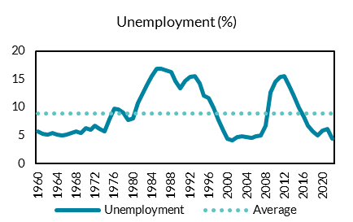
1962 | 5.2 | 8.9
1963 | 5.4 | 8.9
1964 | 5.2 | 8.9
1965 | 5 | 8.9
1966 | 5.1 | 8.9
1967 | 5.5 | 8.9
1968 | 5.8 | 8.9
1969 | 5.5 | 8.9
1970 | 6.3 | 8.9
1971 | 6 | 8.9 | Source: Ameco
1972 | 6.7 | 8.9
1973 | 6.2 | 8.9
1974 | 5.8 | 8.9
1975 | 7.9 | 8.9
1976 | 9.8 | 8.9
1977 | 9.7 | 8.9
1978 | 9 | 8.9
1979 | 7.8 | 8.9
1980 | 8 | 8.9
1981 | 10.8 | 8.9
1982 | 12.5 | 8.9
1983 | 13.9 | 8.9
1984 | 15.5 | 8.9
1985 | 16.8 | 8.9
1986 | 16.8 | 8.9
1987 | 16.6 | 8.9
1988 | 16.2 | 8.9
1989 | 14.7 | 8.9
1990 | 13.4 | 8.9
1991 | 14.7 | 8.9
1992 | 15.4 | 8.9
1993 | 15.5 | 8.9
1994 | 14.2 | 8.9
1995 | 12.1 | 8.9
1996 | 11.6 | 8.9
1997 | 9.9 | 8.9
1998 | 7.8 | 8.9
1999 | 5.9 | 8.9
2000 | 4.5 | 8.9
2001 | 4.2 | 8.9
2002 | 4.7 | 8.9
2003 | 4.8 | 8.9
2004 | 4.7 | 8.9
2005 | 4.6 | 8.9
2006 | 4.8 | 8.9
2007 | 5 | 8.9
2008 | 6.8 | 8.9
2009 | 12.6 | 8.9
2010 | 14.6 | 8.9
2011 | 15.4 | 8.9
2012 | 15.5 | 8.9
2013 | 13.8 | 8.9
2014 | 11.9 | 8.9
2015 | 9.9 | 8.9
2016 | 8.4 | 8.9
2017 | 6.7 | 8.9
2018 | 5.8 | 8.9
2019 | 5 | 8.9
2020 | 5.9 | 8.9
2021 | 6.2 | 8.9
2022 | 4.5 | 8.9
2023 | 4.3 | 8.9

Figure 1c
 | Vacancy rate | Average
2008Q1 | 1 | 0.85081967213
2008Q2 | 0.9 | 0.85081967213
2008Q3 | 0.7 | 0.85081967213
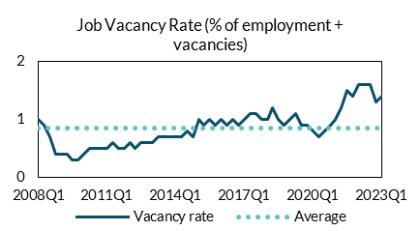
2008Q4 | 0.4 | 0.85081967213
2009Q1 | 0.4 | 0.85081967213
2009Q2 | 0.4 | 0.85081967213
2009Q3 | 0.3 | 0.85081967213
2009Q4 | 0.3 | 0.85081967213
2010Q1 | 0.4 | 0.85081967213
2010Q2 | 0.5 | 0.85081967213
2010Q3 | 0.5 | 0.85081967213
2010Q4 | 0.5 | 0.85081967213 | Source: CSO
2011Q1 | 0.5 | 0.85081967213
2011Q2 | 0.6 | 0.85081967213
2011Q3 | 0.5 | 0.85081967213
2011Q4 | 0.5 | 0.85081967213
2012Q1 | 0.6 | 0.85081967213
2012Q2 | 0.5 | 0.85081967213
2012Q3 | 0.6 | 0.85081967213
2012Q4 | 0.6 | 0.85081967213
2013Q1 | 0.6 | 0.85081967213
2013Q2 | 0.7 | 0.85081967213
2013Q3 | 0.7 | 0.85081967213
2013Q4 | 0.7 | 0.85081967213
2014Q1 | 0.7 | 0.85081967213
2014Q2 | 0.7 | 0.85081967213
2014Q3 | 0.8 | 0.85081967213
2014Q4 | 0.7 | 0.85081967213
2015Q1 | 1 | 0.85081967213
2015Q2 | 0.9 | 0.85081967213
2015Q3 | 1 | 0.85081967213
2015Q4 | 0.9 | 0.85081967213
2016Q1 | 1 | 0.85081967213
2016Q2 | 0.9 | 0.85081967213
2016Q3 | 1 | 0.85081967213
2016Q4 | 0.9 | 0.85081967213
2017Q1 | 1 | 0.85081967213
2017Q2 | 1.1 | 0.85081967213
2017Q3 | 1.1 | 0.85081967213
2017Q4 | 1 | 0.85081967213
2018Q1 | 1 | 0.85081967213
2018Q2 | 1.2 | 0.85081967213
2018Q3 | 1 | 0.85081967213
2018Q4 | 0.9 | 0.85081967213
2019Q1 | 1 | 0.85081967213
2019Q2 | 1.1 | 0.85081967213
2019Q3 | 0.9 | 0.85081967213
2019Q4 | 0.9 | 0.85081967213
2020Q1 | 0.8 | 0.85081967213
2020Q2 | 0.7 | 0.85081967213
2020Q3 | 0.8 | 0.85081967213
2020Q4 | 0.9 | 0.85081967213
2021Q1 | 1 | 0.85081967213
2021Q2 | 1.2 | 0.85081967213
2021Q3 | 1.5 | 0.85081967213
2021Q4 | 1.4 | 0.85081967213
2022Q1 | 1.6 | 0.85081967213
2022Q2 | 1.6 | 0.85081967213
2022Q3 | 1.6 | 0.85081967213
2022Q4 | 1.3 | 0.85081967213
2023Q1 | 1.4 | 0.85081967213

Figure 1d
 | Net migration | Emigration | Immigration
1987 | -23 | -40.2 | 17.2
1988 | -41.9 | -61.1 | 19.2
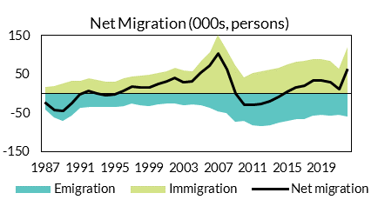
1989 | -43.9 | -70.6 | 26.7
1990 | -22.9 | -56.3 | 33.3
1991 | -2 | -35.3 | 33.3
1992 | 7.4 | -33.4 | 40.7
1993 | -0.4 | -35.1 | 34.7
1994 | -4.7 | -34.8 | 30.1
1995 | -1.9 | -33.1 | 31.2
1996 | 8 | -31.2 | 39.2
1997 | 19.2 | -25.3 | 44.5 | Source: CSO
1998 | 17.4 | -28.6 | 46
1999 | 17.3 | -31.5 | 48.9
2000 | 26 | -26.6 | 52.6
2001 | 32.8 | -26.2 | 59
2002 | 41.3 | -25.6 | 66.9
2003 | 30.7 | -29.3 | 60
2004 | 32 | -26.5 | 58.5
2005 | 55.1 | -29.4 | 84.6
2006 | 71.8 | -36 | 107.8
2007 | 104.8 | -46.3 | 151.1
2008 | 64.3 | -49.2 | 113.5
2009 | 1.6 | -72 | 73.7
2010 | -27.5 | -69.2 | 41.8
2011 | -27.4 | -80.6 | 53.3
2012 | -25.7 | -83 | 57.3
2013 | -18.7 | -81.3 | 62.7
2014 | -8.5 | -75 | 66.5
2015 | 5.9 | -70 | 75.9
2016 | 16.2 | -66.2 | 82.3
2017 | 19.8 | -64.8 | 84.6
2018 | 34 | -56.3 | 90.3
2019 | 33.7 | -54.9 | 88.6
2020 | 28.9 | -56.5 | 85.4
2021 | 11.2 | -54 | 65.2
2022 | 61.1 | -59.6 | 120.7

Figure 1e
 | CA* as % of GNI*
2011 | -0.022256310718
2012 | -0.042952079852
2013 | -0.0098755689919
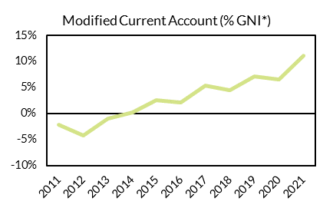
2014 | 0.0016796153445
2015 | 0.025743407644
2016 | 0.021639039684
2017 | 0.053651364513
2018 | 0.044804742879
2019 | 0.071454331486
2020 | 0.065661313226
2021 | 0.11104032427

 |  | Source: CSO

Figure 1f
 | HH
2003-Q1 | 0.31010463825
2003-Q2 | 0.13461978725
2003-Q3 | -0.094548257
2003-Q4 | -0.54368128125
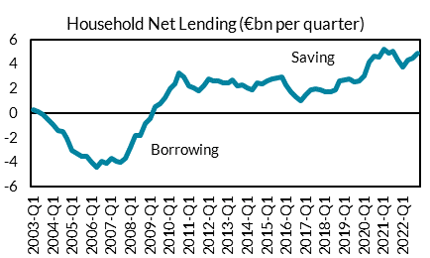
2004-Q1 | -0.88930729225
2004-Q2 | -1.4129577153
2004-Q3 | -1.4906805715
2004-Q4 | -2.0553632033
2005-Q1 | -3.0253499775
2005-Q2 | -3.2190168563
2005-Q3 | -3.4844130197
2005-Q4 | -3.5227922685
2006-Q1 | -3.9815469623
2006-Q2 | -4.3883972668 | Source: Central Bank of Ireland
2006-Q3 | -3.9327491672
2006-Q4 | -4.0938876565
2007-Q1 | -3.6937277015
2007-Q2 | -3.8953730062
2007-Q3 | -4.0069465527
2007-Q4 | -3.637475882
2008-Q1 | -2.7690804317
2008-Q2 | -1.827559011
2008-Q3 | -1.8091479785
2008-Q4 | -0.8450038295
2009-Q1 | -0.3900407355
2009-Q2 | 0.52543064275
2009-Q3 | 0.7873656755
2009-Q4 | 1.239224364
2010-Q1 | 1.9657508885
2010-Q2 | 2.3642756538
2010-Q3 | 3.2724652612
2010-Q4 | 2.9570571035
2011-Q1 | 2.2109662985
2011-Q2 | 2.0848393137
2011-Q3 | 1.8533114407
2011-Q4 | 2.2508427045
2012-Q1 | 2.833437942
2012-Q2 | 2.6492146685
2012-Q3 | 2.670104491
2012-Q4 | 2.4625987035
2013-Q1 | 2.4853613827
2013-Q2 | 2.7530655738
2013-Q3 | 2.2639017307
2013-Q4 | 2.339792751
2014-Q1 | 2.078492318
2014-Q2 | 1.9394000782
2014-Q3 | 2.5180019688
2014-Q4 | 2.3870857315
2015-Q1 | 2.6145129958
2015-Q2 | 2.7835874042
2015-Q3 | 2.8501687605
2015-Q4 | 2.997379645
2016-Q1 | 2.292218053
2016-Q2 | 1.7445762042
2016-Q3 | 1.3599490515
2016-Q4 | 1.0310513992
2017-Q1 | 1.4789200918
2017-Q2 | 1.8994207145
2017-Q3 | 2.0038495525
2017-Q4 | 1.8927806165
2018-Q1 | 1.7876200212
2018-Q2 | 1.7386276188
2018-Q3 | 1.9132418498
2018-Q4 | 2.6284025385
2019-Q1 | 2.7660490153
2019-Q2 | 2.7691463343
2019-Q3 | 2.5369645337
2019-Q4 | 2.623306927
2020-Q1 | 3.027881101
2020-Q2 | 4.1814413613
2020-Q3 | 4.649481631
2020-Q4 | 4.6247534572
2021-Q1 | 5.199804119
2021-Q2 | 4.8849836578
2021-Q3 | 5.0833267342
2021-Q4 | 4.3587961208
2022-Q1 | 3.7881693783
2022-Q2 | 4.3404808672
2022-Q3 | 4.5081157162
2022-Q4 | 4.8953618603

Figure 1g
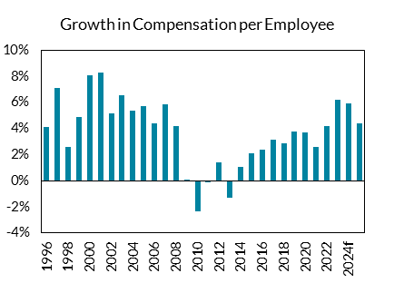
 | Growth in Compensation per Employee
1996 | 0.04148871263
1997 | 0.070884592853
1998 | 0.025711159737
1999 | 0.049066666667
2000 | 0.080494831385
2001 | 0.082496863237
2002 | 0.05143436685
2003 | 0.065316246383
2004 | 0.053679989652
2005 | 0.056960471397
2006 | 0.04425087108
2007 | 0.058391725058
2008 | 0.042034468264 | Source: CSO, Central Bank of Ireland
2009 | 0.00090762404195
2010 | -0.023274559194
2011 | -0.00082525273365
2012 | 0.014453850919
2013 | -0.013128434765
2014 | 0.010312467774
2015 | 0.020720628764
2016 | 0.024
2017 | 0.03154296875
2018 | 0.028874372811
2019 | 0.037633419212
2020 | 0.036977919659
2021 | 0.026252779203
2022 | 0.042163153071
2023f | 0.062
2024f | 0.059
2025f | 0.044

Figure 1h
 | 2022 | 2023 | 2024 | 2025 | 2026
Output gap (SPU, April 2023) | 1.6 | 1.4 | 1.1 | 1.2 | 1.3
Output gap (Budget 2023, October 2022) | -1.6 | 0.3 | -0.4 | -0.1 | 0.1
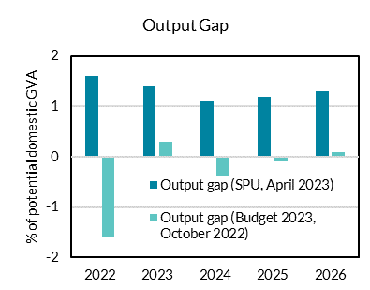

 |  |  |  |  |  | Source: Department of Finance

Figure 2
Figure 2: Contributions to growth in Exchequer Tax Receipts
 | 2018 | 2019 | 2020 | 2021 | 2022
IT | 0.024296196136 | 0.030469319413 | -0.0037707865411 | 0.069200041942 | 0.059360613985
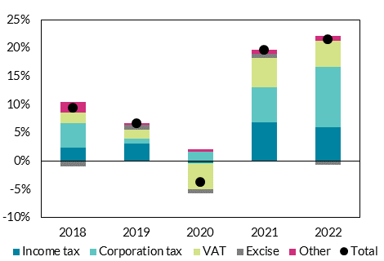
CT | 0.043042132374 | 0.0090424526535 | 0.015935564209 | 0.061080429708 | 0.10697487046
VAT | 0.01835422646 | 0.015898413559 | -0.04542037731 | 0.052786567259 | 0.046189961221
EX | -0.010002553781 | 0.0094054639938 | -0.0083043489843 | 0.0068381445531 | -0.0058127782041
OTH | 0.019329283038 | 0.0027922786221 | 0.0053339013872 | 0.0068072514819 | 0.0084543082629
TOT | 0.095019284227 | 0.067607928241 | -0.036226047238 | 0.19671243494 | 0.21516697573

 |  |  |  |  |  | Source: Department of Finance

Figure 3
Figure 3: Contributions to growth in Government revenue, 2019 - 2022

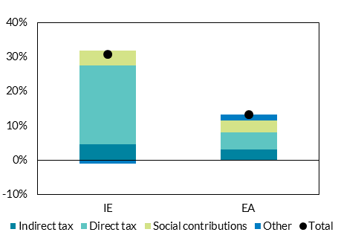
 | IE | EA
Indirect tax | 0.04594790856 | 0.030859911895
Direct tax | 0.22874375366 | 0.049339565448
Social contributions | 0.043158792682 | 0.035258110364
Other | -0.0093268850606 | 0.017162051911
Total | 0.30852356984 | 0.13261963962

 |  |  | Source: Eurostat

Figure 4
Figure 4: Corporation Tax Outturn and overperformance (€bn)

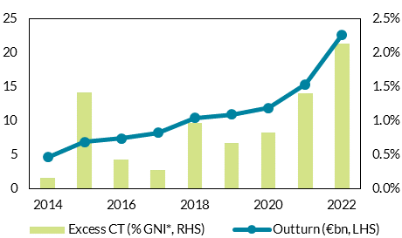
 | 2014 | 2015 | 2016 | 2017 | 2018 | 2019 | 2020 | 2021 | 2022
Outturn €bn | 4.614462 | 6.871559 | 7.351108 | 8.201387 | 10.385196 | 10.887572 | 11.832768 | 15.324426 | 22.642574
Excess CT (% GNI*) | 0.0015752238917 | 0.01412356773 | 0.0042774058699 | 0.0026584371362 | 0.0096981363578 | 0.0066793144029 | 0.0082390047801 | 0.01397913451 | 0.021351133179

 |  |  |  |  |  |  |  |  |  | Source: Department of Finance

Figure 5
Figure 5: Actual and Estimated Corporation Tax

 | 1995 | 1996 | 1997 | 1998 | 1999 | 2000 | 2001 | 2002 | 2003 | 2004 | 2005 | 2006 | 2007 | 2008 | 2009 | 2010 | 2011 | 2012 | 2013 | 2014 | 2015 | 2016 | 2017 | 2018 | 2019 | 2020 | 2021 | 2022 | 2023f | 2024f | 2025f
Actual CT | 1.454819 | 1.810462 | 2.156915 | 2.621925 | 3.440632 | 3.887271 | 4.15605 | 4.803465 | 5.16137 | 5.331596 | 5.491687 | 6.683247 | 6.390625 | 5.065894 | 3.900306 | 3.923637 | 3.520193 | 4.215671 | 4.270332 | 4.614462 | 6.871559 | 7.351108 | 8.201387 | 10.385196 | 10.887572 | 11.832768 | 15.324426 | 22.642574 | 24.499925103 | 25.666208556 | 26.457786129
GNI* |  |  |  |  |  |  |  |  |  |  |  |  |  |  |  |  |  |  |  | 4.614462 | 5.1368662903 | 5.4605580138 | 5.8295394321 | 6.2054907456 | 6.8509895438 | 6.1806124245 | 7.6168327322 | 9.238286798 | 10.137504793 | 10.86418553 | 11.496291202
Histori Output Share |  |  |  |  |  |  |  |  |  |  |  |  |  |  |  |  |  |  |  | 4.614462 | 6.9920036418 | 7.406105 | 7.867237 | 8.340925 | 9.061648 | 8.599828 | 10.056797 | 11.635714129 | 12.589842688 | 13.408182462 | 14.15904068
Historic Revenue Share |  |  |  |  |  |  |  |  |  |  |  |  |  |  |  |  |  |  |  | 4.614462 | 7.022630076 | 7.371130074 | 7.813427622 | 8.555853922 | 9.13429748 | 8.803397988 | 10.535135842 | 12.80194916 | 14.696010462 | 15.574372296 | 16.264750571
OECD |  |  |  |  |  |  |  |  |  |  |  |  |  |  |  |  |  |  |  | 4.614462 | 7.100352 | 7.295535 | 8.039601 | 8.819037 | 9.631035 | 10.066572 | 11.509641 | 13.569741 | 15.049288417 | 16.096149802 | 17.163093374

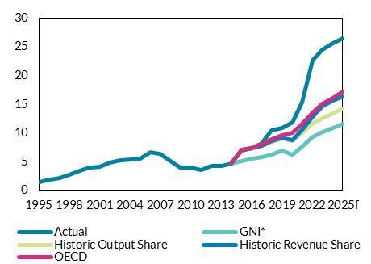

 |  |  | Source: Central Bank calculations

Figure 6
Figure 6: Growth in general government Revenue excluding excessive CT (2019 -2022)
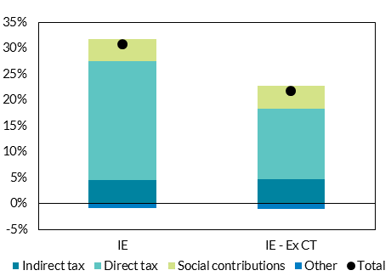

 | IE | IE - Ex CT
Indirect tax | 0.04594790856 | 0.047342354593
Direct tax | 0.22874375366 | 0.13530255615
Social contributions | 0.043158792682 | 0.04446859348
Other | -0.0093268850606 | -0.0096099412058
Total | 0.30852356984 | 0.21750356302

 |  |  | Source: Eurostat, Central Bank calculations

Figure 7
Figure 7: Growth in Exchequer Tax revenue (2019 - 2022)

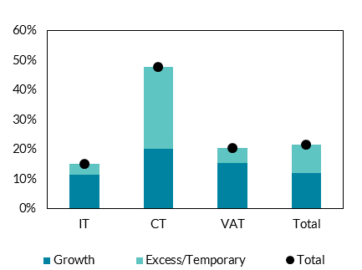
 | Growth | Excess/Temporary | Total
IT | 0.11478225535 | 0.03750002625 | 0.1522822816
CT | 0.20139250386 | 0.2761554317 | 0.47754793556
VAT | 0.15282942656 | 0.051809790457 | 0.20463921702
Total | 0.12010174481 | 0.095065230914 | 0.21516697573

 |  |  |  | Source: Central Bank calculations

Figure 8
Figure 8: Factors driving change in expenditure

 | 2019 | 2020 | 2021 | 2022 | 2023 | 2024 | 2025 | 2026
Core Primary | 0.05416010284 | 0.016709938662 | 0.064762410693 | 0.058405919456 | 0.061406773353 | 0.05271741526 | 0.038378115179 | 0.039241698049
Non Core | 0 | 0.169743348 | -0.022558909251 | -0.041618450362 | -0.0074432452549 | -0.057301538326 | -0.0026559249259 | -0.0017117425539
Interest | -0.0082736243004 | -0.0091586433749 | -0.0052553727964 | -0.00016223160834 | 0.0014421287681 | 0.00035262485124 | -0.0013279624629 | 0.00051352276618
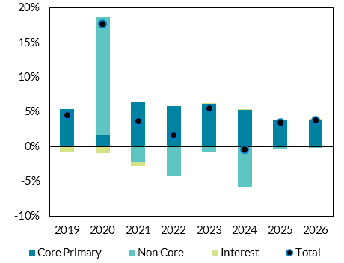
Total | 0.04588647854 | 0.17729464329 | 0.036948128645 | 0.016625237485 | 0.055405656866 | -0.0042314982148 | 0.03439422779 | 0.038043478261

 |  |  |  |  |  |  |  |  | Source: Department of Finance, Central Bank calculations

Figure 9
Figure 9: Core Exchequer Expenditure Growth
 | 2015 | 2016 | 2017 | 2018 | 2019 | 2020 | 2021 | 2022 | 2023 | 2024 | 2025
SPU 2023 | 0.0091548156875 | 0.025519861514 | 0.047037720272 | 0.075605583197 | 0.066815260483 | 0.041323320918 | 0.052550141723 | 0.085102102886 | 0.07375 | 0.050058207218 | 0.049889135255 | 0.050686378036
Avg 2018-22 | 0.064 | 0.064 | 0.064 | 0.064 | 0.064 | 0.064 | 0.064 | 0.064 | 0.064 | 0.064 | 0.064 | 0.064
Exp Rule | 0.05 | 0.05 | 0.05 | 0.05 | 0.05 | 0.05 | 0.05 | 0.05 | 0.05 | 0.05 | 0.05 | 0.05

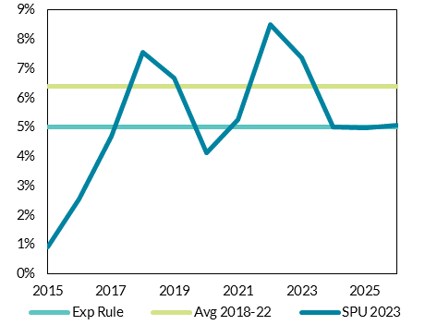

 |  |  |  |  |  |  |  | Source: CSO, Department of Finance

Figure 10
Figure 10: Headline and Underlying GGB
 | 2014 | 2015 | 2016 | 2017 | 2018 | 2019 | 2020 | 2021 | 2022 | 2023 | 2024 | 2025
CBI GGB | -0.047347257217 | -0.032948915229 | -0.012029126165 | -0.0047031139616 | 0.0022558291835 | 0.007926145753 | -0.09338246497 | -0.029102634924 | 0.029682623289 | 0.033369226112 | 0.049438779766 | 0.049275442469
CBI Underlying | -0.047347257217 | -0.037579468275 | -0.017678741476 | -0.011627161338 | -0.01255500792 | -0.0046325045397 | -0.11192871483 | -0.053735838991 | -0.011849686545 | -0.0072969472575 | 0.010358184038 | 0.012443283642

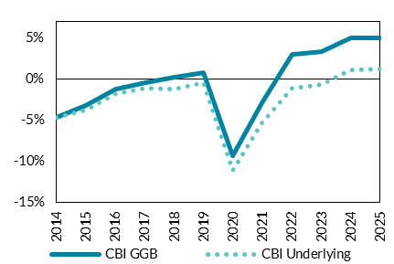

 |  |  |  | Source: Central Bank of Ireland QB2-2023

Figure 11
Figure 11: Change in Budget Balances in SPU

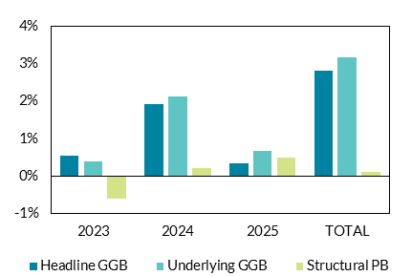
 | 2023 | 2024 | 2025 | TOTAL
Headline GGB | 0.0055000202966 | 0.019194450411 | 0.0034079602182 | 0.028102430926
Underlying GGB | 0.0039401938005 | 0.021144141213 | 0.0066247126923 | 0.031709047706
Structural PB | -0.006 | 0.002 | 0.005 | 0.001

 |  |  |  |  | Source: Stability Programme Update 2023

Figure 12
Figure 12: Historical and projected (assumed) exchequer spending growth, 2015-2026

 | 2015 | 2016 | 2017 | 2018 | 2019 | 2020 | 2021 | 2022 | 2023 | 2024 | 2025 | 2026
SPU 2023 | 0.0091548156875 | 0.025519861514 | 0.047037720272 | 0.075605583197 | 0.066815260483 | 0.041323320918 | 0.052550141723 | 0.085102102886 | 0.07375 | 0.050058207218 | 0.049889135255 | 0.050686378036
Avg 2018 - 2022 | 0.064 | 0.064 | 0.064 | 0.064 | 0.064 | 0.064 | 0.064 | 0.064 | 0.064 | 0.064 | 0.064 | 0.064
Exp Rule | 0.05 | 0.05 | 0.05 | 0.05 | 0.05 | 0.05 | 0.05 | 0.05 | 0.05 | 0.05 | 0.05 | 0.05
CBI Scenario | 0.0091548156875 | 0.025519861514 | 0.047037720272 | 0.075605583197 | 0.066815260483 | 0.041323320918 | 0.052550141723 | 0.085102102886 | 0.07375 | 0.064027939464 | 0.064004376368 | 0.064267352185

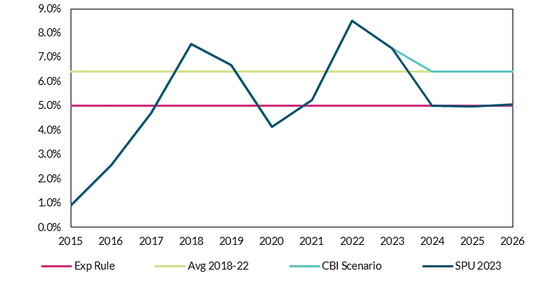

 |  | Source: Author's calculations

Figure 13
Figure 13: Macroeconomic impact of higher than planned government expenditure, deviations from baseline
 | Domestic Demand |  | Inflation
 | Debt-financed | Revenue-financed | Debt-financed | Revenue-financed
2024 | 0.6 | 0.3 | 0.1 | 0.1
2025 | 1.5 | 0.8 | 0.3 | 0.3
2026 | 2.3 | 1.2 | 0.3 | 0.3
2027 | 2.5 | 1.2 | 0.2 | 0.1
2028 | 2.3 | 1.1 | -0.1 | 0.0
2029 | 2.1 | 1.1 | -0.1 | -0.1
2030 | 2.0 | 1.0 | -0.1 | -0.1

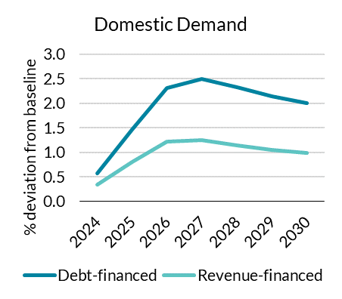
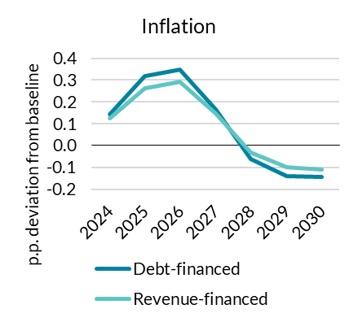

 | Source: Author's calculations

Figure 14
Figure 14: Fiscal impact of higher than planned government expenditure
 | 2022 | 2023 | 2024 | 2025 | 2026 | 2027 | 2028 | 2029 | 2030
BCI Baseline | -1.2% | -0.7% | 1.0% | 1.2% | 1.0% | 0.8% | 0.6% | 0.3% | 0.1%
Debt-financed | -1.2% | -0.7% | 0.9% | 0.9% | 0.6% | 0.4% | 0.3% | 0.1% | -0.1%

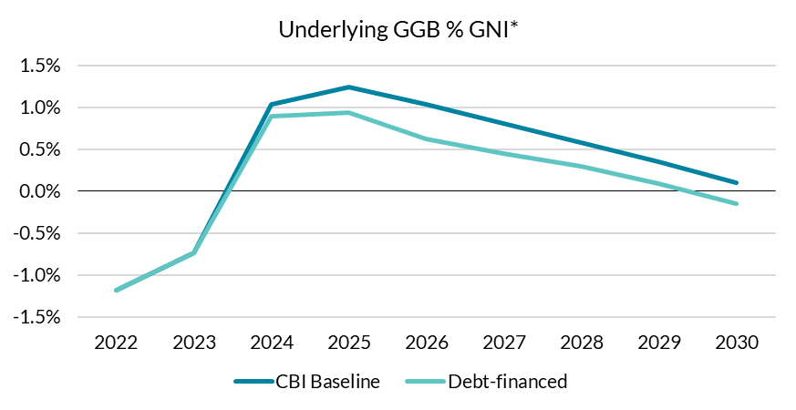

Source: Author's calculations

Figure 15
Figure 15: Macroeconomic impact of income tax cut, deviations from baseline
 | Domestic Demand |  | Inflation
 | Expenditure increase (Debt financed) | Tax cut (Debt financed) | Expenditure increase (Debt financed) | Tax cut (Debt financed)
2024 | 0.6 | 0.3 | 0.1 | 0.0
2025 | 1.5 | 0.8 | 0.3 | 0.1
2026 | 2.3 | 1.5 | 0.3 | 0.1
2027 | 2.5 | 1.9 | 0.2 | 0.0
2028 | 2.3 | 2.0 | -0.1 | 0.0
2029 | 2.1 | 1.9 | -0.1 | 0.0
2030 | 2.0 | 1.8 | -0.1 | -0.1
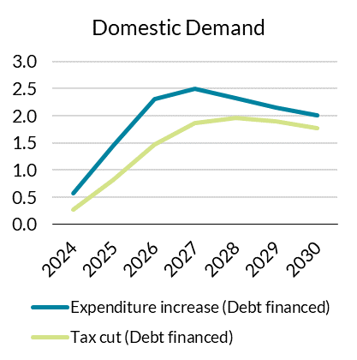
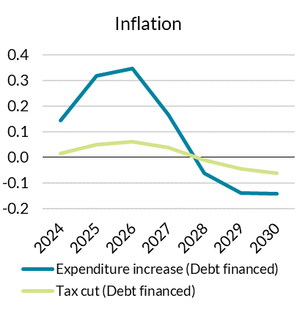

 | Source: Author's calculations

Figure 16
Figure 16: Fiscal impact of income tax cut
 | 2022 | 2023 | 2024 | 2025 | 2026 | 2027 | 2028 | 2029 | 2030
BCI Baseline | -1.2% | -0.7% | 1.0% | 1.2% | 1.0% | 0.8% | 0.6% | 0.3% | 0.1%
Debt-financed | -1.2% | -0.7% | 0.9% | 0.9% | 0.6% | 0.4% | 0.3% | 0.1% | -0.1%
Tax cut | -1.2% | -0.7% | 0.8% | 0.7% | 0.1% | -0.1% | -0.3% | -0.5% | -0.8%

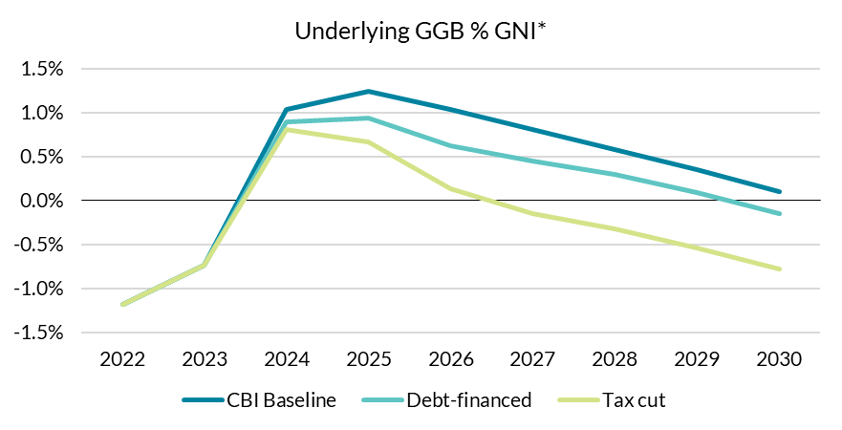

 | Source: Author's calculations

Figure 17
Figure 17: Projected Old Age Dependency Ratio, EU and Ireland

 | 2022 | 2023 | 2025 | 2030 | 2035 | 2040 | 2045 | 2050 | 2055 | 2060 | 2065 | 2070 | 2075 | 2080 | 2085 | 2090 | 2095 | 2100
European Union | 33 | 33.3 | 34.4 | 38 | 42 | 45.4 | 48.2 | 50.4 | 52.1 | 53 | 53.4 | 54.1 | 55.5 | 57 | 58.2 | 58.7 | 59.2 | 59.7
Ireland | 23.1 | 23.2 | 24.1 | 26.8 | 29.6 | 33.6 | 38.5 | 43.2 | 45.6 | 46.7 | 48.2 | 50.6 | 54.4 | 58.3 | 60.8 | 61.3 | 60.9 | 60.9
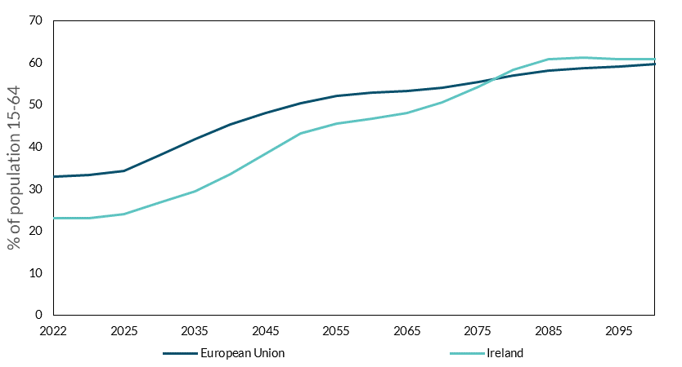

 |  |  |  |  |  |  | Source: Eurostat Population Projections 2023 (europop2023).

Figure 18
Figure 18: Revision to modified investment deflator since 2021

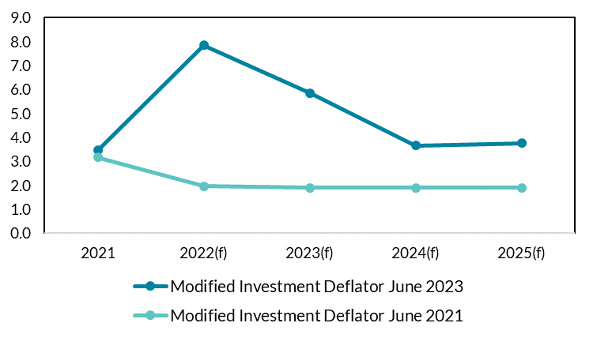
 | 2021 | 2022(f) | 2023(f) | 2024(f) | 2025(f)
Modified Investment Deflator June 2023 | 3.4670766312 | 7.857260202 | 5.8527649574 | 3.6718480251 | 3.7659087919
Modified Investment Deflator June 2021 | 3.1744495201 | 1.9605073044 | 1.9095917596 | 1.9095917596 | 1.9095917596

 |  |  |  |  |  | Source: Department of Finance, Central Bank calculations
 |  |  |  |  |  | Note: Figures taken from internal projection exercises
 |  |  |  |  |  | (BMPE)

Figure 19
Figure 19: Revision to real public investment since 2021 (€m)
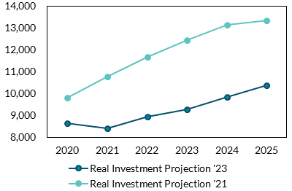
 | 2020 | 2021 | 2022(f) | 2023(f) | 2024(f) | 2025(f)
Real investment Projection '23 | 8638 | 8417.170257 | 8942.9124382 | 9282.2843141 | 9839.4865703 | 10387.346705
Real investment Projection '21 | 9795 | 10763.323722 | 11687.574307 | 12457.321774 | 13134.623529 | 13328.601002

 |  |  |  |  |  |  | Source: Department of Finance SPUs, CSO, Central Bank calculations

Figure 20
Figure 20: Effect of an increase in public investment financed by debt and budget-neutral financing
 | Debt-financed |  |  | Revenue-financed
Period | Output | Inflation | Public debt | Output | Inflation | Public debt
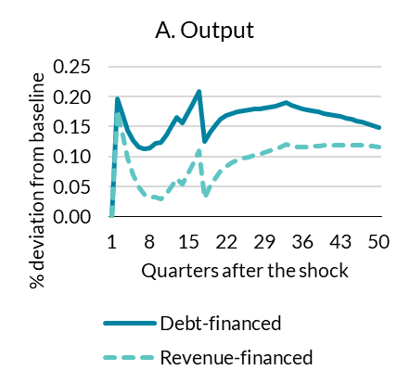
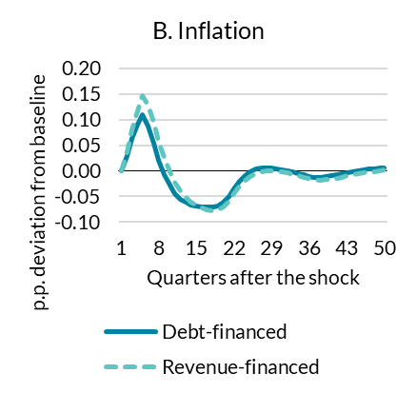
0 | 0.00 | 0.00 | 0.00 | 0.00 | 0.00 | 0.00
1 | 0.20 | 0.03 | 0.00 | 0.18 | 0.04 | 0.00
2 | 0.17 | 0.06 | 0.06 | 0.13 | 0.08 | -0.06
3 | 0.14 | 0.09 | 0.12 | 0.10 | 0.12 | -0.12
4 | 0.13 | 0.11 | 0.18 | 0.07 | 0.15 | -0.16
5 | 0.12 | 0.09 | 0.26 | 0.05 | 0.13 | -0.19
6 | 0.11 | 0.05 | 0.33 | 0.04 | 0.09 | -0.20
7 | 0.12 | 0.02 | 0.41 | 0.03 | 0.06 | -0.19
8 | 0.12 | -0.01 | 0.49 | 0.03 | 0.03 | -0.18
9 | 0.12 | -0.03 | 0.57 | 0.03 | 0.00 | -0.16
10 | 0.14 | -0.04 | 0.64 | 0.04 | -0.02 | -0.14
11 | 0.15 | -0.05 | 0.70 | 0.05 | -0.04 | -0.12
12 | 0.17 | -0.06 | 0.76 | 0.06 | -0.05 | -0.10
13 | 0.16 | -0.07 | 0.81 | 0.05 | -0.06 | -0.08
14 | 0.17 | -0.07 | 0.84 | 0.07 | -0.07 | -0.06
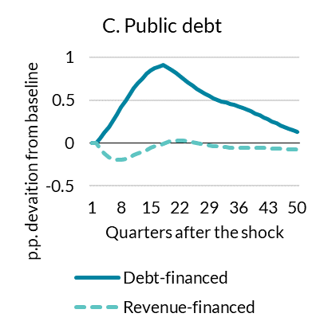
15 | 0.19 | -0.07 | 0.87 | 0.09 | -0.07 | -0.04
16 | 0.21 | -0.07 | 0.89 | 0.11 | -0.08 | -0.02
17 | 0.13 | -0.07 | 0.91 | 0.03 | -0.08 | -0.01
18 | 0.14 | -0.07 | 0.88 | 0.05 | -0.08 | 0.01
19 | 0.15 | -0.06 | 0.85 | 0.07 | -0.07 | 0.02
20 | 0.16 | -0.05 | 0.82 | 0.08 | -0.06 | 0.03
21 | 0.17 | -0.03 | 0.78 | 0.08 | -0.04 | 0.03
22 | 0.17 | -0.02 | 0.74 | 0.09 | -0.03 | 0.03
23 | 0.17 | -0.01 | 0.70 | 0.09 | -0.02 | 0.02
24 | 0.18 | 0.00 | 0.67 | 0.10 | -0.01 | 0.01
25 | 0.18 | 0.00 | 0.63 | 0.10 | 0.00 | 0.00
26 | 0.18 | 0.01 | 0.60 | 0.10 | 0.00 | -0.01
27 | 0.18 | 0.01 | 0.57 | 0.10 | 0.00 | -0.02
28 | 0.18 | 0.01 | 0.55 | 0.11 | 0.00 | -0.03
29 | 0.18 | 0.00 | 0.52 | 0.11 | 0.00 | -0.03
30 | 0.18 | 0.00 | 0.50 | 0.11 | 0.00 | -0.04 | Source: Author's calculations
31 | 0.19 | 0.00 | 0.49 | 0.12 | 0.00 | -0.04
32 | 0.19 | 0.00 | 0.47 | 0.12 | -0.01 | -0.05
33 | 0.18 | -0.01 | 0.46 | 0.12 | -0.01 | -0.05
34 | 0.18 | -0.01 | 0.44 | 0.12 | -0.01 | -0.05
35 | 0.18 | -0.01 | 0.43 | 0.12 | -0.02 | -0.05
36 | 0.18 | -0.01 | 0.41 | 0.12 | -0.02 | -0.05
37 | 0.18 | -0.01 | 0.39 | 0.12 | -0.02 | -0.05
38 | 0.17 | -0.01 | 0.37 | 0.12 | -0.02 | -0.05
39 | 0.17 | -0.01 | 0.35 | 0.12 | -0.02 | -0.05
40 | 0.17 | -0.01 | 0.32 | 0.12 | -0.01 | -0.05
41 | 0.17 | -0.01 | 0.30 | 0.12 | -0.01 | -0.06
42 | 0.17 | 0.00 | 0.28 | 0.12 | -0.01 | -0.06
43 | 0.16 | 0.00 | 0.25 | 0.12 | -0.01 | -0.06
44 | 0.16 | 0.00 | 0.23 | 0.12 | -0.01 | -0.06
45 | 0.16 | 0.00 | 0.21 | 0.12 | 0.00 | -0.07
46 | 0.16 | 0.00 | 0.19 | 0.12 | 0.00 | -0.07
47 | 0.15 | 0.00 | 0.17 | 0.12 | 0.00 | -0.07
48 | 0.15 | 0.01 | 0.14 | 0.12 | 0.00 | -0.07
49 | 0.15 | 0.01 | 0.13 | 0.12 | 0.00 | -0.08
50 | 0.15 | 0.01 | 0.11 | 0.11 | 0.00 | -0.08
51 | 0.14 | 0.01 | 0.09 | 0.11 | 0.00 | -0.08
52 | 0.14 | 0.01 | 0.08 | 0.11 | 0.00 | -0.08
53 | 0.14 | 0.01 | 0.06 | 0.11 | 0.00 | -0.08
54 | 0.14 | 0.01 | 0.05 | 0.11 | 0.00 | -0.09
55 | 0.13 | 0.01 | 0.03 | 0.11 | 0.00 | -0.09
56 | 0.13 | 0.01 | 0.02 | 0.11 | 0.00 | -0.09
57 | 0.13 | 0.01 | 0.01 | 0.11 | 0.01 | -0.09
58 | 0.12 | 0.01 | 0.00 | 0.10 | 0.01 | -0.09
59 | 0.12 | 0.01 | -0.01 | 0.10 | 0.01 | -0.09
60 | 0.12 | 0.01 | -0.02 | 0.10 | 0.01 | -0.09
61 | 0.12 | 0.01 | -0.02 | 0.10 | 0.01 | -0.09
62 | 0.11 | 0.01 | -0.03 | 0.10 | 0.01 | -0.09
63 | 0.11 | 0.01 | -0.04 | 0.10 | 0.01 | -0.09
64 | 0.11 | 0.01 | -0.04 | 0.10 | 0.01 | -0.09
65 | 0.11 | 0.01 | -0.05 | 0.09 | 0.01 | -0.09
66 | 0.10 | 0.01 | -0.05 | 0.09 | 0.01 | -0.09
67 | 0.10 | 0.01 | -0.06 | 0.09 | 0.01 | -0.09
68 | 0.10 | 0.01 | -0.06 | 0.09 | 0.01 | -0.09
69 | 0.10 | 0.01 | -0.06 | 0.09 | 0.01 | -0.09
70 | 0.10 | 0.01 | -0.07 | 0.09 | 0.01 | -0.09
71 | 0.09 | 0.01 | -0.07 | 0.09 | 0.01 | -0.09
72 | 0.09 | 0.01 | -0.07 | 0.08 | 0.01 | -0.09
73 | 0.09 | 0.01 | -0.07 | 0.08 | 0.01 | -0.09
74 | 0.09 | 0.01 | -0.07 | 0.08 | 0.01 | -0.09
75 | 0.08 | 0.01 | -0.07 | 0.08 | 0.01 | -0.08
76 | 0.08 | 0.01 | -0.08 | 0.08 | 0.01 | -0.08
77 | 0.08 | 0.01 | -0.08 | 0.08 | 0.01 | -0.08
78 | 0.08 | 0.01 | -0.08 | 0.07 | 0.01 | -0.08
79 | 0.08 | 0.01 | -0.08 | 0.07 | 0.01 | -0.08
80 | 0.07 | 0.01 | -0.08 | 0.07 | 0.01 | -0.08

