Cover
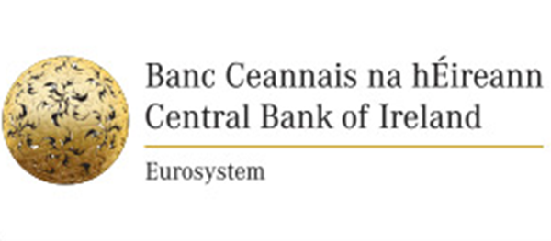

AnaCredit Case Studies: Complete Central Bank of Ireland Reports
Descriptions of each of the cases are outlined in the accompanying document: "Complete Central Bank of Ireland Reports - Case Descriptions"

Version 1.1

Case number | Case Title
1 | Term loan (Basic Case for AnaCredit Reporting)
2 | Inter-MFI deposit
3 | Debit balance in current account – overdraft with credit limit
4 | Term-loan secured with a physical collateral
5 | Credit card
6 | Revolving credit
7 | Non-revolving credit line
8 | Unauthorised debit – overdraft with no credit limit
9 | Lump-sum loan
10 | Reverse repo
11.1 | Factoring with recourse
11.2 | Non-recourse factoring
12 | Financial lease
13.1 | Loan in default: Renegotiated loan
13.2 | Loan in default: Debt forgiveness and a write off
14 | Syndicated loan granted by a consortium of two banks
15 | Loan partially guaranteed by a government agency
16 | Joint liability loan
17 | Traditional Securitisation
18 | Guarantee by a Natural Person
19 | Early repayment of a loan

